ACTL6A _multivariate
Reported by Tex Li-Hsing Chi. tex@gate.sinica.edu.tw 2019-08-22

Table 2. The clinicopathological features of HNSCC cohort and ACTL6A expression. (Chi square test)
Cutoff at -0.183 (49.8%)
 |  | ACTL6A expression |  | ACTL6A expression |  | (Optimised)
 | Features | Low | (%) | High | (%) | Case no | P-value | Remark | Matthews
Gender | Female | 140 | 33.7 | 166 | 40 | 415 | 0.0068 | 1 | 0
2 | Male | 67 | 16.1 | 42 | 10.1
Age at diagnosis | <=65y | 127 | 30.6 | 147 | 35.4 | 415 | 0.0573 | 0 | 0
4 | >65y | 80 | 19.3 | 61 | 14.7
Clinical T Status | T1+T2 | 79 | 19 | 70 | 16.9 | 415 | 0.3924 | 0 | 0
6 | T3+T4 | 128 | 30.8 | 138 | 33.3
Clinical N Status | N0 | 108 | 26 | 108 | 26 | 415 | 1 | 0 | 0
8 | N1-3 | 99 | 23.9 | 100 | 24.1
Clinical M Status | M0 | 206 | 49.6 | 206 | 49.6 | 415 | 1 | 0 | 0
10 | M1 | 1 | 0.2 | 2 | 0.5
Clinical Stage | Stage I+II | 54 | 13 | 48 | 11.6 | 415 | 0.5498 | 0 | 0
12 | Stage III+IV | 153 | 36.9 | 160 | 38.6
Surgical Margin status | Negative | 162 | 39 | 156 | 37.6 | 415 | 0.4867 | 0 | 0
14 | Positive | 45 | 10.8 | 52 | 12.5
Tobacco Exposure | Low | 99 | 23.9 | 62 | 14.9 | 415 | 2e-04 | 1 | 0
16 | High | 108 | 26 | 146 | 35.2

Table 3. Univariate/Multivariate Cox's proportional hazards regression analyses on OS time of ACTL6A gene expression in HNSCC

 |  | Univariate |  |  |  | Multivariate
 | Features | HR | CI95%(L) | CI95%(H) | P-value | HR | CI95%(L) | CI95%(H) | P-value
1 | Female | 1 |  |  |  | 1
Gender | Male | 1.157 | 0.843 | 1.587 | 0.367 | 1.218 | 0.871 | 1.704 | 0.248
11 | <=65y | 1 |  |  |  | 1
Age at diagnosis | >65y | 1.329 | 0.99 | 1.784 | 0.058 | 1.404 | 1.032 | 1.909 | 0.031
12 | T1+T2 | 1 |  |  |  | 1
Clinical T Status | T3+T4 | 1.409 | 1.028 | 1.931 | 0.033 | 2.201 | 1.163 | 4.166 | 0.015
13 | N0 | 1 |  |  |  | 1
Clinical N Status | N1-3 | 1.185 | 0.89 | 1.577 | 0.246 | 1.256 | 0.879 | 1.795 | 0.21
14 | M0 | 1 |  |  |  | 1
Clinical M Status | M1 | 4.097 | 1.009 | 16.644 | 0.049 | 9.336 | 2.036 | 42.81 | 0.004
15 | Stage I+II | 1 |  |  |  | 1
Clinical Stage | Stage III+IV | 1.245 | 0.882 | 1.759 | 0.213 | 0.497 | 0.231 | 1.067 | 0.073
16 | Negative | 1 |  |  |  | 1
Surgical Margin status | Positive | 1.591 | 1.155 | 2.191 | 0.004 | 1.68 | 1.215 | 2.323 | 0.002
17 | Low | 1 |  |  |  | 1
Tobacco Exposure | High | 1.364 | 1.008 | 1.844 | 0.044 | 1.425 | 1.032 | 1.968 | 0.031
18 | Low | 1 |  |  |  | 1
RNAseq(z-score) | High | 1.14 | 0.853 | 1.523 | 0.376 | 1.149 | 0.853 | 1.548 | 0.362

Table 4. Univariate/Multivariate Cox's proportional hazards regression analyses on RFS time of ACTL6A gene expression in HNSCC

 |  | Univariate |  |  |  | Multivariate
 | Features | HR | CI95%(L) | CI95%(H) | P-value | HR | CI95%(L) | CI95%(H) | P-value
1 | Female | 1 |  |  |  | 1
Gender | Male | 1.157 | 0.843 | 1.587 | 0.367 | 1.218 | 0.871 | 1.704 | 0.248
11 | <=65y | 1 |  |  |  | 1
Age at diagnosis | >65y | 1.329 | 0.99 | 1.784 | 0.058 | 1.404 | 1.032 | 1.909 | 0.031
12 | T1+T2 | 1 |  |  |  | 1
Clinical T Status | T3+T4 | 1.409 | 1.028 | 1.931 | 0.033 | 2.201 | 1.163 | 4.166 | 0.015
13 | N0 | 1 |  |  |  | 1
Clinical N Status | N1-3 | 1.185 | 0.89 | 1.577 | 0.246 | 1.256 | 0.879 | 1.795 | 0.21
14 | M0 | 1 |  |  |  | 1
Clinical M Status | M1 | 4.097 | 1.009 | 16.644 | 0.049 | 9.336 | 2.036 | 42.81 | 0.004
15 | Stage I+II | 1 |  |  |  | 1
Clinical Stage | Stage III+IV | 1.245 | 0.882 | 1.759 | 0.213 | 0.497 | 0.231 | 1.067 | 0.073
16 | Negative | 1 |  |  |  | 1
Surgical Margin status | Positive | 1.591 | 1.155 | 2.191 | 0.004 | 1.68 | 1.215 | 2.323 | 0.002
17 | Low | 1 |  |  |  | 1
Tobacco Exposure | High | 1.364 | 1.008 | 1.844 | 0.044 | 1.425 | 1.032 | 1.968 | 0.031
18 | Low | 1 |  |  |  | 1
RNAseq(z-score) | High | 1.14 | 0.853 | 1.523 | 0.376 | 1.149 | 0.853 | 1.548 | 0.362

Kaplan-Meier survival estimate: Cutoff at -0.183 (49.8%)



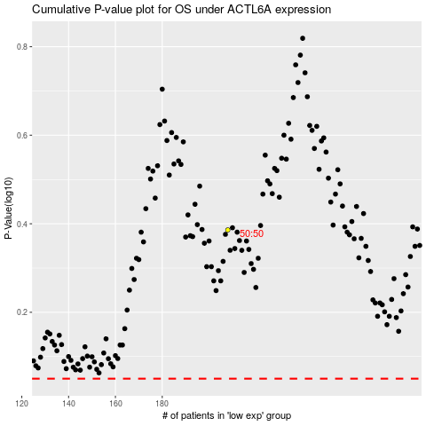

 |  |  |  |  |  | cases_OS | p_OS | rank | exp
 |  |  |  |  |  |  | cases_RFS | p_RFS | rank | exp

