ACTN3 _multivariate
Reported by Tex Li-Hsing Chi. tex@gate.sinica.edu.tw 2019-08-22

Table 2. The clinicopathological features of HNSCC cohort and ACTN3 expression. (Chi square test)
Cutoff at -0.125 (50.0%)
 |  | ACTN3 expression |  | ACTN3 expression |  | (Optimised)
 | Features | Low | (%) | High | (%) | Case no | P-value | Remark | Matthews
Gender | Female | 156 | 37.6 | 150 | 36.1 | 415 | 0.5222 | 0 | 0
2 | Male | 51 | 12.3 | 58 | 14
Age at diagnosis | <=65y | 139 | 33.5 | 135 | 32.5 | 415 | 0.7044 | 0 | 0
4 | >65y | 68 | 16.4 | 73 | 17.6
Clinical T Status | T1+T2 | 65 | 15.7 | 84 | 20.2 | 415 | 0.0711 | 0 | 0
6 | T3+T4 | 142 | 34.2 | 124 | 29.9
Clinical N Status | N0 | 107 | 25.8 | 109 | 26.3 | 415 | 0.9624 | 0 | 0
8 | N1-3 | 100 | 24.1 | 99 | 23.9
Clinical M Status | M0 | 204 | 49.2 | 208 | 50.1 | 415 | 0.1232 | 0 | 0
10 | M1 | 3 | 0.7 | 0 | 0
Clinical Stage | Stage I+II | 41 | 9.9 | 61 | 14.7 | 415 | 0.0325 | 1 | 0
12 | Stage III+IV | 166 | 40 | 147 | 35.4
Surgical Margin status | Negative | 162 | 39 | 156 | 37.6 | 415 | 0.4867 | 0 | 0
14 | Positive | 45 | 10.8 | 52 | 12.5
Tobacco Exposure | Low | 82 | 19.8 | 79 | 19 | 415 | 0.763 | 0 | 0
16 | High | 125 | 30.1 | 129 | 31.1

Table 3. Univariate/Multivariate Cox's proportional hazards regression analyses on OS time of ACTN3 gene expression in HNSCC

 |  | Univariate |  |  |  | Multivariate
 | Features | HR | CI95%(L) | CI95%(H) | P-value | HR | CI95%(L) | CI95%(H) | P-value
1 | Female | 1 |  |  |  | 1
Gender | Male | 1.157 | 0.843 | 1.587 | 0.367 | 1.207 | 0.864 | 1.687 | 0.271
11 | <=65y | 1 |  |  |  | 1
Age at diagnosis | >65y | 1.329 | 0.99 | 1.784 | 0.058 | 1.394 | 1.026 | 1.894 | 0.034
12 | T1+T2 | 1 |  |  |  | 1
Clinical T Status | T3+T4 | 1.409 | 1.028 | 1.931 | 0.033 | 2.209 | 1.168 | 4.176 | 0.015
13 | N0 | 1 |  |  |  | 1
Clinical N Status | N1-3 | 1.185 | 0.89 | 1.577 | 0.246 | 1.246 | 0.873 | 1.779 | 0.225
14 | M0 | 1 |  |  |  | 1
Clinical M Status | M1 | 4.097 | 1.009 | 16.644 | 0.049 | 9.164 | 1.99 | 42.207 | 0.004
15 | Stage I+II | 1 |  |  |  | 1
Clinical Stage | Stage III+IV | 1.245 | 0.882 | 1.759 | 0.213 | 0.498 | 0.232 | 1.072 | 0.075
16 | Negative | 1 |  |  |  | 1
Surgical Margin status | Positive | 1.591 | 1.155 | 2.191 | 0.004 | 1.678 | 1.213 | 2.319 | 0.002
17 | Low | 1 |  |  |  | 1
Tobacco Exposure | High | 1.364 | 1.008 | 1.844 | 0.044 | 1.461 | 1.059 | 2.015 | 0.021
18 | Low | 1 |  |  |  | 1
RNAseq(z-score) | High | 0.985 | 0.739 | 1.312 | 0.917 | 0.939 | 0.7 | 1.26 | 0.675

Table 4. Univariate/Multivariate Cox's proportional hazards regression analyses on RFS time of ACTN3 gene expression in HNSCC

 |  | Univariate |  |  |  | Multivariate
 | Features | HR | CI95%(L) | CI95%(H) | P-value | HR | CI95%(L) | CI95%(H) | P-value
1 | Female | 1 |  |  |  | 1
Gender | Male | 1.157 | 0.843 | 1.587 | 0.367 | 1.207 | 0.864 | 1.687 | 0.271
11 | <=65y | 1 |  |  |  | 1
Age at diagnosis | >65y | 1.329 | 0.99 | 1.784 | 0.058 | 1.394 | 1.026 | 1.894 | 0.034
12 | T1+T2 | 1 |  |  |  | 1
Clinical T Status | T3+T4 | 1.409 | 1.028 | 1.931 | 0.033 | 2.209 | 1.168 | 4.176 | 0.015
13 | N0 | 1 |  |  |  | 1
Clinical N Status | N1-3 | 1.185 | 0.89 | 1.577 | 0.246 | 1.246 | 0.873 | 1.779 | 0.225
14 | M0 | 1 |  |  |  | 1
Clinical M Status | M1 | 4.097 | 1.009 | 16.644 | 0.049 | 9.164 | 1.99 | 42.207 | 0.004
15 | Stage I+II | 1 |  |  |  | 1
Clinical Stage | Stage III+IV | 1.245 | 0.882 | 1.759 | 0.213 | 0.498 | 0.232 | 1.072 | 0.075
16 | Negative | 1 |  |  |  | 1
Surgical Margin status | Positive | 1.591 | 1.155 | 2.191 | 0.004 | 1.678 | 1.213 | 2.319 | 0.002
17 | Low | 1 |  |  |  | 1
Tobacco Exposure | High | 1.364 | 1.008 | 1.844 | 0.044 | 1.461 | 1.059 | 2.015 | 0.021
18 | Low | 1 |  |  |  | 1
RNAseq(z-score) | High | 0.985 | 0.739 | 1.312 | 0.917 | 0.939 | 0.7 | 1.26 | 0.675

Kaplan-Meier survival estimate: Cutoff at -0.125 (50.0%)



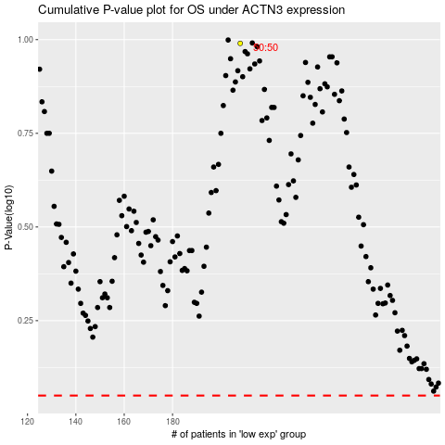

 |  |  |  |  |  | cases_OS | p_OS | rank | exp
 |  |  |  |  |  |  | cases_RFS | p_RFS | rank | exp

