ACTR10 _multivariate
Reported by Tex Li-Hsing Chi. tex@gate.sinica.edu.tw 2019-08-22

Table 2. The clinicopathological features of HNSCC cohort and ACTR10 expression. (Chi square test)
Cutoff at -0.164 (50.0%)
 |  | ACTR10 expression |  | ACTR10 expression |  | (Optimised)
 | Features | Low | (%) | High | (%) | Case no | P-value | Remark | Matthews
Gender | Female | 164 | 39.5 | 142 | 34.2 | 415 | 0.0153 | 1 | 0
2 | Male | 43 | 10.4 | 66 | 15.9
Age at diagnosis | <=65y | 137 | 33 | 137 | 33 | 415 | 1 | 0 | 0
4 | >65y | 70 | 16.9 | 71 | 17.1
Clinical T Status | T1+T2 | 69 | 16.6 | 80 | 19.3 | 415 | 0.3239 | 0 | 0
6 | T3+T4 | 138 | 33.3 | 128 | 30.8
Clinical N Status | N0 | 103 | 24.8 | 113 | 27.2 | 415 | 0.4047 | 0 | 0
8 | N1-3 | 104 | 25.1 | 95 | 22.9
Clinical M Status | M0 | 206 | 49.6 | 206 | 49.6 | 415 | 1 | 0 | 0
10 | M1 | 1 | 0.2 | 2 | 0.5
Clinical Stage | Stage I+II | 43 | 10.4 | 59 | 14.2 | 415 | 0.0925 | 0 | 0
12 | Stage III+IV | 164 | 39.5 | 149 | 35.9
Surgical Margin status | Negative | 155 | 37.3 | 163 | 39.3 | 415 | 0.4187 | 0 | 0
14 | Positive | 52 | 12.5 | 45 | 10.8
Tobacco Exposure | Low | 74 | 17.8 | 87 | 21 | 415 | 0.227 | 0 | 0
16 | High | 133 | 32 | 121 | 29.2

Table 3. Univariate/Multivariate Cox's proportional hazards regression analyses on OS time of ACTR10 gene expression in HNSCC

 |  | Univariate |  |  |  | Multivariate
 | Features | HR | CI95%(L) | CI95%(H) | P-value | HR | CI95%(L) | CI95%(H) | P-value
1 | Female | 1 |  |  |  | 1
Gender | Male | 1.157 | 0.843 | 1.587 | 0.367 | 1.149 | 0.817 | 1.615 | 0.426
11 | <=65y | 1 |  |  |  | 1
Age at diagnosis | >65y | 1.329 | 0.99 | 1.784 | 0.058 | 1.371 | 1.008 | 1.864 | 0.044
12 | T1+T2 | 1 |  |  |  | 1
Clinical T Status | T3+T4 | 1.409 | 1.028 | 1.931 | 0.033 | 2.143 | 1.131 | 4.058 | 0.019
13 | N0 | 1 |  |  |  | 1
Clinical N Status | N1-3 | 1.185 | 0.89 | 1.577 | 0.246 | 1.231 | 0.863 | 1.757 | 0.252
14 | M0 | 1 |  |  |  | 1
Clinical M Status | M1 | 4.097 | 1.009 | 16.644 | 0.049 | 8.475 | 1.836 | 39.128 | 0.006
15 | Stage I+II | 1 |  |  |  | 1
Clinical Stage | Stage III+IV | 1.245 | 0.882 | 1.759 | 0.213 | 0.529 | 0.246 | 1.14 | 0.104
16 | Negative | 1 |  |  |  | 1
Surgical Margin status | Positive | 1.591 | 1.155 | 2.191 | 0.004 | 1.681 | 1.217 | 2.323 | 0.002
17 | Low | 1 |  |  |  | 1
Tobacco Exposure | High | 1.364 | 1.008 | 1.844 | 0.044 | 1.448 | 1.052 | 1.994 | 0.023
18 | Low | 1 |  |  |  | 1
RNAseq(z-score) | High | 1.291 | 0.968 | 1.722 | 0.082 | 1.228 | 0.912 | 1.654 | 0.176

Table 4. Univariate/Multivariate Cox's proportional hazards regression analyses on RFS time of ACTR10 gene expression in HNSCC

 |  | Univariate |  |  |  | Multivariate
 | Features | HR | CI95%(L) | CI95%(H) | P-value | HR | CI95%(L) | CI95%(H) | P-value
1 | Female | 1 |  |  |  | 1
Gender | Male | 1.157 | 0.843 | 1.587 | 0.367 | 1.149 | 0.817 | 1.615 | 0.426
11 | <=65y | 1 |  |  |  | 1
Age at diagnosis | >65y | 1.329 | 0.99 | 1.784 | 0.058 | 1.371 | 1.008 | 1.864 | 0.044
12 | T1+T2 | 1 |  |  |  | 1
Clinical T Status | T3+T4 | 1.409 | 1.028 | 1.931 | 0.033 | 2.143 | 1.131 | 4.058 | 0.019
13 | N0 | 1 |  |  |  | 1
Clinical N Status | N1-3 | 1.185 | 0.89 | 1.577 | 0.246 | 1.231 | 0.863 | 1.757 | 0.252
14 | M0 | 1 |  |  |  | 1
Clinical M Status | M1 | 4.097 | 1.009 | 16.644 | 0.049 | 8.475 | 1.836 | 39.128 | 0.006
15 | Stage I+II | 1 |  |  |  | 1
Clinical Stage | Stage III+IV | 1.245 | 0.882 | 1.759 | 0.213 | 0.529 | 0.246 | 1.14 | 0.104
16 | Negative | 1 |  |  |  | 1
Surgical Margin status | Positive | 1.591 | 1.155 | 2.191 | 0.004 | 1.681 | 1.217 | 2.323 | 0.002
17 | Low | 1 |  |  |  | 1
Tobacco Exposure | High | 1.364 | 1.008 | 1.844 | 0.044 | 1.448 | 1.052 | 1.994 | 0.023
18 | Low | 1 |  |  |  | 1
RNAseq(z-score) | High | 1.291 | 0.968 | 1.722 | 0.082 | 1.228 | 0.912 | 1.654 | 0.176

Kaplan-Meier survival estimate: Cutoff at -0.164 (50.0%)



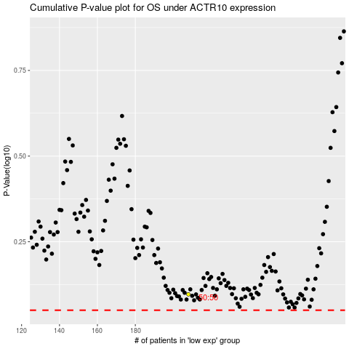

 |  |  |  |  |  | cases_OS | p_OS | rank | exp
 |  |  |  |  |  |  | cases_RFS | p_RFS | rank | exp

