ACTR1B _multivariate
Reported by Tex Li-Hsing Chi. tex@gate.sinica.edu.tw 2019-08-22

Table 2. The clinicopathological features of HNSCC cohort and ACTR1B expression. (Chi square test)
Cutoff at -0.292 (49.8%)
 |  | ACTR1B expression |  | ACTR1B expression |  | (Optimised)
 | Features | Low | (%) | High | (%) | Case no | P-value | Remark | Matthews
Gender | Female | 140 | 33.7 | 166 | 40 | 415 | 0.0068 | 1 | 0
2 | Male | 67 | 16.1 | 42 | 10.1
Age at diagnosis | <=65y | 130 | 31.3 | 144 | 34.7 | 415 | 0.2009 | 0 | 0
4 | >65y | 77 | 18.6 | 64 | 15.4
Clinical T Status | T1+T2 | 78 | 18.8 | 71 | 17.1 | 415 | 0.5152 | 0 | 0
6 | T3+T4 | 129 | 31.1 | 137 | 33
Clinical N Status | N0 | 108 | 26 | 108 | 26 | 415 | 1 | 0 | 0
8 | N1-3 | 99 | 23.9 | 100 | 24.1
Clinical M Status | M0 | 204 | 49.2 | 208 | 50.1 | 415 | 0.1232 | 0 | 0
10 | M1 | 3 | 0.7 | 0 | 0
Clinical Stage | Stage I+II | 59 | 14.2 | 43 | 10.4 | 415 | 0.0822 | 0 | 0
12 | Stage III+IV | 148 | 35.7 | 165 | 39.8
Surgical Margin status | Negative | 162 | 39 | 156 | 37.6 | 415 | 0.4867 | 0 | 0
14 | Positive | 45 | 10.8 | 52 | 12.5
Tobacco Exposure | Low | 89 | 21.4 | 72 | 17.3 | 415 | 0.0872 | 0 | 0
16 | High | 118 | 28.4 | 136 | 32.8

Table 3. Univariate/Multivariate Cox's proportional hazards regression analyses on OS time of ACTR1B gene expression in HNSCC

 |  | Univariate |  |  |  | Multivariate
 | Features | HR | CI95%(L) | CI95%(H) | P-value | HR | CI95%(L) | CI95%(H) | P-value
1 | Female | 1 |  |  |  | 1
Gender | Male | 1.157 | 0.843 | 1.587 | 0.367 | 1.2 | 0.857 | 1.68 | 0.289
11 | <=65y | 1 |  |  |  | 1
Age at diagnosis | >65y | 1.329 | 0.99 | 1.784 | 0.058 | 1.39 | 1.022 | 1.892 | 0.036
12 | T1+T2 | 1 |  |  |  | 1
Clinical T Status | T3+T4 | 1.409 | 1.028 | 1.931 | 0.033 | 2.198 | 1.161 | 4.162 | 0.016
13 | N0 | 1 |  |  |  | 1
Clinical N Status | N1-3 | 1.185 | 0.89 | 1.577 | 0.246 | 1.239 | 0.868 | 1.77 | 0.238
14 | M0 | 1 |  |  |  | 1
Clinical M Status | M1 | 4.097 | 1.009 | 16.644 | 0.049 | 9.324 | 2.007 | 43.319 | 0.004
15 | Stage I+II | 1 |  |  |  | 1
Clinical Stage | Stage III+IV | 1.245 | 0.882 | 1.759 | 0.213 | 0.507 | 0.235 | 1.095 | 0.084
16 | Negative | 1 |  |  |  | 1
Surgical Margin status | Positive | 1.591 | 1.155 | 2.191 | 0.004 | 1.671 | 1.21 | 2.309 | 0.002
17 | Low | 1 |  |  |  | 1
Tobacco Exposure | High | 1.364 | 1.008 | 1.844 | 0.044 | 1.454 | 1.055 | 2.005 | 0.022
18 | Low | 1 |  |  |  | 1
RNAseq(z-score) | High | 0.951 | 0.711 | 1.27 | 0.732 | 0.987 | 0.73 | 1.334 | 0.932

Table 4. Univariate/Multivariate Cox's proportional hazards regression analyses on RFS time of ACTR1B gene expression in HNSCC

 |  | Univariate |  |  |  | Multivariate
 | Features | HR | CI95%(L) | CI95%(H) | P-value | HR | CI95%(L) | CI95%(H) | P-value
1 | Female | 1 |  |  |  | 1
Gender | Male | 1.157 | 0.843 | 1.587 | 0.367 | 1.2 | 0.857 | 1.68 | 0.289
11 | <=65y | 1 |  |  |  | 1
Age at diagnosis | >65y | 1.329 | 0.99 | 1.784 | 0.058 | 1.39 | 1.022 | 1.892 | 0.036
12 | T1+T2 | 1 |  |  |  | 1
Clinical T Status | T3+T4 | 1.409 | 1.028 | 1.931 | 0.033 | 2.198 | 1.161 | 4.162 | 0.016
13 | N0 | 1 |  |  |  | 1
Clinical N Status | N1-3 | 1.185 | 0.89 | 1.577 | 0.246 | 1.239 | 0.868 | 1.77 | 0.238
14 | M0 | 1 |  |  |  | 1
Clinical M Status | M1 | 4.097 | 1.009 | 16.644 | 0.049 | 9.324 | 2.007 | 43.319 | 0.004
15 | Stage I+II | 1 |  |  |  | 1
Clinical Stage | Stage III+IV | 1.245 | 0.882 | 1.759 | 0.213 | 0.507 | 0.235 | 1.095 | 0.084
16 | Negative | 1 |  |  |  | 1
Surgical Margin status | Positive | 1.591 | 1.155 | 2.191 | 0.004 | 1.671 | 1.21 | 2.309 | 0.002
17 | Low | 1 |  |  |  | 1
Tobacco Exposure | High | 1.364 | 1.008 | 1.844 | 0.044 | 1.454 | 1.055 | 2.005 | 0.022
18 | Low | 1 |  |  |  | 1
RNAseq(z-score) | High | 0.951 | 0.711 | 1.27 | 0.732 | 0.987 | 0.73 | 1.334 | 0.932

Kaplan-Meier survival estimate: Cutoff at -0.292 (49.8%)



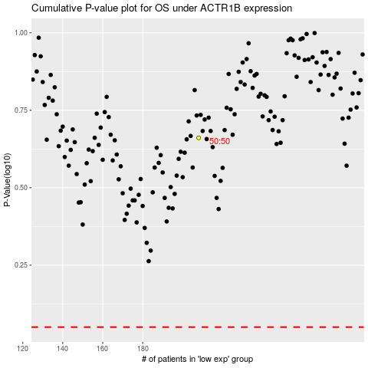

 |  |  |  |  |  | cases_OS | p_OS | rank | exp
 |  |  |  |  |  |  | cases_RFS | p_RFS | rank | exp

