ACTR3B _multivariate
Reported by Tex Li-Hsing Chi. tex@gate.sinica.edu.tw 2019-08-22

Table 2. The clinicopathological features of HNSCC cohort and ACTR3B expression. (Chi square test)
Cutoff at -0.28 (49.8%)
 |  | ACTR3B expression |  | ACTR3B expression |  | (Optimised)
 | Features | Low | (%) | High | (%) | Case no | P-value | Remark | Matthews
Gender | Female | 141 | 34 | 165 | 39.8 | 415 | 0.013 | 1 | 0
2 | Male | 66 | 15.9 | 43 | 10.4
Age at diagnosis | <=65y | 125 | 30.1 | 149 | 35.9 | 415 | 0.0206 | 1 | 0
4 | >65y | 82 | 19.8 | 59 | 14.2
Clinical T Status | T1+T2 | 84 | 20.2 | 65 | 15.7 | 415 | 0.0603 | 0 | 0
6 | T3+T4 | 123 | 29.6 | 143 | 34.5
Clinical N Status | N0 | 105 | 25.3 | 111 | 26.7 | 415 | 0.6598 | 0 | 0
8 | N1-3 | 102 | 24.6 | 97 | 23.4
Clinical M Status | M0 | 207 | 49.9 | 205 | 49.4 | 415 | 0.2482 | 0 | 0
10 | M1 | 0 | 0 | 3 | 0.7
Clinical Stage | Stage I+II | 58 | 14 | 44 | 10.6 | 415 | 0.131 | 0 | 0
12 | Stage III+IV | 149 | 35.9 | 164 | 39.5
Surgical Margin status | Negative | 160 | 38.6 | 158 | 38.1 | 415 | 0.8167 | 0 | 0
14 | Positive | 47 | 11.3 | 50 | 12
Tobacco Exposure | Low | 106 | 25.5 | 55 | 13.3 | 415 | 0 | 1 | 0
16 | High | 101 | 24.3 | 153 | 36.9

Table 3. Univariate/Multivariate Cox's proportional hazards regression analyses on OS time of ACTR3B gene expression in HNSCC

 |  | Univariate |  |  |  | Multivariate
 | Features | HR | CI95%(L) | CI95%(H) | P-value | HR | CI95%(L) | CI95%(H) | P-value
1 | Female | 1 |  |  |  | 1
Gender | Male | 1.157 | 0.843 | 1.587 | 0.367 | 1.182 | 0.847 | 1.649 | 0.327
11 | <=65y | 1 |  |  |  | 1
Age at diagnosis | >65y | 1.329 | 0.99 | 1.784 | 0.058 | 1.381 | 1.015 | 1.879 | 0.04
12 | T1+T2 | 1 |  |  |  | 1
Clinical T Status | T3+T4 | 1.409 | 1.028 | 1.931 | 0.033 | 2.263 | 1.196 | 4.284 | 0.012
13 | N0 | 1 |  |  |  | 1
Clinical N Status | N1-3 | 1.185 | 0.89 | 1.577 | 0.246 | 1.212 | 0.849 | 1.731 | 0.29
14 | M0 | 1 |  |  |  | 1
Clinical M Status | M1 | 4.097 | 1.009 | 16.644 | 0.049 | 10.96 | 2.358 | 50.935 | 0.002
15 | Stage I+II | 1 |  |  |  | 1
Clinical Stage | Stage III+IV | 1.245 | 0.882 | 1.759 | 0.213 | 0.503 | 0.234 | 1.079 | 0.077
16 | Negative | 1 |  |  |  | 1
Surgical Margin status | Positive | 1.591 | 1.155 | 2.191 | 0.004 | 1.69 | 1.222 | 2.337 | 0.002
17 | Low | 1 |  |  |  | 1
Tobacco Exposure | High | 1.364 | 1.008 | 1.844 | 0.044 | 1.537 | 1.106 | 2.137 | 0.01
18 | Low | 1 |  |  |  | 1
RNAseq(z-score) | High | 0.894 | 0.671 | 1.191 | 0.443 | 0.789 | 0.583 | 1.067 | 0.124

Table 4. Univariate/Multivariate Cox's proportional hazards regression analyses on RFS time of ACTR3B gene expression in HNSCC

 |  | Univariate |  |  |  | Multivariate
 | Features | HR | CI95%(L) | CI95%(H) | P-value | HR | CI95%(L) | CI95%(H) | P-value
1 | Female | 1 |  |  |  | 1
Gender | Male | 1.157 | 0.843 | 1.587 | 0.367 | 1.182 | 0.847 | 1.649 | 0.327
11 | <=65y | 1 |  |  |  | 1
Age at diagnosis | >65y | 1.329 | 0.99 | 1.784 | 0.058 | 1.381 | 1.015 | 1.879 | 0.04
12 | T1+T2 | 1 |  |  |  | 1
Clinical T Status | T3+T4 | 1.409 | 1.028 | 1.931 | 0.033 | 2.263 | 1.196 | 4.284 | 0.012
13 | N0 | 1 |  |  |  | 1
Clinical N Status | N1-3 | 1.185 | 0.89 | 1.577 | 0.246 | 1.212 | 0.849 | 1.731 | 0.29
14 | M0 | 1 |  |  |  | 1
Clinical M Status | M1 | 4.097 | 1.009 | 16.644 | 0.049 | 10.96 | 2.358 | 50.935 | 0.002
15 | Stage I+II | 1 |  |  |  | 1
Clinical Stage | Stage III+IV | 1.245 | 0.882 | 1.759 | 0.213 | 0.503 | 0.234 | 1.079 | 0.077
16 | Negative | 1 |  |  |  | 1
Surgical Margin status | Positive | 1.591 | 1.155 | 2.191 | 0.004 | 1.69 | 1.222 | 2.337 | 0.002
17 | Low | 1 |  |  |  | 1
Tobacco Exposure | High | 1.364 | 1.008 | 1.844 | 0.044 | 1.537 | 1.106 | 2.137 | 0.01
18 | Low | 1 |  |  |  | 1
RNAseq(z-score) | High | 0.894 | 0.671 | 1.191 | 0.443 | 0.789 | 0.583 | 1.067 | 0.124

Kaplan-Meier survival estimate: Cutoff at -0.28 (49.8%)

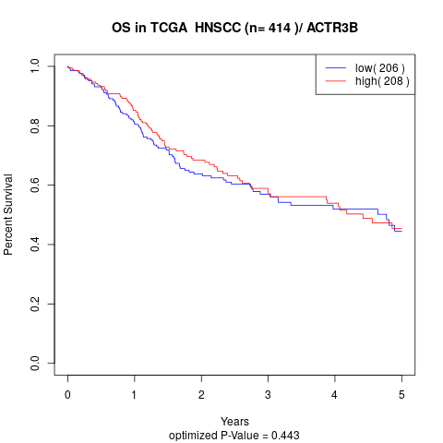

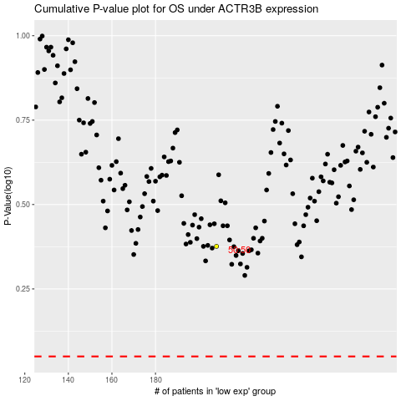

 |  |  |  |  |  | cases_OS | p_OS | rank | exp
 |  |  |  |  |  |  | cases_RFS | p_RFS | rank | exp

