ACTR8 _multivariate
Reported by Tex Li-Hsing Chi. tex@gate.sinica.edu.tw 2019-08-22

Table 2. The clinicopathological features of HNSCC cohort and ACTR8 expression. (Chi square test)
Cutoff at -0.292 (49.8%)
 |  | ACTR8 expression |  | ACTR8 expression |  | (Optimised)
 | Features | Low | (%) | High | (%) | Case no | P-value | Remark | Matthews
Gender | Female | 163 | 39.3 | 143 | 34.5 | 415 | 0.0277 | 1 | 0
2 | Male | 44 | 10.6 | 65 | 15.7
Age at diagnosis | <=65y | 144 | 34.7 | 130 | 31.3 | 415 | 0.1568 | 0 | 0
4 | >65y | 63 | 15.2 | 78 | 18.8
Clinical T Status | T1+T2 | 69 | 16.6 | 80 | 19.3 | 415 | 0.3239 | 0 | 0
6 | T3+T4 | 138 | 33.3 | 128 | 30.8
Clinical N Status | N0 | 103 | 24.8 | 113 | 27.2 | 415 | 0.4047 | 0 | 0
8 | N1-3 | 104 | 25.1 | 95 | 22.9
Clinical M Status | M0 | 204 | 49.2 | 208 | 50.1 | 415 | 0.1232 | 0 | 0
10 | M1 | 3 | 0.7 | 0 | 0
Clinical Stage | Stage I+II | 50 | 12 | 52 | 12.5 | 415 | 0.9315 | 0 | 0
12 | Stage III+IV | 157 | 37.8 | 156 | 37.6
Surgical Margin status | Negative | 161 | 38.8 | 157 | 37.8 | 415 | 0.6429 | 0 | 0
14 | Positive | 46 | 11.1 | 51 | 12.3
Tobacco Exposure | Low | 68 | 16.4 | 93 | 22.4 | 415 | 0.0156 | 1 | 0
16 | High | 139 | 33.5 | 115 | 27.7

Table 3. Univariate/Multivariate Cox's proportional hazards regression analyses on OS time of ACTR8 gene expression in HNSCC

 |  | Univariate |  |  |  | Multivariate
 | Features | HR | CI95%(L) | CI95%(H) | P-value | HR | CI95%(L) | CI95%(H) | P-value
1 | Female | 1 |  |  |  | 1
Gender | Male | 1.157 | 0.843 | 1.587 | 0.367 | 1.205 | 0.86 | 1.688 | 0.279
11 | <=65y | 1 |  |  |  | 1
Age at diagnosis | >65y | 1.329 | 0.99 | 1.784 | 0.058 | 1.392 | 1.024 | 1.893 | 0.035
12 | T1+T2 | 1 |  |  |  | 1
Clinical T Status | T3+T4 | 1.409 | 1.028 | 1.931 | 0.033 | 2.197 | 1.16 | 4.16 | 0.016
13 | N0 | 1 |  |  |  | 1
Clinical N Status | N1-3 | 1.185 | 0.89 | 1.577 | 0.246 | 1.238 | 0.866 | 1.77 | 0.242
14 | M0 | 1 |  |  |  | 1
Clinical M Status | M1 | 4.097 | 1.009 | 16.644 | 0.049 | 9.321 | 2.017 | 43.07 | 0.004
15 | Stage I+II | 1 |  |  |  | 1
Clinical Stage | Stage III+IV | 1.245 | 0.882 | 1.759 | 0.213 | 0.506 | 0.235 | 1.089 | 0.081
16 | Negative | 1 |  |  |  | 1
Surgical Margin status | Positive | 1.591 | 1.155 | 2.191 | 0.004 | 1.673 | 1.21 | 2.312 | 0.002
17 | Low | 1 |  |  |  | 1
Tobacco Exposure | High | 1.364 | 1.008 | 1.844 | 0.044 | 1.451 | 1.052 | 2.001 | 0.023
18 | Low | 1 |  |  |  | 1
RNAseq(z-score) | High | 0.938 | 0.705 | 1.25 | 0.663 | 0.983 | 0.731 | 1.321 | 0.909

Table 4. Univariate/Multivariate Cox's proportional hazards regression analyses on RFS time of ACTR8 gene expression in HNSCC

 |  | Univariate |  |  |  | Multivariate
 | Features | HR | CI95%(L) | CI95%(H) | P-value | HR | CI95%(L) | CI95%(H) | P-value
1 | Female | 1 |  |  |  | 1
Gender | Male | 1.157 | 0.843 | 1.587 | 0.367 | 1.205 | 0.86 | 1.688 | 0.279
11 | <=65y | 1 |  |  |  | 1
Age at diagnosis | >65y | 1.329 | 0.99 | 1.784 | 0.058 | 1.392 | 1.024 | 1.893 | 0.035
12 | T1+T2 | 1 |  |  |  | 1
Clinical T Status | T3+T4 | 1.409 | 1.028 | 1.931 | 0.033 | 2.197 | 1.16 | 4.16 | 0.016
13 | N0 | 1 |  |  |  | 1
Clinical N Status | N1-3 | 1.185 | 0.89 | 1.577 | 0.246 | 1.238 | 0.866 | 1.77 | 0.242
14 | M0 | 1 |  |  |  | 1
Clinical M Status | M1 | 4.097 | 1.009 | 16.644 | 0.049 | 9.321 | 2.017 | 43.07 | 0.004
15 | Stage I+II | 1 |  |  |  | 1
Clinical Stage | Stage III+IV | 1.245 | 0.882 | 1.759 | 0.213 | 0.506 | 0.235 | 1.089 | 0.081
16 | Negative | 1 |  |  |  | 1
Surgical Margin status | Positive | 1.591 | 1.155 | 2.191 | 0.004 | 1.673 | 1.21 | 2.312 | 0.002
17 | Low | 1 |  |  |  | 1
Tobacco Exposure | High | 1.364 | 1.008 | 1.844 | 0.044 | 1.451 | 1.052 | 2.001 | 0.023
18 | Low | 1 |  |  |  | 1
RNAseq(z-score) | High | 0.938 | 0.705 | 1.25 | 0.663 | 0.983 | 0.731 | 1.321 | 0.909

Kaplan-Meier survival estimate: Cutoff at -0.292 (49.8%)

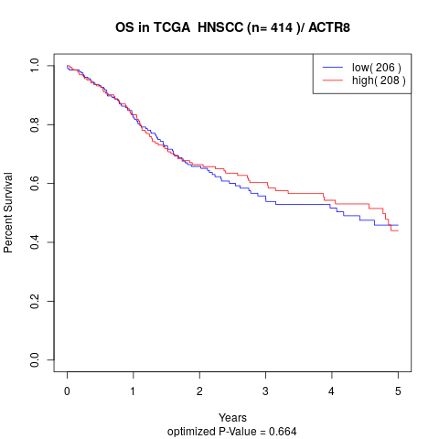

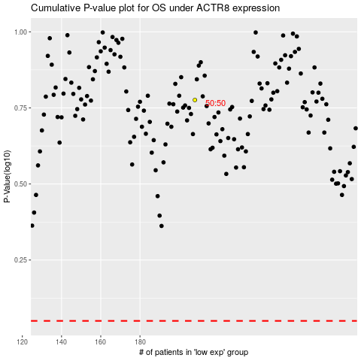

 |  |  |  |  |  | cases_OS | p_OS | rank | exp
 |  |  |  |  |  |  | cases_RFS | p_RFS | rank | exp

