ACVR1B _multivariate
Reported by Tex Li-Hsing Chi. tex@gate.sinica.edu.tw 2019-08-22

Table 2. The clinicopathological features of HNSCC cohort and ACVR1B expression. (Chi square test)
Cutoff at -0.196 (49.8%)
 |  | ACVR1B expression |  | ACVR1B expression |  | (Optimised)
 | Features | Low | (%) | High | (%) | Case no | P-value | Remark | Matthews
Gender | Female | 145 | 34.9 | 161 | 38.8 | 415 | 0.1116 | 0 | 0
2 | Male | 62 | 14.9 | 47 | 11.3
Age at diagnosis | <=65y | 141 | 34 | 133 | 32 | 415 | 0.4272 | 0 | 0
4 | >65y | 66 | 15.9 | 75 | 18.1
Clinical T Status | T1+T2 | 77 | 18.6 | 72 | 17.3 | 415 | 0.6556 | 0 | 0
6 | T3+T4 | 130 | 31.3 | 136 | 32.8
Clinical N Status | N0 | 104 | 25.1 | 112 | 27 | 415 | 0.5243 | 0 | 0
8 | N1-3 | 103 | 24.8 | 96 | 23.1
Clinical M Status | M0 | 205 | 49.4 | 207 | 49.9 | 415 | 0.6232 | 0 | 0
10 | M1 | 2 | 0.5 | 1 | 0.2
Clinical Stage | Stage I+II | 53 | 12.8 | 49 | 11.8 | 415 | 0.7113 | 0 | 0
12 | Stage III+IV | 154 | 37.1 | 159 | 38.3
Surgical Margin status | Negative | 155 | 37.3 | 163 | 39.3 | 415 | 0.4187 | 0 | 0
14 | Positive | 52 | 12.5 | 45 | 10.8
Tobacco Exposure | Low | 86 | 20.7 | 75 | 18.1 | 415 | 0.2687 | 0 | 0
16 | High | 121 | 29.2 | 133 | 32

Table 3. Univariate/Multivariate Cox's proportional hazards regression analyses on OS time of ACVR1B gene expression in HNSCC

 |  | Univariate |  |  |  | Multivariate
 | Features | HR | CI95%(L) | CI95%(H) | P-value | HR | CI95%(L) | CI95%(H) | P-value
1 | Female | 1 |  |  |  | 1
Gender | Male | 1.157 | 0.843 | 1.587 | 0.367 | 1.241 | 0.884 | 1.741 | 0.212
11 | <=65y | 1 |  |  |  | 1
Age at diagnosis | >65y | 1.329 | 0.99 | 1.784 | 0.058 | 1.375 | 1.011 | 1.871 | 0.043
12 | T1+T2 | 1 |  |  |  | 1
Clinical T Status | T3+T4 | 1.409 | 1.028 | 1.931 | 0.033 | 2.263 | 1.194 | 4.288 | 0.012
13 | N0 | 1 |  |  |  | 1
Clinical N Status | N1-3 | 1.185 | 0.89 | 1.577 | 0.246 | 1.261 | 0.883 | 1.801 | 0.202
14 | M0 | 1 |  |  |  | 1
Clinical M Status | M1 | 4.097 | 1.009 | 16.644 | 0.049 | 10.214 | 2.212 | 47.155 | 0.003
15 | Stage I+II | 1 |  |  |  | 1
Clinical Stage | Stage III+IV | 1.245 | 0.882 | 1.759 | 0.213 | 0.482 | 0.224 | 1.038 | 0.062
16 | Negative | 1 |  |  |  | 1
Surgical Margin status | Positive | 1.591 | 1.155 | 2.191 | 0.004 | 1.694 | 1.225 | 2.345 | 0.001
17 | Low | 1 |  |  |  | 1
Tobacco Exposure | High | 1.364 | 1.008 | 1.844 | 0.044 | 1.439 | 1.044 | 1.984 | 0.026
18 | Low | 1 |  |  |  | 1
RNAseq(z-score) | High | 1.138 | 0.853 | 1.518 | 0.378 | 1.192 | 0.886 | 1.604 | 0.246

Table 4. Univariate/Multivariate Cox's proportional hazards regression analyses on RFS time of ACVR1B gene expression in HNSCC

 |  | Univariate |  |  |  | Multivariate
 | Features | HR | CI95%(L) | CI95%(H) | P-value | HR | CI95%(L) | CI95%(H) | P-value
1 | Female | 1 |  |  |  | 1
Gender | Male | 1.157 | 0.843 | 1.587 | 0.367 | 1.241 | 0.884 | 1.741 | 0.212
11 | <=65y | 1 |  |  |  | 1
Age at diagnosis | >65y | 1.329 | 0.99 | 1.784 | 0.058 | 1.375 | 1.011 | 1.871 | 0.043
12 | T1+T2 | 1 |  |  |  | 1
Clinical T Status | T3+T4 | 1.409 | 1.028 | 1.931 | 0.033 | 2.263 | 1.194 | 4.288 | 0.012
13 | N0 | 1 |  |  |  | 1
Clinical N Status | N1-3 | 1.185 | 0.89 | 1.577 | 0.246 | 1.261 | 0.883 | 1.801 | 0.202
14 | M0 | 1 |  |  |  | 1
Clinical M Status | M1 | 4.097 | 1.009 | 16.644 | 0.049 | 10.214 | 2.212 | 47.155 | 0.003
15 | Stage I+II | 1 |  |  |  | 1
Clinical Stage | Stage III+IV | 1.245 | 0.882 | 1.759 | 0.213 | 0.482 | 0.224 | 1.038 | 0.062
16 | Negative | 1 |  |  |  | 1
Surgical Margin status | Positive | 1.591 | 1.155 | 2.191 | 0.004 | 1.694 | 1.225 | 2.345 | 0.001
17 | Low | 1 |  |  |  | 1
Tobacco Exposure | High | 1.364 | 1.008 | 1.844 | 0.044 | 1.439 | 1.044 | 1.984 | 0.026
18 | Low | 1 |  |  |  | 1
RNAseq(z-score) | High | 1.138 | 0.853 | 1.518 | 0.378 | 1.192 | 0.886 | 1.604 | 0.246

Kaplan-Meier survival estimate: Cutoff at -0.196 (49.8%)



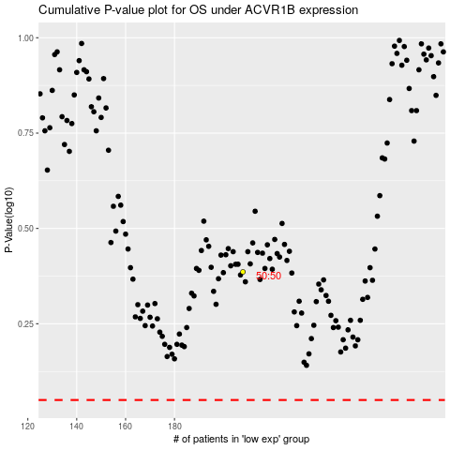

 |  |  |  |  |  | cases_OS | p_OS | rank | exp
 |  |  |  |  |  |  | cases_RFS | p_RFS | rank | exp

