ACVR1C _multivariate
Reported by Tex Li-Hsing Chi. tex@gate.sinica.edu.tw 2019-08-22

Table 2. The clinicopathological features of HNSCC cohort and ACVR1C expression. (Chi square test)
Cutoff at -0.2 (50.0%)
 |  | ACVR1C expression |  | ACVR1C expression |  | (Optimised)
 | Features | Low | (%) | High | (%) | Case no | P-value | Remark | Matthews
Gender | Female | 158 | 38.1 | 148 | 35.7 | 415 | 0.2774 | 0 | 0
2 | Male | 49 | 11.8 | 60 | 14.5
Age at diagnosis | <=65y | 138 | 33.3 | 136 | 32.8 | 415 | 0.8634 | 0 | 0
4 | >65y | 69 | 16.6 | 72 | 17.3
Clinical T Status | T1+T2 | 81 | 19.5 | 68 | 16.4 | 415 | 0.206 | 0 | 0
6 | T3+T4 | 126 | 30.4 | 140 | 33.7
Clinical N Status | N0 | 108 | 26 | 108 | 26 | 415 | 1 | 0 | 0
8 | N1-3 | 99 | 23.9 | 100 | 24.1
Clinical M Status | M0 | 205 | 49.4 | 207 | 49.9 | 415 | 0.6232 | 0 | 0
10 | M1 | 2 | 0.5 | 1 | 0.2
Clinical Stage | Stage I+II | 55 | 13.3 | 47 | 11.3 | 415 | 0.4087 | 0 | 0
12 | Stage III+IV | 152 | 36.6 | 161 | 38.8
Surgical Margin status | Negative | 159 | 38.3 | 159 | 38.3 | 415 | 1 | 0 | 0
14 | Positive | 48 | 11.6 | 49 | 11.8
Tobacco Exposure | Low | 83 | 20 | 78 | 18.8 | 415 | 0.6152 | 0 | 0
16 | High | 124 | 29.9 | 130 | 31.3

Table 3. Univariate/Multivariate Cox's proportional hazards regression analyses on OS time of ACVR1C gene expression in HNSCC

 |  | Univariate |  |  |  | Multivariate
 | Features | HR | CI95%(L) | CI95%(H) | P-value | HR | CI95%(L) | CI95%(H) | P-value
1 | Female | 1 |  |  |  | 1
Gender | Male | 1.157 | 0.843 | 1.587 | 0.367 | 1.203 | 0.861 | 1.682 | 0.279
11 | <=65y | 1 |  |  |  | 1
Age at diagnosis | >65y | 1.329 | 0.99 | 1.784 | 0.058 | 1.39 | 1.022 | 1.89 | 0.036
12 | T1+T2 | 1 |  |  |  | 1
Clinical T Status | T3+T4 | 1.409 | 1.028 | 1.931 | 0.033 | 2.208 | 1.167 | 4.18 | 0.015
13 | N0 | 1 |  |  |  | 1
Clinical N Status | N1-3 | 1.185 | 0.89 | 1.577 | 0.246 | 1.241 | 0.87 | 1.771 | 0.233
14 | M0 | 1 |  |  |  | 1
Clinical M Status | M1 | 4.097 | 1.009 | 16.644 | 0.049 | 9.4 | 2.051 | 43.093 | 0.004
15 | Stage I+II | 1 |  |  |  | 1
Clinical Stage | Stage III+IV | 1.245 | 0.882 | 1.759 | 0.213 | 0.504 | 0.235 | 1.082 | 0.079
16 | Negative | 1 |  |  |  | 1
Surgical Margin status | Positive | 1.591 | 1.155 | 2.191 | 0.004 | 1.671 | 1.209 | 2.309 | 0.002
17 | Low | 1 |  |  |  | 1
Tobacco Exposure | High | 1.364 | 1.008 | 1.844 | 0.044 | 1.454 | 1.055 | 2.003 | 0.022
18 | Low | 1 |  |  |  | 1
RNAseq(z-score) | High | 0.997 | 0.749 | 1.328 | 0.984 | 0.98 | 0.735 | 1.308 | 0.893

Table 4. Univariate/Multivariate Cox's proportional hazards regression analyses on RFS time of ACVR1C gene expression in HNSCC

 |  | Univariate |  |  |  | Multivariate
 | Features | HR | CI95%(L) | CI95%(H) | P-value | HR | CI95%(L) | CI95%(H) | P-value
1 | Female | 1 |  |  |  | 1
Gender | Male | 1.157 | 0.843 | 1.587 | 0.367 | 1.203 | 0.861 | 1.682 | 0.279
11 | <=65y | 1 |  |  |  | 1
Age at diagnosis | >65y | 1.329 | 0.99 | 1.784 | 0.058 | 1.39 | 1.022 | 1.89 | 0.036
12 | T1+T2 | 1 |  |  |  | 1
Clinical T Status | T3+T4 | 1.409 | 1.028 | 1.931 | 0.033 | 2.208 | 1.167 | 4.18 | 0.015
13 | N0 | 1 |  |  |  | 1
Clinical N Status | N1-3 | 1.185 | 0.89 | 1.577 | 0.246 | 1.241 | 0.87 | 1.771 | 0.233
14 | M0 | 1 |  |  |  | 1
Clinical M Status | M1 | 4.097 | 1.009 | 16.644 | 0.049 | 9.4 | 2.051 | 43.093 | 0.004
15 | Stage I+II | 1 |  |  |  | 1
Clinical Stage | Stage III+IV | 1.245 | 0.882 | 1.759 | 0.213 | 0.504 | 0.235 | 1.082 | 0.079
16 | Negative | 1 |  |  |  | 1
Surgical Margin status | Positive | 1.591 | 1.155 | 2.191 | 0.004 | 1.671 | 1.209 | 2.309 | 0.002
17 | Low | 1 |  |  |  | 1
Tobacco Exposure | High | 1.364 | 1.008 | 1.844 | 0.044 | 1.454 | 1.055 | 2.003 | 0.022
18 | Low | 1 |  |  |  | 1
RNAseq(z-score) | High | 0.997 | 0.749 | 1.328 | 0.984 | 0.98 | 0.735 | 1.308 | 0.893

Kaplan-Meier survival estimate: Cutoff at -0.2 (50.0%)



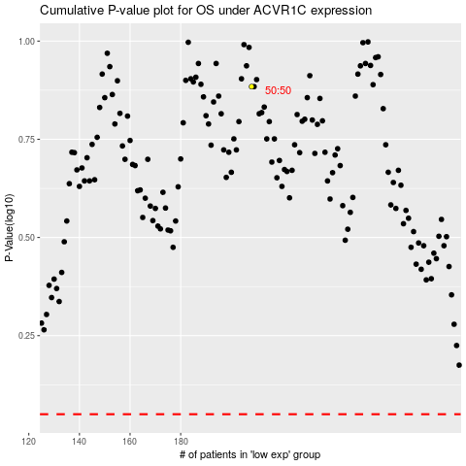

 |  |  |  |  |  | cases_OS | p_OS | rank | exp
 |  |  |  |  |  |  | cases_RFS | p_RFS | rank | exp

