ACVR2B _multivariate
Reported by Tex Li-Hsing Chi. tex@gate.sinica.edu.tw 2019-08-22

Table 2. The clinicopathological features of HNSCC cohort and ACVR2B expression. (Chi square test)
Cutoff at -0.236 (49.8%)
 |  | ACVR2B expression |  | ACVR2B expression |  | (Optimised)
 | Features | Low | (%) | High | (%) | Case no | P-value | Remark | Matthews
Gender | Female | 143 | 34.5 | 163 | 39.3 | 415 | 0.0416 | 1 | 0
2 | Male | 64 | 15.4 | 45 | 10.8
Age at diagnosis | <=65y | 131 | 31.6 | 143 | 34.5 | 415 | 0.2839 | 0 | 0
4 | >65y | 76 | 18.3 | 65 | 15.7
Clinical T Status | T1+T2 | 69 | 16.6 | 80 | 19.3 | 415 | 0.3239 | 0 | 0
6 | T3+T4 | 138 | 33.3 | 128 | 30.8
Clinical N Status | N0 | 115 | 27.7 | 101 | 24.3 | 415 | 0.184 | 1 | 0
8 | N1-3 | 92 | 22.2 | 107 | 25.8
Clinical M Status | M0 | 206 | 49.6 | 206 | 49.6 | 415 | 1 | 0 | 0
10 | M1 | 1 | 0.2 | 2 | 0.5
Clinical Stage | Stage I+II | 51 | 12.3 | 51 | 12.3 | 415 | 1 | 0 | 0
12 | Stage III+IV | 156 | 37.6 | 157 | 37.8
Surgical Margin status | Negative | 160 | 38.6 | 158 | 38.1 | 415 | 0.8167 | 0 | 0
14 | Positive | 47 | 11.3 | 50 | 12
Tobacco Exposure | Low | 90 | 21.7 | 71 | 17.1 | 415 | 0.0559 | 0 | 0
16 | High | 117 | 28.2 | 137 | 33

Table 3. Univariate/Multivariate Cox's proportional hazards regression analyses on OS time of ACVR2B gene expression in HNSCC

 |  | Univariate |  |  |  | Multivariate
 | Features | HR | CI95%(L) | CI95%(H) | P-value | HR | CI95%(L) | CI95%(H) | P-value
1 | Female | 1 |  |  |  | 1
Gender | Male | 1.157 | 0.843 | 1.587 | 0.367 | 1.217 | 0.869 | 1.704 | 0.254
11 | <=65y | 1 |  |  |  | 1
Age at diagnosis | >65y | 1.329 | 0.99 | 1.784 | 0.058 | 1.397 | 1.027 | 1.9 | 0.033
12 | T1+T2 | 1 |  |  |  | 1
Clinical T Status | T3+T4 | 1.409 | 1.028 | 1.931 | 0.033 | 2.227 | 1.176 | 4.216 | 0.014
13 | N0 | 1 |  |  |  | 1
Clinical N Status | N1-3 | 1.185 | 0.89 | 1.577 | 0.246 | 1.23 | 0.861 | 1.759 | 0.255
14 | M0 | 1 |  |  |  | 1
Clinical M Status | M1 | 4.097 | 1.009 | 16.644 | 0.049 | 9.505 | 2.072 | 43.595 | 0.004
15 | Stage I+II | 1 |  |  |  | 1
Clinical Stage | Stage III+IV | 1.245 | 0.882 | 1.759 | 0.213 | 0.501 | 0.234 | 1.076 | 0.077
16 | Negative | 1 |  |  |  | 1
Surgical Margin status | Positive | 1.591 | 1.155 | 2.191 | 0.004 | 1.68 | 1.215 | 2.323 | 0.002
17 | Low | 1 |  |  |  | 1
Tobacco Exposure | High | 1.364 | 1.008 | 1.844 | 0.044 | 1.445 | 1.049 | 1.992 | 0.024
18 | Low | 1 |  |  |  | 1
RNAseq(z-score) | High | 1.039 | 0.778 | 1.387 | 0.797 | 1.087 | 0.808 | 1.462 | 0.58

Table 4. Univariate/Multivariate Cox's proportional hazards regression analyses on RFS time of ACVR2B gene expression in HNSCC

 |  | Univariate |  |  |  | Multivariate
 | Features | HR | CI95%(L) | CI95%(H) | P-value | HR | CI95%(L) | CI95%(H) | P-value
1 | Female | 1 |  |  |  | 1
Gender | Male | 1.157 | 0.843 | 1.587 | 0.367 | 1.217 | 0.869 | 1.704 | 0.254
11 | <=65y | 1 |  |  |  | 1
Age at diagnosis | >65y | 1.329 | 0.99 | 1.784 | 0.058 | 1.397 | 1.027 | 1.9 | 0.033
12 | T1+T2 | 1 |  |  |  | 1
Clinical T Status | T3+T4 | 1.409 | 1.028 | 1.931 | 0.033 | 2.227 | 1.176 | 4.216 | 0.014
13 | N0 | 1 |  |  |  | 1
Clinical N Status | N1-3 | 1.185 | 0.89 | 1.577 | 0.246 | 1.23 | 0.861 | 1.759 | 0.255
14 | M0 | 1 |  |  |  | 1
Clinical M Status | M1 | 4.097 | 1.009 | 16.644 | 0.049 | 9.505 | 2.072 | 43.595 | 0.004
15 | Stage I+II | 1 |  |  |  | 1
Clinical Stage | Stage III+IV | 1.245 | 0.882 | 1.759 | 0.213 | 0.501 | 0.234 | 1.076 | 0.077
16 | Negative | 1 |  |  |  | 1
Surgical Margin status | Positive | 1.591 | 1.155 | 2.191 | 0.004 | 1.68 | 1.215 | 2.323 | 0.002
17 | Low | 1 |  |  |  | 1
Tobacco Exposure | High | 1.364 | 1.008 | 1.844 | 0.044 | 1.445 | 1.049 | 1.992 | 0.024
18 | Low | 1 |  |  |  | 1
RNAseq(z-score) | High | 1.039 | 0.778 | 1.387 | 0.797 | 1.087 | 0.808 | 1.462 | 0.58

Kaplan-Meier survival estimate: Cutoff at -0.236 (49.8%)

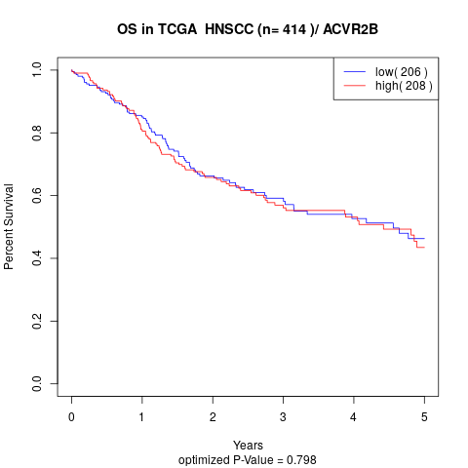

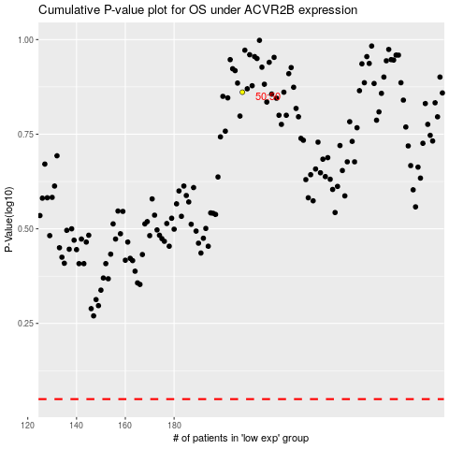

 |  |  |  |  |  | cases_OS | p_OS | rank | exp
 |  |  |  |  |  |  | cases_RFS | p_RFS | rank | exp

