ACVRL1 _multivariate
Reported by Tex Li-Hsing Chi. tex@gate.sinica.edu.tw 2019-08-22

Table 2. The clinicopathological features of HNSCC cohort and ACVRL1 expression. (Chi square test)
Cutoff at -0.557 (30.2%)
 |  | ACVRL1 expression |  | ACVRL1 expression |  | (Optimised)
 | Features | Low | (%) | High | (%) | Case no | P-value | Remark | Matthews
Gender | Female | 89 | 21.4 | 217 | 52.3 | 415 | 0.5164 | 0 | 0
2 | Male | 36 | 8.7 | 73 | 17.6
Age at diagnosis | <=65y | 78 | 18.8 | 196 | 47.2 | 415 | 0.3626 | 0 | 0
4 | >65y | 47 | 11.3 | 94 | 22.7
Clinical T Status | T1+T2 | 42 | 10.1 | 107 | 25.8 | 415 | 0.5956 | 0 | 0
6 | T3+T4 | 83 | 20 | 183 | 44.1
Clinical N Status | N0 | 64 | 15.4 | 152 | 36.6 | 415 | 0.9045 | 0 | 0
8 | N1-3 | 61 | 14.7 | 138 | 33.3
Clinical M Status | M0 | 123 | 29.6 | 289 | 69.6 | 415 | 0.2169 | 0 | 0
10 | M1 | 2 | 0.5 | 1 | 0.2
Clinical Stage | Stage I+II | 29 | 7 | 73 | 17.6 | 415 | 0.7612 | 0 | 0
12 | Stage III+IV | 96 | 23.1 | 217 | 52.3
Surgical Margin status | Negative | 100 | 24.1 | 218 | 52.5 | 415 | 0.3137 | 0 | 0
14 | Positive | 25 | 6 | 72 | 17.3
Tobacco Exposure | Low | 52 | 12.5 | 109 | 26.3 | 415 | 0.4445 | 0 | 0
16 | High | 73 | 17.6 | 181 | 43.6

Table 3. Univariate/Multivariate Cox's proportional hazards regression analyses on OS time of ACVRL1 gene expression in HNSCC

 |  | Univariate |  |  |  | Multivariate
 | Features | HR | CI95%(L) | CI95%(H) | P-value | HR | CI95%(L) | CI95%(H) | P-value
1 | Female | 1 |  |  |  | 1
Gender | Male | 1.157 | 0.843 | 1.587 | 0.367 | 1.198 | 0.856 | 1.675 | 0.292
11 | <=65y | 1 |  |  |  | 1
Age at diagnosis | >65y | 1.329 | 0.99 | 1.784 | 0.058 | 1.342 | 0.987 | 1.826 | 0.061
12 | T1+T2 | 1 |  |  |  | 1
Clinical T Status | T3+T4 | 1.409 | 1.028 | 1.931 | 0.033 | 2.171 | 1.147 | 4.106 | 0.017
13 | N0 | 1 |  |  |  | 1
Clinical N Status | N1-3 | 1.185 | 0.89 | 1.577 | 0.246 | 1.219 | 0.854 | 1.739 | 0.275
14 | M0 | 1 |  |  |  | 1
Clinical M Status | M1 | 4.097 | 1.009 | 16.644 | 0.049 | 8.543 | 1.858 | 39.278 | 0.006
15 | Stage I+II | 1 |  |  |  | 1
Clinical Stage | Stage III+IV | 1.245 | 0.882 | 1.759 | 0.213 | 0.508 | 0.237 | 1.091 | 0.083
16 | Negative | 1 |  |  |  | 1
Surgical Margin status | Positive | 1.591 | 1.155 | 2.191 | 0.004 | 1.712 | 1.237 | 2.368 | 0.001
17 | Low | 1 |  |  |  | 1
Tobacco Exposure | High | 1.364 | 1.008 | 1.844 | 0.044 | 1.46 | 1.059 | 2.013 | 0.021
18 | Low | 1 |  |  |  | 1
RNAseq(z-score) | High | 0.713 | 0.529 | 0.962 | 0.027 | 0.725 | 0.535 | 0.982 | 0.038

Table 4. Univariate/Multivariate Cox's proportional hazards regression analyses on RFS time of ACVRL1 gene expression in HNSCC

 |  | Univariate |  |  |  | Multivariate
 | Features | HR | CI95%(L) | CI95%(H) | P-value | HR | CI95%(L) | CI95%(H) | P-value
1 | Female | 1 |  |  |  | 1
Gender | Male | 1.157 | 0.843 | 1.587 | 0.367 | 1.198 | 0.856 | 1.675 | 0.292
11 | <=65y | 1 |  |  |  | 1
Age at diagnosis | >65y | 1.329 | 0.99 | 1.784 | 0.058 | 1.342 | 0.987 | 1.826 | 0.061
12 | T1+T2 | 1 |  |  |  | 1
Clinical T Status | T3+T4 | 1.409 | 1.028 | 1.931 | 0.033 | 2.171 | 1.147 | 4.106 | 0.017
13 | N0 | 1 |  |  |  | 1
Clinical N Status | N1-3 | 1.185 | 0.89 | 1.577 | 0.246 | 1.219 | 0.854 | 1.739 | 0.275
14 | M0 | 1 |  |  |  | 1
Clinical M Status | M1 | 4.097 | 1.009 | 16.644 | 0.049 | 8.543 | 1.858 | 39.278 | 0.006
15 | Stage I+II | 1 |  |  |  | 1
Clinical Stage | Stage III+IV | 1.245 | 0.882 | 1.759 | 0.213 | 0.508 | 0.237 | 1.091 | 0.083
16 | Negative | 1 |  |  |  | 1
Surgical Margin status | Positive | 1.591 | 1.155 | 2.191 | 0.004 | 1.712 | 1.237 | 2.368 | 0.001
17 | Low | 1 |  |  |  | 1
Tobacco Exposure | High | 1.364 | 1.008 | 1.844 | 0.044 | 1.46 | 1.059 | 2.013 | 0.021
18 | Low | 1 |  |  |  | 1
RNAseq(z-score) | High | 0.713 | 0.529 | 0.962 | 0.027 | 0.725 | 0.535 | 0.982 | 0.038

Kaplan-Meier survival estimate: Cutoff at -0.557 (30.2%)

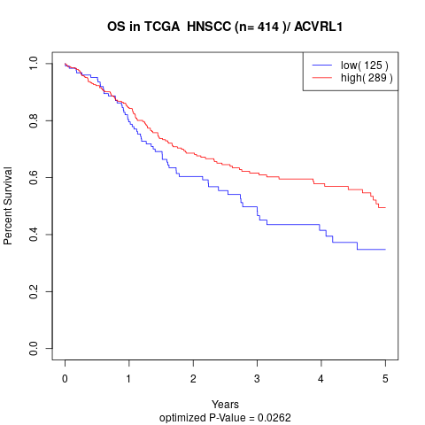

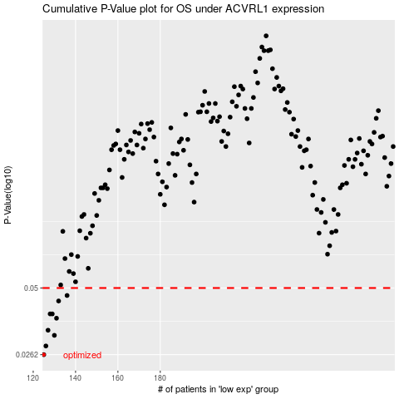

 |  |  |  |  |  | cases_OS | p_OS | rank | exp
 |  |  |  |  |  | 125 | 0.0262 | 313 | -0.55744928365
 |  |  |  |  |  | 126 | 0.0285 | 299 | -0.5550224237
 |  |  |  |  |  | 130 | 0.0316 | 382 | -0.5337387689
 |  |  |  |  |  | 127 | 0.0332 | 252 | -0.54454013575
 |  |  |  |  |  | 131 | 0.0373 | 341 | -0.5313576072
 |  |  |  |  |  | 129 | 0.0389 | 249 | -0.54134328057
 |  |  |  |  |  | 128 | 0.0389 | 333 | -0.54399499207
 |  |  |  |  |  | 132 | 0.0441 | 103 | -0.5313143354
 |  |  |  |  |  | 136 | 0.0465 | 152 | -0.5058628388
 |  |  |  |  |  |  | cases_RFS | p_RFS | rank | exp
 |  |  |  |  |  |  |  | 0.0262 | 366 | -0.55848012285
 |  |  |  |  |  |  | 125 | 0.0285 | 313 | -0.55744928365
 |  |  |  |  |  |  | 129 | 0.0316 | 249 | -0.54134328057
 |  |  |  |  |  |  | 126 | 0.0332 | 299 | -0.5550224237
 |  |  |  |  |  |  | 130 | 0.0373 | 382 | -0.5337387689
 |  |  |  |  |  |  | 127 | 0.0389 | 252 | -0.54454013575
 |  |  |  |  |  |  | 128 | 0.0389 | 333 | -0.54399499207
 |  |  |  |  |  |  | 131 | 0.0441 | 341 | -0.5313576072
 |  |  |  |  |  |  | 135 | 0.0465 | 247 | -0.50986527722

