ACY1 _multivariate
Reported by Tex Li-Hsing Chi. tex@gate.sinica.edu.tw 2019-08-22

Table 2. The clinicopathological features of HNSCC cohort and ACY1 expression. (Chi square test)
Cutoff at -0.318 (49.8%)
 |  | ACY1 expression |  | ACY1 expression |  | (Optimised)
 | Features | Low | (%) | High | (%) | Case no | P-value | Remark | Matthews
Gender | Female | 156 | 37.6 | 150 | 36.1 | 415 | 0.5222 | 0 | 0
2 | Male | 51 | 12.3 | 58 | 14
Age at diagnosis | <=65y | 143 | 34.5 | 131 | 31.6 | 415 | 0.2269 | 0 | 0
4 | >65y | 64 | 15.4 | 77 | 18.6
Clinical T Status | T1+T2 | 80 | 19.3 | 69 | 16.6 | 415 | 0.2891 | 0 | 0
6 | T3+T4 | 127 | 30.6 | 139 | 33.5
Clinical N Status | N0 | 106 | 25.5 | 110 | 26.5 | 415 | 0.8075 | 0 | 0
8 | N1-3 | 101 | 24.3 | 98 | 23.6
Clinical M Status | M0 | 205 | 49.4 | 207 | 49.9 | 415 | 0.6232 | 0 | 0
10 | M1 | 2 | 0.5 | 1 | 0.2
Clinical Stage | Stage I+II | 56 | 13.5 | 46 | 11.1 | 415 | 0.2918 | 0 | 0
12 | Stage III+IV | 151 | 36.4 | 162 | 39
Surgical Margin status | Negative | 166 | 40 | 152 | 36.6 | 415 | 0.1042 | 0 | 0
14 | Positive | 41 | 9.9 | 56 | 13.5
Tobacco Exposure | Low | 73 | 17.6 | 88 | 21.2 | 415 | 0.1587 | 0 | 0
16 | High | 134 | 32.3 | 120 | 28.9

Table 3. Univariate/Multivariate Cox's proportional hazards regression analyses on OS time of ACY1 gene expression in HNSCC

 |  | Univariate |  |  |  | Multivariate
 | Features | HR | CI95%(L) | CI95%(H) | P-value | HR | CI95%(L) | CI95%(H) | P-value
1 | Female | 1 |  |  |  | 1
Gender | Male | 1.157 | 0.843 | 1.587 | 0.367 | 1.174 | 0.839 | 1.643 | 0.35
11 | <=65y | 1 |  |  |  | 1
Age at diagnosis | >65y | 1.329 | 0.99 | 1.784 | 0.058 | 1.393 | 1.025 | 1.893 | 0.034
12 | T1+T2 | 1 |  |  |  | 1
Clinical T Status | T3+T4 | 1.409 | 1.028 | 1.931 | 0.033 | 2.2 | 1.164 | 4.158 | 0.015
13 | N0 | 1 |  |  |  | 1
Clinical N Status | N1-3 | 1.185 | 0.89 | 1.577 | 0.246 | 1.253 | 0.878 | 1.788 | 0.215
14 | M0 | 1 |  |  |  | 1
Clinical M Status | M1 | 4.097 | 1.009 | 16.644 | 0.049 | 9.946 | 2.165 | 45.683 | 0.003
15 | Stage I+II | 1 |  |  |  | 1
Clinical Stage | Stage III+IV | 1.245 | 0.882 | 1.759 | 0.213 | 0.501 | 0.234 | 1.076 | 0.077
16 | Negative | 1 |  |  |  | 1
Surgical Margin status | Positive | 1.591 | 1.155 | 2.191 | 0.004 | 1.626 | 1.175 | 2.251 | 0.003
17 | Low | 1 |  |  |  | 1
Tobacco Exposure | High | 1.364 | 1.008 | 1.844 | 0.044 | 1.465 | 1.063 | 2.018 | 0.019
18 | Low | 1 |  |  |  | 1
RNAseq(z-score) | High | 1.272 | 0.955 | 1.695 | 0.1 | 1.24 | 0.927 | 1.66 | 0.147

Table 4. Univariate/Multivariate Cox's proportional hazards regression analyses on RFS time of ACY1 gene expression in HNSCC

 |  | Univariate |  |  |  | Multivariate
 | Features | HR | CI95%(L) | CI95%(H) | P-value | HR | CI95%(L) | CI95%(H) | P-value
1 | Female | 1 |  |  |  | 1
Gender | Male | 1.157 | 0.843 | 1.587 | 0.367 | 1.174 | 0.839 | 1.643 | 0.35
11 | <=65y | 1 |  |  |  | 1
Age at diagnosis | >65y | 1.329 | 0.99 | 1.784 | 0.058 | 1.393 | 1.025 | 1.893 | 0.034
12 | T1+T2 | 1 |  |  |  | 1
Clinical T Status | T3+T4 | 1.409 | 1.028 | 1.931 | 0.033 | 2.2 | 1.164 | 4.158 | 0.015
13 | N0 | 1 |  |  |  | 1
Clinical N Status | N1-3 | 1.185 | 0.89 | 1.577 | 0.246 | 1.253 | 0.878 | 1.788 | 0.215
14 | M0 | 1 |  |  |  | 1
Clinical M Status | M1 | 4.097 | 1.009 | 16.644 | 0.049 | 9.946 | 2.165 | 45.683 | 0.003
15 | Stage I+II | 1 |  |  |  | 1
Clinical Stage | Stage III+IV | 1.245 | 0.882 | 1.759 | 0.213 | 0.501 | 0.234 | 1.076 | 0.077
16 | Negative | 1 |  |  |  | 1
Surgical Margin status | Positive | 1.591 | 1.155 | 2.191 | 0.004 | 1.626 | 1.175 | 2.251 | 0.003
17 | Low | 1 |  |  |  | 1
Tobacco Exposure | High | 1.364 | 1.008 | 1.844 | 0.044 | 1.465 | 1.063 | 2.018 | 0.019
18 | Low | 1 |  |  |  | 1
RNAseq(z-score) | High | 1.272 | 0.955 | 1.695 | 0.1 | 1.24 | 0.927 | 1.66 | 0.147

Kaplan-Meier survival estimate: Cutoff at -0.318 (49.8%)

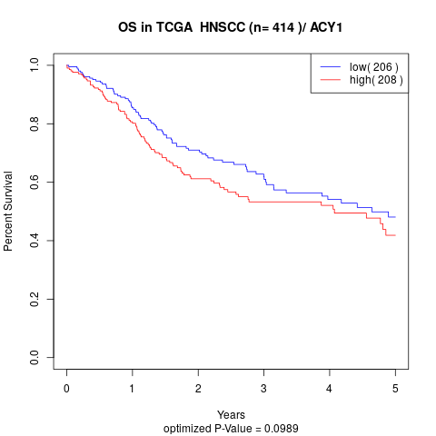

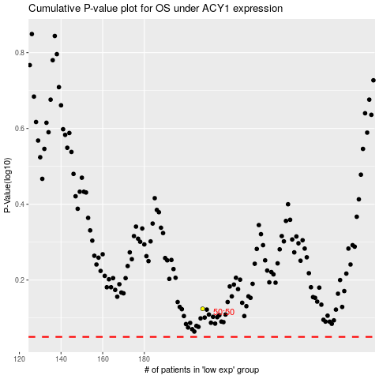

 |  |  |  |  |  | cases_OS | p_OS | rank | exp
 |  |  |  |  |  |  | cases_RFS | p_RFS | rank | exp

