ACY3 _multivariate
Reported by Tex Li-Hsing Chi. tex@gate.sinica.edu.tw 2019-08-22

Table 2. The clinicopathological features of HNSCC cohort and ACY3 expression. (Chi square test)
Cutoff at -0.29 (49.8%)
 |  | ACY3 expression |  | ACY3 expression |  | (Optimised)
 | Features | Low | (%) | High | (%) | Case no | P-value | Remark | Matthews
Gender | Female | 156 | 37.6 | 150 | 36.1 | 415 | 0.5222 | 0 | 0
2 | Male | 51 | 12.3 | 58 | 14
Age at diagnosis | <=65y | 136 | 32.8 | 138 | 33.3 | 415 | 0.9719 | 0 | 0
4 | >65y | 71 | 17.1 | 70 | 16.9
Clinical T Status | T1+T2 | 60 | 14.5 | 89 | 21.4 | 415 | 0.0047 | 1 | 0
6 | T3+T4 | 147 | 35.4 | 119 | 28.7
Clinical N Status | N0 | 110 | 26.5 | 106 | 25.5 | 415 | 0.7294 | 0 | 0
8 | N1-3 | 97 | 23.4 | 102 | 24.6
Clinical M Status | M0 | 207 | 49.9 | 205 | 49.4 | 415 | 0.2482 | 0 | 0
10 | M1 | 0 | 0 | 3 | 0.7
Clinical Stage | Stage I+II | 43 | 10.4 | 59 | 14.2 | 415 | 0.0925 | 0 | 0
12 | Stage III+IV | 164 | 39.5 | 149 | 35.9
Surgical Margin status | Negative | 161 | 38.8 | 157 | 37.8 | 415 | 0.6429 | 0 | 0
14 | Positive | 46 | 11.1 | 51 | 12.3
Tobacco Exposure | Low | 75 | 18.1 | 86 | 20.7 | 415 | 0.3141 | 0 | 0
16 | High | 132 | 31.8 | 122 | 29.4

Table 3. Univariate/Multivariate Cox's proportional hazards regression analyses on OS time of ACY3 gene expression in HNSCC

 |  | Univariate |  |  |  | Multivariate
 | Features | HR | CI95%(L) | CI95%(H) | P-value | HR | CI95%(L) | CI95%(H) | P-value
1 | Female | 1 |  |  |  | 1
Gender | Male | 1.157 | 0.843 | 1.587 | 0.367 | 1.205 | 0.862 | 1.683 | 0.275
11 | <=65y | 1 |  |  |  | 1
Age at diagnosis | >65y | 1.329 | 0.99 | 1.784 | 0.058 | 1.399 | 1.029 | 1.902 | 0.032
12 | T1+T2 | 1 |  |  |  | 1
Clinical T Status | T3+T4 | 1.409 | 1.028 | 1.931 | 0.033 | 2.17 | 1.146 | 4.108 | 0.017
13 | N0 | 1 |  |  |  | 1
Clinical N Status | N1-3 | 1.185 | 0.89 | 1.577 | 0.246 | 1.251 | 0.876 | 1.786 | 0.218
14 | M0 | 1 |  |  |  | 1
Clinical M Status | M1 | 4.097 | 1.009 | 16.644 | 0.049 | 9.902 | 2.148 | 45.651 | 0.003
15 | Stage I+II | 1 |  |  |  | 1
Clinical Stage | Stage III+IV | 1.245 | 0.882 | 1.759 | 0.213 | 0.498 | 0.232 | 1.07 | 0.074
16 | Negative | 1 |  |  |  | 1
Surgical Margin status | Positive | 1.591 | 1.155 | 2.191 | 0.004 | 1.69 | 1.222 | 2.338 | 0.002
17 | Low | 1 |  |  |  | 1
Tobacco Exposure | High | 1.364 | 1.008 | 1.844 | 0.044 | 1.444 | 1.048 | 1.991 | 0.025
18 | Low | 1 |  |  |  | 1
RNAseq(z-score) | High | 0.891 | 0.669 | 1.187 | 0.431 | 0.889 | 0.661 | 1.195 | 0.436

Table 4. Univariate/Multivariate Cox's proportional hazards regression analyses on RFS time of ACY3 gene expression in HNSCC

 |  | Univariate |  |  |  | Multivariate
 | Features | HR | CI95%(L) | CI95%(H) | P-value | HR | CI95%(L) | CI95%(H) | P-value
1 | Female | 1 |  |  |  | 1
Gender | Male | 1.157 | 0.843 | 1.587 | 0.367 | 1.205 | 0.862 | 1.683 | 0.275
11 | <=65y | 1 |  |  |  | 1
Age at diagnosis | >65y | 1.329 | 0.99 | 1.784 | 0.058 | 1.399 | 1.029 | 1.902 | 0.032
12 | T1+T2 | 1 |  |  |  | 1
Clinical T Status | T3+T4 | 1.409 | 1.028 | 1.931 | 0.033 | 2.17 | 1.146 | 4.108 | 0.017
13 | N0 | 1 |  |  |  | 1
Clinical N Status | N1-3 | 1.185 | 0.89 | 1.577 | 0.246 | 1.251 | 0.876 | 1.786 | 0.218
14 | M0 | 1 |  |  |  | 1
Clinical M Status | M1 | 4.097 | 1.009 | 16.644 | 0.049 | 9.902 | 2.148 | 45.651 | 0.003
15 | Stage I+II | 1 |  |  |  | 1
Clinical Stage | Stage III+IV | 1.245 | 0.882 | 1.759 | 0.213 | 0.498 | 0.232 | 1.07 | 0.074
16 | Negative | 1 |  |  |  | 1
Surgical Margin status | Positive | 1.591 | 1.155 | 2.191 | 0.004 | 1.69 | 1.222 | 2.338 | 0.002
17 | Low | 1 |  |  |  | 1
Tobacco Exposure | High | 1.364 | 1.008 | 1.844 | 0.044 | 1.444 | 1.048 | 1.991 | 0.025
18 | Low | 1 |  |  |  | 1
RNAseq(z-score) | High | 0.891 | 0.669 | 1.187 | 0.431 | 0.889 | 0.661 | 1.195 | 0.436

Kaplan-Meier survival estimate: Cutoff at -0.29 (49.8%)



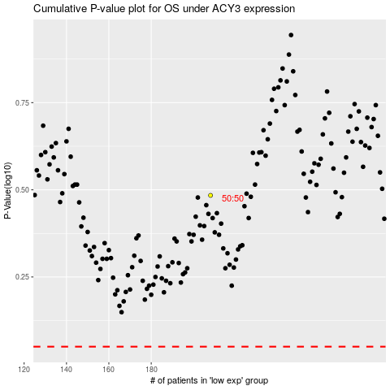

 |  |  |  |  |  | cases_OS | p_OS | rank | exp
 |  |  |  |  |  |  | cases_RFS | p_RFS | rank | exp

