ACYP1 _multivariate
Reported by Tex Li-Hsing Chi. tex@gate.sinica.edu.tw 2019-08-22

Table 2. The clinicopathological features of HNSCC cohort and ACYP1 expression. (Chi square test)
Cutoff at -0.234 (50.0%)
 |  | ACYP1 expression |  | ACYP1 expression |  | (Optimised)
 | Features | Low | (%) | High | (%) | Case no | P-value | Remark | Matthews
Gender | Female | 144 | 34.7 | 162 | 39 | 415 | 0.0697 | 0 | 0
2 | Male | 63 | 15.2 | 46 | 11.1
Age at diagnosis | <=65y | 135 | 32.5 | 139 | 33.5 | 415 | 0.8084 | 0 | 0
4 | >65y | 72 | 17.3 | 69 | 16.6
Clinical T Status | T1+T2 | 72 | 17.3 | 77 | 18.6 | 415 | 0.7095 | 0 | 0
6 | T3+T4 | 135 | 32.5 | 131 | 31.6
Clinical N Status | N0 | 116 | 28 | 100 | 24.1 | 415 | 0.1273 | 1 | 0
8 | N1-3 | 91 | 21.9 | 108 | 26
Clinical M Status | M0 | 207 | 49.9 | 205 | 49.4 | 415 | 0.2482 | 0 | 0
10 | M1 | 0 | 0 | 3 | 0.7
Clinical Stage | Stage I+II | 56 | 13.5 | 46 | 11.1 | 415 | 0.2918 | 0 | 0
12 | Stage III+IV | 151 | 36.4 | 162 | 39
Surgical Margin status | Negative | 173 | 41.7 | 145 | 34.9 | 415 | 0.0011 | 1 | 0
14 | Positive | 34 | 8.2 | 63 | 15.2
Tobacco Exposure | Low | 80 | 19.3 | 81 | 19.5 | 415 | 1 | 0 | 0
16 | High | 127 | 30.6 | 127 | 30.6

Table 3. Univariate/Multivariate Cox's proportional hazards regression analyses on OS time of ACYP1 gene expression in HNSCC

 |  | Univariate |  |  |  | Multivariate
 | Features | HR | CI95%(L) | CI95%(H) | P-value | HR | CI95%(L) | CI95%(H) | P-value
1 | Female | 1 |  |  |  | 1
Gender | Male | 1.157 | 0.843 | 1.587 | 0.367 | 1.195 | 0.856 | 1.67 | 0.295
11 | <=65y | 1 |  |  |  | 1
Age at diagnosis | >65y | 1.329 | 0.99 | 1.784 | 0.058 | 1.414 | 1.036 | 1.93 | 0.029
12 | T1+T2 | 1 |  |  |  | 1
Clinical T Status | T3+T4 | 1.409 | 1.028 | 1.931 | 0.033 | 2.172 | 1.147 | 4.111 | 0.017
13 | N0 | 1 |  |  |  | 1
Clinical N Status | N1-3 | 1.185 | 0.89 | 1.577 | 0.246 | 1.251 | 0.876 | 1.787 | 0.218
14 | M0 | 1 |  |  |  | 1
Clinical M Status | M1 | 4.097 | 1.009 | 16.644 | 0.049 | 9.757 | 2.121 | 44.89 | 0.003
15 | Stage I+II | 1 |  |  |  | 1
Clinical Stage | Stage III+IV | 1.245 | 0.882 | 1.759 | 0.213 | 0.514 | 0.239 | 1.104 | 0.088
16 | Negative | 1 |  |  |  | 1
Surgical Margin status | Positive | 1.591 | 1.155 | 2.191 | 0.004 | 1.699 | 1.226 | 2.354 | 0.001
17 | Low | 1 |  |  |  | 1
Tobacco Exposure | High | 1.364 | 1.008 | 1.844 | 0.044 | 1.449 | 1.052 | 1.997 | 0.023
18 | Low | 1 |  |  |  | 1
RNAseq(z-score) | High | 0.975 | 0.731 | 1.3 | 0.861 | 0.901 | 0.668 | 1.215 | 0.494

Table 4. Univariate/Multivariate Cox's proportional hazards regression analyses on RFS time of ACYP1 gene expression in HNSCC

 |  | Univariate |  |  |  | Multivariate
 | Features | HR | CI95%(L) | CI95%(H) | P-value | HR | CI95%(L) | CI95%(H) | P-value
1 | Female | 1 |  |  |  | 1
Gender | Male | 1.157 | 0.843 | 1.587 | 0.367 | 1.195 | 0.856 | 1.67 | 0.295
11 | <=65y | 1 |  |  |  | 1
Age at diagnosis | >65y | 1.329 | 0.99 | 1.784 | 0.058 | 1.414 | 1.036 | 1.93 | 0.029
12 | T1+T2 | 1 |  |  |  | 1
Clinical T Status | T3+T4 | 1.409 | 1.028 | 1.931 | 0.033 | 2.172 | 1.147 | 4.111 | 0.017
13 | N0 | 1 |  |  |  | 1
Clinical N Status | N1-3 | 1.185 | 0.89 | 1.577 | 0.246 | 1.251 | 0.876 | 1.787 | 0.218
14 | M0 | 1 |  |  |  | 1
Clinical M Status | M1 | 4.097 | 1.009 | 16.644 | 0.049 | 9.757 | 2.121 | 44.89 | 0.003
15 | Stage I+II | 1 |  |  |  | 1
Clinical Stage | Stage III+IV | 1.245 | 0.882 | 1.759 | 0.213 | 0.514 | 0.239 | 1.104 | 0.088
16 | Negative | 1 |  |  |  | 1
Surgical Margin status | Positive | 1.591 | 1.155 | 2.191 | 0.004 | 1.699 | 1.226 | 2.354 | 0.001
17 | Low | 1 |  |  |  | 1
Tobacco Exposure | High | 1.364 | 1.008 | 1.844 | 0.044 | 1.449 | 1.052 | 1.997 | 0.023
18 | Low | 1 |  |  |  | 1
RNAseq(z-score) | High | 0.975 | 0.731 | 1.3 | 0.861 | 0.901 | 0.668 | 1.215 | 0.494

Kaplan-Meier survival estimate: Cutoff at -0.234 (50.0%)



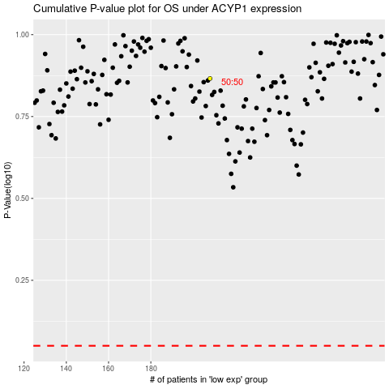

 |  |  |  |  |  | cases_OS | p_OS | rank | exp
 |  |  |  |  |  |  | cases_RFS | p_RFS | rank | exp

