ACYP2 _multivariate
Reported by Tex Li-Hsing Chi. tex@gate.sinica.edu.tw 2019-08-22

Table 2. The clinicopathological features of HNSCC cohort and ACYP2 expression. (Chi square test)
Cutoff at -0.258 (50.0%)
 |  | ACYP2 expression |  | ACYP2 expression |  | (Optimised)
 | Features | Low | (%) | High | (%) | Case no | P-value | Remark | Matthews
Gender | Female | 152 | 36.6 | 154 | 37.1 | 415 | 0.9766 | 0 | 0
2 | Male | 55 | 13.3 | 54 | 13
Age at diagnosis | <=65y | 127 | 30.6 | 147 | 35.4 | 415 | 0.0573 | 0 | 0
4 | >65y | 80 | 19.3 | 61 | 14.7
Clinical T Status | T1+T2 | 68 | 16.4 | 81 | 19.5 | 415 | 0.2336 | 0 | 0
6 | T3+T4 | 139 | 33.5 | 127 | 30.6
Clinical N Status | N0 | 105 | 25.3 | 111 | 26.7 | 415 | 0.6598 | 0 | 0
8 | N1-3 | 102 | 24.6 | 97 | 23.4
Clinical M Status | M0 | 205 | 49.4 | 207 | 49.9 | 415 | 0.6232 | 0 | 0
10 | M1 | 2 | 0.5 | 1 | 0.2
Clinical Stage | Stage I+II | 50 | 12 | 52 | 12.5 | 415 | 0.9315 | 0 | 0
12 | Stage III+IV | 157 | 37.8 | 156 | 37.6
Surgical Margin status | Negative | 166 | 40 | 152 | 36.6 | 415 | 0.1042 | 0 | 0
14 | Positive | 41 | 9.9 | 56 | 13.5
Tobacco Exposure | Low | 69 | 16.6 | 92 | 22.2 | 415 | 0.0266 | 1 | 0
16 | High | 138 | 33.3 | 116 | 28

Table 3. Univariate/Multivariate Cox's proportional hazards regression analyses on OS time of ACYP2 gene expression in HNSCC

 |  | Univariate |  |  |  | Multivariate
 | Features | HR | CI95%(L) | CI95%(H) | P-value | HR | CI95%(L) | CI95%(H) | P-value
1 | Female | 1 |  |  |  | 1
Gender | Male | 1.157 | 0.843 | 1.587 | 0.367 | 1.204 | 0.862 | 1.682 | 0.276
11 | <=65y | 1 |  |  |  | 1
Age at diagnosis | >65y | 1.329 | 0.99 | 1.784 | 0.058 | 1.407 | 1.032 | 1.918 | 0.031
12 | T1+T2 | 1 |  |  |  | 1
Clinical T Status | T3+T4 | 1.409 | 1.028 | 1.931 | 0.033 | 2.232 | 1.178 | 4.229 | 0.014
13 | N0 | 1 |  |  |  | 1
Clinical N Status | N1-3 | 1.185 | 0.89 | 1.577 | 0.246 | 1.245 | 0.872 | 1.776 | 0.228
14 | M0 | 1 |  |  |  | 1
Clinical M Status | M1 | 4.097 | 1.009 | 16.644 | 0.049 | 9.559 | 2.082 | 43.876 | 0.004
15 | Stage I+II | 1 |  |  |  | 1
Clinical Stage | Stage III+IV | 1.245 | 0.882 | 1.759 | 0.213 | 0.499 | 0.232 | 1.072 | 0.075
16 | Negative | 1 |  |  |  | 1
Surgical Margin status | Positive | 1.591 | 1.155 | 2.191 | 0.004 | 1.654 | 1.194 | 2.291 | 0.002
17 | Low | 1 |  |  |  | 1
Tobacco Exposure | High | 1.364 | 1.008 | 1.844 | 0.044 | 1.46 | 1.06 | 2.012 | 0.021
18 | Low | 1 |  |  |  | 1
RNAseq(z-score) | High | 1.032 | 0.774 | 1.375 | 0.833 | 1.081 | 0.806 | 1.45 | 0.604

Table 4. Univariate/Multivariate Cox's proportional hazards regression analyses on RFS time of ACYP2 gene expression in HNSCC

 |  | Univariate |  |  |  | Multivariate
 | Features | HR | CI95%(L) | CI95%(H) | P-value | HR | CI95%(L) | CI95%(H) | P-value
1 | Female | 1 |  |  |  | 1
Gender | Male | 1.157 | 0.843 | 1.587 | 0.367 | 1.204 | 0.862 | 1.682 | 0.276
11 | <=65y | 1 |  |  |  | 1
Age at diagnosis | >65y | 1.329 | 0.99 | 1.784 | 0.058 | 1.407 | 1.032 | 1.918 | 0.031
12 | T1+T2 | 1 |  |  |  | 1
Clinical T Status | T3+T4 | 1.409 | 1.028 | 1.931 | 0.033 | 2.232 | 1.178 | 4.229 | 0.014
13 | N0 | 1 |  |  |  | 1
Clinical N Status | N1-3 | 1.185 | 0.89 | 1.577 | 0.246 | 1.245 | 0.872 | 1.776 | 0.228
14 | M0 | 1 |  |  |  | 1
Clinical M Status | M1 | 4.097 | 1.009 | 16.644 | 0.049 | 9.559 | 2.082 | 43.876 | 0.004
15 | Stage I+II | 1 |  |  |  | 1
Clinical Stage | Stage III+IV | 1.245 | 0.882 | 1.759 | 0.213 | 0.499 | 0.232 | 1.072 | 0.075
16 | Negative | 1 |  |  |  | 1
Surgical Margin status | Positive | 1.591 | 1.155 | 2.191 | 0.004 | 1.654 | 1.194 | 2.291 | 0.002
17 | Low | 1 |  |  |  | 1
Tobacco Exposure | High | 1.364 | 1.008 | 1.844 | 0.044 | 1.46 | 1.06 | 2.012 | 0.021
18 | Low | 1 |  |  |  | 1
RNAseq(z-score) | High | 1.032 | 0.774 | 1.375 | 0.833 | 1.081 | 0.806 | 1.45 | 0.604

Kaplan-Meier survival estimate: Cutoff at -0.258 (50.0%)



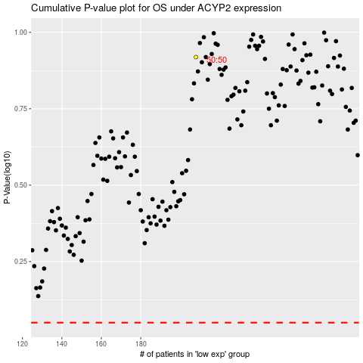

 |  |  |  |  |  | cases_OS | p_OS | rank | exp
 |  |  |  |  |  |  | cases_RFS | p_RFS | rank | exp

