ADA _multivariate
Reported by Tex Li-Hsing Chi. tex@gate.sinica.edu.tw 2019-08-22

Table 2. The clinicopathological features of HNSCC cohort and ADA expression. (Chi square test)
Cutoff at -0.113 (49.8%)
 |  | ADA expression |  | ADA expression |  | (Optimised)
 | Features | Low | (%) | High | (%) | Case no | P-value | Remark | Matthews
Gender | Female | 146 | 35.2 | 160 | 38.6 | 415 | 0.1714 | 0 | 0
2 | Male | 61 | 14.7 | 48 | 11.6
Age at diagnosis | <=65y | 142 | 34.2 | 132 | 31.8 | 415 | 0.3167 | 0 | 0
4 | >65y | 65 | 15.7 | 76 | 18.3
Clinical T Status | T1+T2 | 83 | 20 | 66 | 15.9 | 415 | 0.0941 | 0 | 0
6 | T3+T4 | 124 | 29.9 | 142 | 34.2
Clinical N Status | N0 | 116 | 28 | 100 | 24.1 | 415 | 0.1273 | 1 | 0
8 | N1-3 | 91 | 21.9 | 108 | 26
Clinical M Status | M0 | 207 | 49.9 | 205 | 49.4 | 415 | 0.2482 | 0 | 0
10 | M1 | 0 | 0 | 3 | 0.7
Clinical Stage | Stage I+II | 56 | 13.5 | 46 | 11.1 | 415 | 0.2918 | 0 | 0
12 | Stage III+IV | 151 | 36.4 | 162 | 39
Surgical Margin status | Negative | 157 | 37.8 | 161 | 38.8 | 415 | 0.729 | 0 | 0
14 | Positive | 50 | 12 | 47 | 11.3
Tobacco Exposure | Low | 81 | 19.5 | 80 | 19.3 | 415 | 0.9199 | 0 | 0
16 | High | 126 | 30.4 | 128 | 30.8

Table 3. Univariate/Multivariate Cox's proportional hazards regression analyses on OS time of ADA gene expression in HNSCC

 |  | Univariate |  |  |  | Multivariate
 | Features | HR | CI95%(L) | CI95%(H) | P-value | HR | CI95%(L) | CI95%(H) | P-value
1 | Female | 1 |  |  |  | 1
Gender | Male | 1.157 | 0.843 | 1.587 | 0.367 | 1.211 | 0.865 | 1.694 | 0.265
11 | <=65y | 1 |  |  |  | 1
Age at diagnosis | >65y | 1.329 | 0.99 | 1.784 | 0.058 | 1.38 | 1.015 | 1.877 | 0.04
12 | T1+T2 | 1 |  |  |  | 1
Clinical T Status | T3+T4 | 1.409 | 1.028 | 1.931 | 0.033 | 2.152 | 1.135 | 4.081 | 0.019
13 | N0 | 1 |  |  |  | 1
Clinical N Status | N1-3 | 1.185 | 0.89 | 1.577 | 0.246 | 1.221 | 0.853 | 1.746 | 0.276
14 | M0 | 1 |  |  |  | 1
Clinical M Status | M1 | 4.097 | 1.009 | 16.644 | 0.049 | 8.817 | 1.906 | 40.786 | 0.005
15 | Stage I+II | 1 |  |  |  | 1
Clinical Stage | Stage III+IV | 1.245 | 0.882 | 1.759 | 0.213 | 0.518 | 0.241 | 1.116 | 0.093
16 | Negative | 1 |  |  |  | 1
Surgical Margin status | Positive | 1.591 | 1.155 | 2.191 | 0.004 | 1.685 | 1.219 | 2.329 | 0.002
17 | Low | 1 |  |  |  | 1
Tobacco Exposure | High | 1.364 | 1.008 | 1.844 | 0.044 | 1.461 | 1.059 | 2.014 | 0.021
18 | Low | 1 |  |  |  | 1
RNAseq(z-score) | High | 1.162 | 0.871 | 1.549 | 0.308 | 1.118 | 0.833 | 1.5 | 0.457

Table 4. Univariate/Multivariate Cox's proportional hazards regression analyses on RFS time of ADA gene expression in HNSCC

 |  | Univariate |  |  |  | Multivariate
 | Features | HR | CI95%(L) | CI95%(H) | P-value | HR | CI95%(L) | CI95%(H) | P-value
1 | Female | 1 |  |  |  | 1
Gender | Male | 1.157 | 0.843 | 1.587 | 0.367 | 1.211 | 0.865 | 1.694 | 0.265
11 | <=65y | 1 |  |  |  | 1
Age at diagnosis | >65y | 1.329 | 0.99 | 1.784 | 0.058 | 1.38 | 1.015 | 1.877 | 0.04
12 | T1+T2 | 1 |  |  |  | 1
Clinical T Status | T3+T4 | 1.409 | 1.028 | 1.931 | 0.033 | 2.152 | 1.135 | 4.081 | 0.019
13 | N0 | 1 |  |  |  | 1
Clinical N Status | N1-3 | 1.185 | 0.89 | 1.577 | 0.246 | 1.221 | 0.853 | 1.746 | 0.276
14 | M0 | 1 |  |  |  | 1
Clinical M Status | M1 | 4.097 | 1.009 | 16.644 | 0.049 | 8.817 | 1.906 | 40.786 | 0.005
15 | Stage I+II | 1 |  |  |  | 1
Clinical Stage | Stage III+IV | 1.245 | 0.882 | 1.759 | 0.213 | 0.518 | 0.241 | 1.116 | 0.093
16 | Negative | 1 |  |  |  | 1
Surgical Margin status | Positive | 1.591 | 1.155 | 2.191 | 0.004 | 1.685 | 1.219 | 2.329 | 0.002
17 | Low | 1 |  |  |  | 1
Tobacco Exposure | High | 1.364 | 1.008 | 1.844 | 0.044 | 1.461 | 1.059 | 2.014 | 0.021
18 | Low | 1 |  |  |  | 1
RNAseq(z-score) | High | 1.162 | 0.871 | 1.549 | 0.308 | 1.118 | 0.833 | 1.5 | 0.457

Kaplan-Meier survival estimate: Cutoff at -0.113 (49.8%)



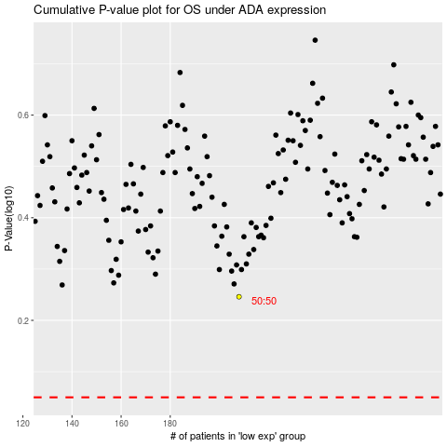

 |  |  |  |  |  | cases_OS | p_OS | rank | exp
 |  |  |  |  |  |  | cases_RFS | p_RFS | rank | exp

