ADAL _multivariate
Reported by Tex Li-Hsing Chi. tex@gate.sinica.edu.tw 2019-08-22

Table 2. The clinicopathological features of HNSCC cohort and ADAL expression. (Chi square test)
Cutoff at -0.237 (49.8%)
 |  | ADAL expression |  | ADAL expression |  | (Optimised)
 | Features | Low | (%) | High | (%) | Case no | P-value | Remark | Matthews
Gender | Female | 146 | 35.2 | 160 | 38.6 | 415 | 0.1714 | 0 | 0
2 | Male | 61 | 14.7 | 48 | 11.6
Age at diagnosis | <=65y | 135 | 32.5 | 139 | 33.5 | 415 | 0.8084 | 0 | 0
4 | >65y | 72 | 17.3 | 69 | 16.6
Clinical T Status | T1+T2 | 62 | 14.9 | 87 | 21 | 415 | 0.0156 | 1 | 0
6 | T3+T4 | 145 | 34.9 | 121 | 29.2
Clinical N Status | N0 | 99 | 23.9 | 117 | 28.2 | 415 | 0.1054 | 0 | 0
8 | N1-3 | 108 | 26 | 91 | 21.9
Clinical M Status | M0 | 205 | 49.4 | 207 | 49.9 | 415 | 0.6232 | 0 | 0
10 | M1 | 2 | 0.5 | 1 | 0.2
Clinical Stage | Stage I+II | 43 | 10.4 | 59 | 14.2 | 415 | 0.0925 | 0 | 0
12 | Stage III+IV | 164 | 39.5 | 149 | 35.9
Surgical Margin status | Negative | 155 | 37.3 | 163 | 39.3 | 415 | 0.4187 | 0 | 0
14 | Positive | 52 | 12.5 | 45 | 10.8
Tobacco Exposure | Low | 87 | 21 | 74 | 17.8 | 415 | 0.1911 | 0 | 0
16 | High | 120 | 28.9 | 134 | 32.3

Table 3. Univariate/Multivariate Cox's proportional hazards regression analyses on OS time of ADAL gene expression in HNSCC

 |  | Univariate |  |  |  | Multivariate
 | Features | HR | CI95%(L) | CI95%(H) | P-value | HR | CI95%(L) | CI95%(H) | P-value
1 | Female | 1 |  |  |  | 1
Gender | Male | 1.157 | 0.843 | 1.587 | 0.367 | 1.208 | 0.865 | 1.689 | 0.268
11 | <=65y | 1 |  |  |  | 1
Age at diagnosis | >65y | 1.329 | 0.99 | 1.784 | 0.058 | 1.389 | 1.021 | 1.888 | 0.036
12 | T1+T2 | 1 |  |  |  | 1
Clinical T Status | T3+T4 | 1.409 | 1.028 | 1.931 | 0.033 | 2.231 | 1.178 | 4.225 | 0.014
13 | N0 | 1 |  |  |  | 1
Clinical N Status | N1-3 | 1.185 | 0.89 | 1.577 | 0.246 | 1.251 | 0.875 | 1.787 | 0.219
14 | M0 | 1 |  |  |  | 1
Clinical M Status | M1 | 4.097 | 1.009 | 16.644 | 0.049 | 9.575 | 2.086 | 43.948 | 0.004
15 | Stage I+II | 1 |  |  |  | 1
Clinical Stage | Stage III+IV | 1.245 | 0.882 | 1.759 | 0.213 | 0.5 | 0.233 | 1.074 | 0.075
16 | Negative | 1 |  |  |  | 1
Surgical Margin status | Positive | 1.591 | 1.155 | 2.191 | 0.004 | 1.68 | 1.215 | 2.322 | 0.002
17 | Low | 1 |  |  |  | 1
Tobacco Exposure | High | 1.364 | 1.008 | 1.844 | 0.044 | 1.439 | 1.043 | 1.986 | 0.027
18 | Low | 1 |  |  |  | 1
RNAseq(z-score) | High | 1.043 | 0.783 | 1.39 | 0.775 | 1.09 | 0.814 | 1.461 | 0.563

Table 4. Univariate/Multivariate Cox's proportional hazards regression analyses on RFS time of ADAL gene expression in HNSCC

 |  | Univariate |  |  |  | Multivariate
 | Features | HR | CI95%(L) | CI95%(H) | P-value | HR | CI95%(L) | CI95%(H) | P-value
1 | Female | 1 |  |  |  | 1
Gender | Male | 1.157 | 0.843 | 1.587 | 0.367 | 1.208 | 0.865 | 1.689 | 0.268
11 | <=65y | 1 |  |  |  | 1
Age at diagnosis | >65y | 1.329 | 0.99 | 1.784 | 0.058 | 1.389 | 1.021 | 1.888 | 0.036
12 | T1+T2 | 1 |  |  |  | 1
Clinical T Status | T3+T4 | 1.409 | 1.028 | 1.931 | 0.033 | 2.231 | 1.178 | 4.225 | 0.014
13 | N0 | 1 |  |  |  | 1
Clinical N Status | N1-3 | 1.185 | 0.89 | 1.577 | 0.246 | 1.251 | 0.875 | 1.787 | 0.219
14 | M0 | 1 |  |  |  | 1
Clinical M Status | M1 | 4.097 | 1.009 | 16.644 | 0.049 | 9.575 | 2.086 | 43.948 | 0.004
15 | Stage I+II | 1 |  |  |  | 1
Clinical Stage | Stage III+IV | 1.245 | 0.882 | 1.759 | 0.213 | 0.5 | 0.233 | 1.074 | 0.075
16 | Negative | 1 |  |  |  | 1
Surgical Margin status | Positive | 1.591 | 1.155 | 2.191 | 0.004 | 1.68 | 1.215 | 2.322 | 0.002
17 | Low | 1 |  |  |  | 1
Tobacco Exposure | High | 1.364 | 1.008 | 1.844 | 0.044 | 1.439 | 1.043 | 1.986 | 0.027
18 | Low | 1 |  |  |  | 1
RNAseq(z-score) | High | 1.043 | 0.783 | 1.39 | 0.775 | 1.09 | 0.814 | 1.461 | 0.563

Kaplan-Meier survival estimate: Cutoff at -0.237 (49.8%)



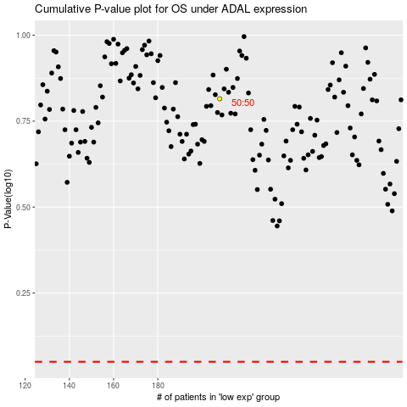

 |  |  |  |  |  | cases_OS | p_OS | rank | exp
 |  |  |  |  |  |  | cases_RFS | p_RFS | rank | exp

