ADAM11 _multivariate
Reported by Tex Li-Hsing Chi. tex@gate.sinica.edu.tw 2019-08-22

Table 2. The clinicopathological features of HNSCC cohort and ADAM11 expression. (Chi square test)
Cutoff at -0.218 (50.0%)
 |  | ADAM11 expression |  | ADAM11 expression |  | (Optimised)
 | Features | Low | (%) | High | (%) | Case no | P-value | Remark | Matthews
Gender | Female | 149 | 35.9 | 157 | 37.8 | 415 | 0.4848 | 0 | 0
2 | Male | 58 | 14 | 51 | 12.3
Age at diagnosis | <=65y | 136 | 32.8 | 138 | 33.3 | 415 | 0.9719 | 0 | 0
4 | >65y | 71 | 17.1 | 70 | 16.9
Clinical T Status | T1+T2 | 86 | 20.7 | 63 | 15.2 | 415 | 0.0221 | 1 | 0
6 | T3+T4 | 121 | 29.2 | 145 | 34.9
Clinical N Status | N0 | 100 | 24.1 | 116 | 28 | 415 | 0.1548 | 0 | 0
8 | N1-3 | 107 | 25.8 | 92 | 22.2
Clinical M Status | M0 | 204 | 49.2 | 208 | 50.1 | 415 | 0.1232 | 0 | 0
10 | M1 | 3 | 0.7 | 0 | 0
Clinical Stage | Stage I+II | 57 | 13.7 | 45 | 10.8 | 415 | 0.1998 | 0 | 0
12 | Stage III+IV | 150 | 36.1 | 163 | 39.3
Surgical Margin status | Negative | 164 | 39.5 | 154 | 37.1 | 415 | 0.2462 | 0 | 0
14 | Positive | 43 | 10.4 | 54 | 13
Tobacco Exposure | Low | 91 | 21.9 | 70 | 16.9 | 415 | 0.0346 | 1 | 0
16 | High | 116 | 28 | 138 | 33.3

Table 3. Univariate/Multivariate Cox's proportional hazards regression analyses on OS time of ADAM11 gene expression in HNSCC

 |  | Univariate |  |  |  | Multivariate
 | Features | HR | CI95%(L) | CI95%(H) | P-value | HR | CI95%(L) | CI95%(H) | P-value
1 | Female | 1 |  |  |  | 1
Gender | Male | 1.157 | 0.843 | 1.587 | 0.367 | 1.206 | 0.864 | 1.684 | 0.271
11 | <=65y | 1 |  |  |  | 1
Age at diagnosis | >65y | 1.329 | 0.99 | 1.784 | 0.058 | 1.411 | 1.037 | 1.919 | 0.028
12 | T1+T2 | 1 |  |  |  | 1
Clinical T Status | T3+T4 | 1.409 | 1.028 | 1.931 | 0.033 | 2.249 | 1.188 | 4.257 | 0.013
13 | N0 | 1 |  |  |  | 1
Clinical N Status | N1-3 | 1.185 | 0.89 | 1.577 | 0.246 | 1.2 | 0.838 | 1.72 | 0.319
14 | M0 | 1 |  |  |  | 1
Clinical M Status | M1 | 4.097 | 1.009 | 16.644 | 0.049 | 8.93 | 1.943 | 41.039 | 0.005
15 | Stage I+II | 1 |  |  |  | 1
Clinical Stage | Stage III+IV | 1.245 | 0.882 | 1.759 | 0.213 | 0.514 | 0.24 | 1.105 | 0.088
16 | Negative | 1 |  |  |  | 1
Surgical Margin status | Positive | 1.591 | 1.155 | 2.191 | 0.004 | 1.708 | 1.233 | 2.366 | 0.001
17 | Low | 1 |  |  |  | 1
Tobacco Exposure | High | 1.364 | 1.008 | 1.844 | 0.044 | 1.483 | 1.074 | 2.048 | 0.017
18 | Low | 1 |  |  |  | 1
RNAseq(z-score) | High | 0.934 | 0.701 | 1.244 | 0.641 | 0.84 | 0.623 | 1.132 | 0.252

Table 4. Univariate/Multivariate Cox's proportional hazards regression analyses on RFS time of ADAM11 gene expression in HNSCC

 |  | Univariate |  |  |  | Multivariate
 | Features | HR | CI95%(L) | CI95%(H) | P-value | HR | CI95%(L) | CI95%(H) | P-value
1 | Female | 1 |  |  |  | 1
Gender | Male | 1.157 | 0.843 | 1.587 | 0.367 | 1.206 | 0.864 | 1.684 | 0.271
11 | <=65y | 1 |  |  |  | 1
Age at diagnosis | >65y | 1.329 | 0.99 | 1.784 | 0.058 | 1.411 | 1.037 | 1.919 | 0.028
12 | T1+T2 | 1 |  |  |  | 1
Clinical T Status | T3+T4 | 1.409 | 1.028 | 1.931 | 0.033 | 2.249 | 1.188 | 4.257 | 0.013
13 | N0 | 1 |  |  |  | 1
Clinical N Status | N1-3 | 1.185 | 0.89 | 1.577 | 0.246 | 1.2 | 0.838 | 1.72 | 0.319
14 | M0 | 1 |  |  |  | 1
Clinical M Status | M1 | 4.097 | 1.009 | 16.644 | 0.049 | 8.93 | 1.943 | 41.039 | 0.005
15 | Stage I+II | 1 |  |  |  | 1
Clinical Stage | Stage III+IV | 1.245 | 0.882 | 1.759 | 0.213 | 0.514 | 0.24 | 1.105 | 0.088
16 | Negative | 1 |  |  |  | 1
Surgical Margin status | Positive | 1.591 | 1.155 | 2.191 | 0.004 | 1.708 | 1.233 | 2.366 | 0.001
17 | Low | 1 |  |  |  | 1
Tobacco Exposure | High | 1.364 | 1.008 | 1.844 | 0.044 | 1.483 | 1.074 | 2.048 | 0.017
18 | Low | 1 |  |  |  | 1
RNAseq(z-score) | High | 0.934 | 0.701 | 1.244 | 0.641 | 0.84 | 0.623 | 1.132 | 0.252

Kaplan-Meier survival estimate: Cutoff at -0.218 (50.0%)



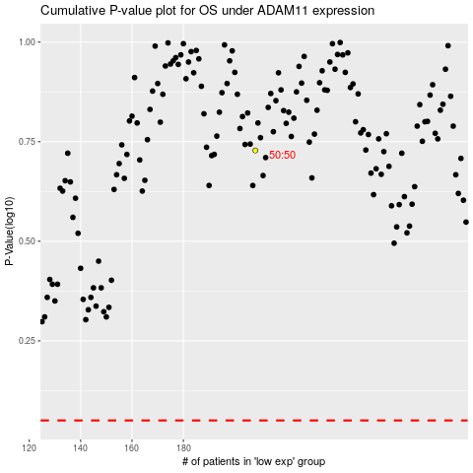

 |  |  |  |  |  | cases_OS | p_OS | rank | exp
 |  |  |  |  |  |  | cases_RFS | p_RFS | rank | exp

