ADAM12 _multivariate
Reported by Tex Li-Hsing Chi. tex@gate.sinica.edu.tw 2019-08-22

Table 2. The clinicopathological features of HNSCC cohort and ADAM12 expression. (Chi square test)
Cutoff at -0.237 (49.8%)
 |  | ADAM12 expression |  | ADAM12 expression |  | (Optimised)
 | Features | Low | (%) | High | (%) | Case no | P-value | Remark | Matthews
Gender | Female | 152 | 36.6 | 154 | 37.1 | 415 | 0.9766 | 0 | 0
2 | Male | 55 | 13.3 | 54 | 13
Age at diagnosis | <=65y | 143 | 34.5 | 131 | 31.6 | 415 | 0.2269 | 0 | 0
4 | >65y | 64 | 15.4 | 77 | 18.6
Clinical T Status | T1+T2 | 75 | 18.1 | 74 | 17.8 | 415 | 0.9707 | 0 | 0
6 | T3+T4 | 132 | 31.8 | 134 | 32.3
Clinical N Status | N0 | 107 | 25.8 | 109 | 26.3 | 415 | 0.9624 | 0 | 0
8 | N1-3 | 100 | 24.1 | 99 | 23.9
Clinical M Status | M0 | 204 | 49.2 | 208 | 50.1 | 415 | 0.1232 | 0 | 0
10 | M1 | 3 | 0.7 | 0 | 0
Clinical Stage | Stage I+II | 48 | 11.6 | 54 | 13 | 415 | 0.5878 | 0 | 0
12 | Stage III+IV | 159 | 38.3 | 154 | 37.1
Surgical Margin status | Negative | 161 | 38.8 | 157 | 37.8 | 415 | 0.6429 | 0 | 0
14 | Positive | 46 | 11.1 | 51 | 12.3
Tobacco Exposure | Low | 87 | 21 | 74 | 17.8 | 415 | 0.1911 | 0 | 0
16 | High | 120 | 28.9 | 134 | 32.3

Table 3. Univariate/Multivariate Cox's proportional hazards regression analyses on OS time of ADAM12 gene expression in HNSCC

 |  | Univariate |  |  |  | Multivariate
 | Features | HR | CI95%(L) | CI95%(H) | P-value | HR | CI95%(L) | CI95%(H) | P-value
1 | Female | 1 |  |  |  | 1
Gender | Male | 1.157 | 0.843 | 1.587 | 0.367 | 1.203 | 0.861 | 1.68 | 0.279
11 | <=65y | 1 |  |  |  | 1
Age at diagnosis | >65y | 1.329 | 0.99 | 1.784 | 0.058 | 1.39 | 1.022 | 1.89 | 0.036
12 | T1+T2 | 1 |  |  |  | 1
Clinical T Status | T3+T4 | 1.409 | 1.028 | 1.931 | 0.033 | 2.189 | 1.157 | 4.141 | 0.016
13 | N0 | 1 |  |  |  | 1
Clinical N Status | N1-3 | 1.185 | 0.89 | 1.577 | 0.246 | 1.238 | 0.868 | 1.767 | 0.239
14 | M0 | 1 |  |  |  | 1
Clinical M Status | M1 | 4.097 | 1.009 | 16.644 | 0.049 | 9.646 | 2.093 | 44.449 | 0.004
15 | Stage I+II | 1 |  |  |  | 1
Clinical Stage | Stage III+IV | 1.245 | 0.882 | 1.759 | 0.213 | 0.51 | 0.237 | 1.095 | 0.084
16 | Negative | 1 |  |  |  | 1
Surgical Margin status | Positive | 1.591 | 1.155 | 2.191 | 0.004 | 1.671 | 1.21 | 2.309 | 0.002
17 | Low | 1 |  |  |  | 1
Tobacco Exposure | High | 1.364 | 1.008 | 1.844 | 0.044 | 1.449 | 1.052 | 1.998 | 0.023
18 | Low | 1 |  |  |  | 1
RNAseq(z-score) | High | 1.067 | 0.801 | 1.422 | 0.659 | 1.06 | 0.792 | 1.418 | 0.695

Table 4. Univariate/Multivariate Cox's proportional hazards regression analyses on RFS time of ADAM12 gene expression in HNSCC

 |  | Univariate |  |  |  | Multivariate
 | Features | HR | CI95%(L) | CI95%(H) | P-value | HR | CI95%(L) | CI95%(H) | P-value
1 | Female | 1 |  |  |  | 1
Gender | Male | 1.157 | 0.843 | 1.587 | 0.367 | 1.203 | 0.861 | 1.68 | 0.279
11 | <=65y | 1 |  |  |  | 1
Age at diagnosis | >65y | 1.329 | 0.99 | 1.784 | 0.058 | 1.39 | 1.022 | 1.89 | 0.036
12 | T1+T2 | 1 |  |  |  | 1
Clinical T Status | T3+T4 | 1.409 | 1.028 | 1.931 | 0.033 | 2.189 | 1.157 | 4.141 | 0.016
13 | N0 | 1 |  |  |  | 1
Clinical N Status | N1-3 | 1.185 | 0.89 | 1.577 | 0.246 | 1.238 | 0.868 | 1.767 | 0.239
14 | M0 | 1 |  |  |  | 1
Clinical M Status | M1 | 4.097 | 1.009 | 16.644 | 0.049 | 9.646 | 2.093 | 44.449 | 0.004
15 | Stage I+II | 1 |  |  |  | 1
Clinical Stage | Stage III+IV | 1.245 | 0.882 | 1.759 | 0.213 | 0.51 | 0.237 | 1.095 | 0.084
16 | Negative | 1 |  |  |  | 1
Surgical Margin status | Positive | 1.591 | 1.155 | 2.191 | 0.004 | 1.671 | 1.21 | 2.309 | 0.002
17 | Low | 1 |  |  |  | 1
Tobacco Exposure | High | 1.364 | 1.008 | 1.844 | 0.044 | 1.449 | 1.052 | 1.998 | 0.023
18 | Low | 1 |  |  |  | 1
RNAseq(z-score) | High | 1.067 | 0.801 | 1.422 | 0.659 | 1.06 | 0.792 | 1.418 | 0.695

Kaplan-Meier survival estimate: Cutoff at -0.237 (49.8%)



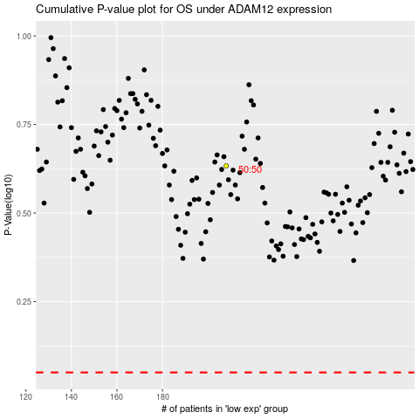

 |  |  |  |  |  | cases_OS | p_OS | rank | exp
 |  |  |  |  |  |  | cases_RFS | p_RFS | rank | exp

