ADAM15 _multivariate
Reported by Tex Li-Hsing Chi. tex@gate.sinica.edu.tw 2019-08-22

Table 2. The clinicopathological features of HNSCC cohort and ADAM15 expression. (Chi square test)
Cutoff at -0.24 (50.0%)
 |  | ADAM15 expression |  | ADAM15 expression |  | (Optimised)
 | Features | Low | (%) | High | (%) | Case no | P-value | Remark | Matthews
Gender | Female | 154 | 37.1 | 152 | 36.6 | 415 | 0.8463 | 0 | 0
2 | Male | 53 | 12.8 | 56 | 13.5
Age at diagnosis | <=65y | 137 | 33 | 137 | 33 | 415 | 1 | 0 | 0
4 | >65y | 70 | 16.9 | 71 | 17.1
Clinical T Status | T1+T2 | 90 | 21.7 | 59 | 14.2 | 415 | 0.0019 | 1 | 0
6 | T3+T4 | 117 | 28.2 | 149 | 35.9
Clinical N Status | N0 | 103 | 24.8 | 113 | 27.2 | 415 | 0.4047 | 0 | 0
8 | N1-3 | 104 | 25.1 | 95 | 22.9
Clinical M Status | M0 | 205 | 49.4 | 207 | 49.9 | 415 | 0.6232 | 0 | 0
10 | M1 | 2 | 0.5 | 1 | 0.2
Clinical Stage | Stage I+II | 65 | 15.7 | 37 | 8.9 | 415 | 0.0019 | 1 | 0
12 | Stage III+IV | 142 | 34.2 | 171 | 41.2
Surgical Margin status | Negative | 157 | 37.8 | 161 | 38.8 | 415 | 0.729 | 0 | 0
14 | Positive | 50 | 12 | 47 | 11.3
Tobacco Exposure | Low | 87 | 21 | 74 | 17.8 | 415 | 0.1911 | 0 | 0
16 | High | 120 | 28.9 | 134 | 32.3

Table 3. Univariate/Multivariate Cox's proportional hazards regression analyses on OS time of ADAM15 gene expression in HNSCC

 |  | Univariate |  |  |  | Multivariate
 | Features | HR | CI95%(L) | CI95%(H) | P-value | HR | CI95%(L) | CI95%(H) | P-value
1 | Female | 1 |  |  |  | 1
Gender | Male | 1.157 | 0.843 | 1.587 | 0.367 | 1.208 | 0.863 | 1.69 | 0.271
11 | <=65y | 1 |  |  |  | 1
Age at diagnosis | >65y | 1.329 | 0.99 | 1.784 | 0.058 | 1.392 | 1.024 | 1.892 | 0.035
12 | T1+T2 | 1 |  |  |  | 1
Clinical T Status | T3+T4 | 1.409 | 1.028 | 1.931 | 0.033 | 2.207 | 1.167 | 4.173 | 0.015
13 | N0 | 1 |  |  |  | 1
Clinical N Status | N1-3 | 1.185 | 0.89 | 1.577 | 0.246 | 1.233 | 0.862 | 1.764 | 0.251
14 | M0 | 1 |  |  |  | 1
Clinical M Status | M1 | 4.097 | 1.009 | 16.644 | 0.049 | 9.325 | 2.032 | 42.796 | 0.004
15 | Stage I+II | 1 |  |  |  | 1
Clinical Stage | Stage III+IV | 1.245 | 0.882 | 1.759 | 0.213 | 0.51 | 0.237 | 1.099 | 0.086
16 | Negative | 1 |  |  |  | 1
Surgical Margin status | Positive | 1.591 | 1.155 | 2.191 | 0.004 | 1.673 | 1.211 | 2.312 | 0.002
17 | Low | 1 |  |  |  | 1
Tobacco Exposure | High | 1.364 | 1.008 | 1.844 | 0.044 | 1.457 | 1.057 | 2.009 | 0.021
18 | Low | 1 |  |  |  | 1
RNAseq(z-score) | High | 1.017 | 0.763 | 1.354 | 0.91 | 0.958 | 0.713 | 1.289 | 0.779

Table 4. Univariate/Multivariate Cox's proportional hazards regression analyses on RFS time of ADAM15 gene expression in HNSCC

 |  | Univariate |  |  |  | Multivariate
 | Features | HR | CI95%(L) | CI95%(H) | P-value | HR | CI95%(L) | CI95%(H) | P-value
1 | Female | 1 |  |  |  | 1
Gender | Male | 1.157 | 0.843 | 1.587 | 0.367 | 1.208 | 0.863 | 1.69 | 0.271
11 | <=65y | 1 |  |  |  | 1
Age at diagnosis | >65y | 1.329 | 0.99 | 1.784 | 0.058 | 1.392 | 1.024 | 1.892 | 0.035
12 | T1+T2 | 1 |  |  |  | 1
Clinical T Status | T3+T4 | 1.409 | 1.028 | 1.931 | 0.033 | 2.207 | 1.167 | 4.173 | 0.015
13 | N0 | 1 |  |  |  | 1
Clinical N Status | N1-3 | 1.185 | 0.89 | 1.577 | 0.246 | 1.233 | 0.862 | 1.764 | 0.251
14 | M0 | 1 |  |  |  | 1
Clinical M Status | M1 | 4.097 | 1.009 | 16.644 | 0.049 | 9.325 | 2.032 | 42.796 | 0.004
15 | Stage I+II | 1 |  |  |  | 1
Clinical Stage | Stage III+IV | 1.245 | 0.882 | 1.759 | 0.213 | 0.51 | 0.237 | 1.099 | 0.086
16 | Negative | 1 |  |  |  | 1
Surgical Margin status | Positive | 1.591 | 1.155 | 2.191 | 0.004 | 1.673 | 1.211 | 2.312 | 0.002
17 | Low | 1 |  |  |  | 1
Tobacco Exposure | High | 1.364 | 1.008 | 1.844 | 0.044 | 1.457 | 1.057 | 2.009 | 0.021
18 | Low | 1 |  |  |  | 1
RNAseq(z-score) | High | 1.017 | 0.763 | 1.354 | 0.91 | 0.958 | 0.713 | 1.289 | 0.779

Kaplan-Meier survival estimate: Cutoff at -0.24 (50.0%)



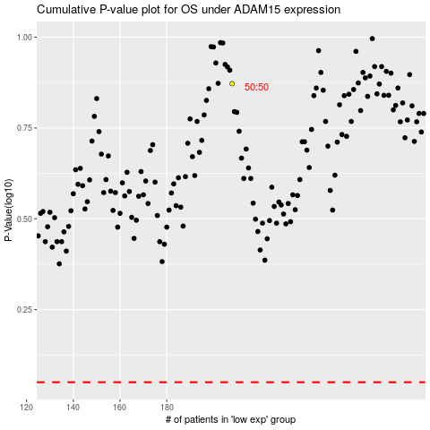

 |  |  |  |  |  | cases_OS | p_OS | rank | exp
 |  |  |  |  |  |  | cases_RFS | p_RFS | rank | exp

