ADAM19 _multivariate
Reported by Tex Li-Hsing Chi. tex@gate.sinica.edu.tw 2019-08-22

Table 2. The clinicopathological features of HNSCC cohort and ADAM19 expression. (Chi square test)
Cutoff at -0.232 (50.0%)
 |  | ADAM19 expression |  | ADAM19 expression |  | (Optimised)
 | Features | Low | (%) | High | (%) | Case no | P-value | Remark | Matthews
Gender | Female | 159 | 38.3 | 147 | 35.4 | 415 | 0.1905 | 0 | 0
2 | Male | 48 | 11.6 | 61 | 14.7
Age at diagnosis | <=65y | 142 | 34.2 | 132 | 31.8 | 415 | 0.3167 | 0 | 0
4 | >65y | 65 | 15.7 | 76 | 18.3
Clinical T Status | T1+T2 | 62 | 14.9 | 87 | 21 | 415 | 0.0156 | 1 | 0
6 | T3+T4 | 145 | 34.9 | 121 | 29.2
Clinical N Status | N0 | 111 | 26.7 | 105 | 25.3 | 415 | 0.5875 | 0 | 0
8 | N1-3 | 96 | 23.1 | 103 | 24.8
Clinical M Status | M0 | 205 | 49.4 | 207 | 49.9 | 415 | 0.6232 | 0 | 0
10 | M1 | 2 | 0.5 | 1 | 0.2
Clinical Stage | Stage I+II | 42 | 10.1 | 60 | 14.5 | 415 | 0.0561 | 0 | 0
12 | Stage III+IV | 165 | 39.8 | 148 | 35.7
Surgical Margin status | Negative | 161 | 38.8 | 157 | 37.8 | 415 | 0.6429 | 0 | 0
14 | Positive | 46 | 11.1 | 51 | 12.3
Tobacco Exposure | Low | 75 | 18.1 | 86 | 20.7 | 415 | 0.3141 | 0 | 0
16 | High | 132 | 31.8 | 122 | 29.4

Table 3. Univariate/Multivariate Cox's proportional hazards regression analyses on OS time of ADAM19 gene expression in HNSCC

 |  | Univariate |  |  |  | Multivariate
 | Features | HR | CI95%(L) | CI95%(H) | P-value | HR | CI95%(L) | CI95%(H) | P-value
1 | Female | 1 |  |  |  | 1
Gender | Male | 1.157 | 0.843 | 1.587 | 0.367 | 1.202 | 0.86 | 1.679 | 0.281
11 | <=65y | 1 |  |  |  | 1
Age at diagnosis | >65y | 1.329 | 0.99 | 1.784 | 0.058 | 1.392 | 1.024 | 1.892 | 0.035
12 | T1+T2 | 1 |  |  |  | 1
Clinical T Status | T3+T4 | 1.409 | 1.028 | 1.931 | 0.033 | 2.203 | 1.164 | 4.17 | 0.015
13 | N0 | 1 |  |  |  | 1
Clinical N Status | N1-3 | 1.185 | 0.89 | 1.577 | 0.246 | 1.241 | 0.869 | 1.771 | 0.235
14 | M0 | 1 |  |  |  | 1
Clinical M Status | M1 | 4.097 | 1.009 | 16.644 | 0.049 | 9.41 | 2.043 | 43.333 | 0.004
15 | Stage I+II | 1 |  |  |  | 1
Clinical Stage | Stage III+IV | 1.245 | 0.882 | 1.759 | 0.213 | 0.505 | 0.235 | 1.084 | 0.08
16 | Negative | 1 |  |  |  | 1
Surgical Margin status | Positive | 1.591 | 1.155 | 2.191 | 0.004 | 1.672 | 1.21 | 2.31 | 0.002
17 | Low | 1 |  |  |  | 1
Tobacco Exposure | High | 1.364 | 1.008 | 1.844 | 0.044 | 1.453 | 1.054 | 2.003 | 0.022
18 | Low | 1 |  |  |  | 1
RNAseq(z-score) | High | 0.945 | 0.71 | 1.26 | 0.702 | 1.001 | 0.746 | 1.343 | 0.995

Table 4. Univariate/Multivariate Cox's proportional hazards regression analyses on RFS time of ADAM19 gene expression in HNSCC

 |  | Univariate |  |  |  | Multivariate
 | Features | HR | CI95%(L) | CI95%(H) | P-value | HR | CI95%(L) | CI95%(H) | P-value
1 | Female | 1 |  |  |  | 1
Gender | Male | 1.157 | 0.843 | 1.587 | 0.367 | 1.202 | 0.86 | 1.679 | 0.281
11 | <=65y | 1 |  |  |  | 1
Age at diagnosis | >65y | 1.329 | 0.99 | 1.784 | 0.058 | 1.392 | 1.024 | 1.892 | 0.035
12 | T1+T2 | 1 |  |  |  | 1
Clinical T Status | T3+T4 | 1.409 | 1.028 | 1.931 | 0.033 | 2.203 | 1.164 | 4.17 | 0.015
13 | N0 | 1 |  |  |  | 1
Clinical N Status | N1-3 | 1.185 | 0.89 | 1.577 | 0.246 | 1.241 | 0.869 | 1.771 | 0.235
14 | M0 | 1 |  |  |  | 1
Clinical M Status | M1 | 4.097 | 1.009 | 16.644 | 0.049 | 9.41 | 2.043 | 43.333 | 0.004
15 | Stage I+II | 1 |  |  |  | 1
Clinical Stage | Stage III+IV | 1.245 | 0.882 | 1.759 | 0.213 | 0.505 | 0.235 | 1.084 | 0.08
16 | Negative | 1 |  |  |  | 1
Surgical Margin status | Positive | 1.591 | 1.155 | 2.191 | 0.004 | 1.672 | 1.21 | 2.31 | 0.002
17 | Low | 1 |  |  |  | 1
Tobacco Exposure | High | 1.364 | 1.008 | 1.844 | 0.044 | 1.453 | 1.054 | 2.003 | 0.022
18 | Low | 1 |  |  |  | 1
RNAseq(z-score) | High | 0.945 | 0.71 | 1.26 | 0.702 | 1.001 | 0.746 | 1.343 | 0.995

Kaplan-Meier survival estimate: Cutoff at -0.232 (50.0%)



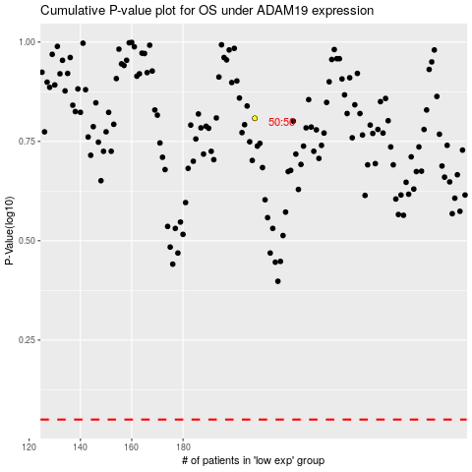

 |  |  |  |  |  | cases_OS | p_OS | rank | exp
 |  |  |  |  |  |  | cases_RFS | p_RFS | rank | exp

