ADAM32 _multivariate
Reported by Tex Li-Hsing Chi. tex@gate.sinica.edu.tw 2019-08-22

Table 2. The clinicopathological features of HNSCC cohort and ADAM32 expression. (Chi square test)
Cutoff at -0.118 (63.3%)
 |  | ADAM32 expression |  | ADAM32 expression |  | (Optimised)
 | Features | Low | (%) | High | (%) | Case no | P-value | Remark | Matthews
Gender | Female | 187 | 45.1 | 119 | 28.7 | 415 | 0.137 | 0 | 0
2 | Male | 76 | 18.3 | 33 | 8
Age at diagnosis | <=65y | 174 | 41.9 | 100 | 24.1 | 415 | 1 | 0 | 0
4 | >65y | 89 | 21.4 | 52 | 12.5
Clinical T Status | T1+T2 | 85 | 20.5 | 64 | 15.4 | 415 | 0.058 | 0 | 0
6 | T3+T4 | 178 | 42.9 | 88 | 21.2
Clinical N Status | N0 | 137 | 33 | 79 | 19 | 415 | 1 | 0 | 0
8 | N1-3 | 126 | 30.4 | 73 | 17.6
Clinical M Status | M0 | 262 | 63.1 | 150 | 36.1 | 415 | 0.5572 | 0 | 0
10 | M1 | 1 | 0.2 | 2 | 0.5
Clinical Stage | Stage I+II | 61 | 14.7 | 41 | 9.9 | 415 | 0.4573 | 0 | 0
12 | Stage III+IV | 202 | 48.7 | 111 | 26.7
Surgical Margin status | Negative | 202 | 48.7 | 116 | 28 | 415 | 0.9048 | 0 | 0
14 | Positive | 61 | 14.7 | 36 | 8.7
Tobacco Exposure | Low | 114 | 27.5 | 47 | 11.3 | 415 | 0.0124 | 1 | 0
16 | High | 149 | 35.9 | 105 | 25.3

Table 3. Univariate/Multivariate Cox's proportional hazards regression analyses on OS time of ADAM32 gene expression in HNSCC

 |  | Univariate |  |  |  | Multivariate
 | Features | HR | CI95%(L) | CI95%(H) | P-value | HR | CI95%(L) | CI95%(H) | P-value
1 | Female | 1 |  |  |  | 1
Gender | Male | 1.157 | 0.843 | 1.587 | 0.367 | 1.158 | 0.827 | 1.621 | 0.392
11 | <=65y | 1 |  |  |  | 1
Age at diagnosis | >65y | 1.329 | 0.99 | 1.784 | 0.058 | 1.427 | 1.048 | 1.943 | 0.024
12 | T1+T2 | 1 |  |  |  | 1
Clinical T Status | T3+T4 | 1.409 | 1.028 | 1.931 | 0.033 | 2.139 | 1.131 | 4.048 | 0.019
13 | N0 | 1 |  |  |  | 1
Clinical N Status | N1-3 | 1.185 | 0.89 | 1.577 | 0.246 | 1.269 | 0.888 | 1.812 | 0.191
14 | M0 | 1 |  |  |  | 1
Clinical M Status | M1 | 4.097 | 1.009 | 16.644 | 0.049 | 9.907 | 2.158 | 45.484 | 0.003
15 | Stage I+II | 1 |  |  |  | 1
Clinical Stage | Stage III+IV | 1.245 | 0.882 | 1.759 | 0.213 | 0.512 | 0.238 | 1.102 | 0.087
16 | Negative | 1 |  |  |  | 1
Surgical Margin status | Positive | 1.591 | 1.155 | 2.191 | 0.004 | 1.674 | 1.212 | 2.314 | 0.002
17 | Low | 1 |  |  |  | 1
Tobacco Exposure | High | 1.364 | 1.008 | 1.844 | 0.044 | 1.516 | 1.098 | 2.093 | 0.012
18 | Low | 1 |  |  |  | 1
RNAseq(z-score) | High | 0.726 | 0.53 | 0.995 | 0.046 | 0.7 | 0.508 | 0.964 | 0.029

Table 4. Univariate/Multivariate Cox's proportional hazards regression analyses on RFS time of ADAM32 gene expression in HNSCC

 |  | Univariate |  |  |  | Multivariate
 | Features | HR | CI95%(L) | CI95%(H) | P-value | HR | CI95%(L) | CI95%(H) | P-value
1 | Female | 1 |  |  |  | 1
Gender | Male | 1.157 | 0.843 | 1.587 | 0.367 | 1.158 | 0.827 | 1.621 | 0.392
11 | <=65y | 1 |  |  |  | 1
Age at diagnosis | >65y | 1.329 | 0.99 | 1.784 | 0.058 | 1.427 | 1.048 | 1.943 | 0.024
12 | T1+T2 | 1 |  |  |  | 1
Clinical T Status | T3+T4 | 1.409 | 1.028 | 1.931 | 0.033 | 2.139 | 1.131 | 4.048 | 0.019
13 | N0 | 1 |  |  |  | 1
Clinical N Status | N1-3 | 1.185 | 0.89 | 1.577 | 0.246 | 1.269 | 0.888 | 1.812 | 0.191
14 | M0 | 1 |  |  |  | 1
Clinical M Status | M1 | 4.097 | 1.009 | 16.644 | 0.049 | 9.907 | 2.158 | 45.484 | 0.003
15 | Stage I+II | 1 |  |  |  | 1
Clinical Stage | Stage III+IV | 1.245 | 0.882 | 1.759 | 0.213 | 0.512 | 0.238 | 1.102 | 0.087
16 | Negative | 1 |  |  |  | 1
Surgical Margin status | Positive | 1.591 | 1.155 | 2.191 | 0.004 | 1.674 | 1.212 | 2.314 | 0.002
17 | Low | 1 |  |  |  | 1
Tobacco Exposure | High | 1.364 | 1.008 | 1.844 | 0.044 | 1.516 | 1.098 | 2.093 | 0.012
18 | Low | 1 |  |  |  | 1
RNAseq(z-score) | High | 0.726 | 0.53 | 0.995 | 0.046 | 0.7 | 0.508 | 0.964 | 0.029

Kaplan-Meier survival estimate: Cutoff at -0.118 (63.3%)



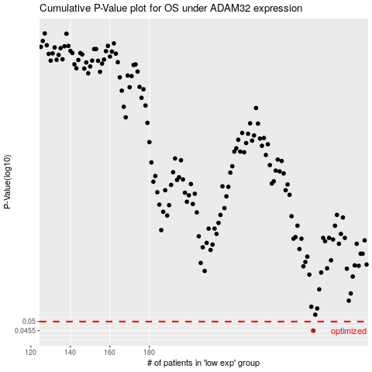

 |  |  |  |  |  | cases_OS | p_OS | rank | exp
 |  |  |  |  |  | 263 | 0.0455 | 17 | -0.11819756917
 |  |  |  |  |  |  | cases_RFS | p_RFS | rank | exp
 |  |  |  |  |  |  | 262 | 0.0455 | 163 | -0.12022914139

