ADAM8 _multivariate
Reported by Tex Li-Hsing Chi. tex@gate.sinica.edu.tw 2019-08-22

Table 2. The clinicopathological features of HNSCC cohort and ADAM8 expression. (Chi square test)
Cutoff at -0.218 (50.0%)
 |  | ADAM8 expression |  | ADAM8 expression |  | (Optimised)
 | Features | Low | (%) | High | (%) | Case no | P-value | Remark | Matthews
Gender | Female | 155 | 37.3 | 151 | 36.4 | 415 | 0.6768 | 0 | 0
2 | Male | 52 | 12.5 | 57 | 13.7
Age at diagnosis | <=65y | 142 | 34.2 | 132 | 31.8 | 415 | 0.3167 | 0 | 0
4 | >65y | 65 | 15.7 | 76 | 18.3
Clinical T Status | T1+T2 | 78 | 18.8 | 71 | 17.1 | 415 | 0.5152 | 0 | 0
6 | T3+T4 | 129 | 31.1 | 137 | 33
Clinical N Status | N0 | 117 | 28.2 | 99 | 23.9 | 415 | 0.0852 | 1 | 0
8 | N1-3 | 90 | 21.7 | 109 | 26.3
Clinical M Status | M0 | 206 | 49.6 | 206 | 49.6 | 415 | 1 | 0 | 0
10 | M1 | 1 | 0.2 | 2 | 0.5
Clinical Stage | Stage I+II | 56 | 13.5 | 46 | 11.1 | 415 | 0.2918 | 0 | 0
12 | Stage III+IV | 151 | 36.4 | 162 | 39
Surgical Margin status | Negative | 159 | 38.3 | 159 | 38.3 | 415 | 1 | 0 | 0
14 | Positive | 48 | 11.6 | 49 | 11.8
Tobacco Exposure | Low | 79 | 19 | 82 | 19.8 | 415 | 0.8405 | 0 | 0
16 | High | 128 | 30.8 | 126 | 30.4

Table 3. Univariate/Multivariate Cox's proportional hazards regression analyses on OS time of ADAM8 gene expression in HNSCC

 |  | Univariate |  |  |  | Multivariate
 | Features | HR | CI95%(L) | CI95%(H) | P-value | HR | CI95%(L) | CI95%(H) | P-value
1 | Female | 1 |  |  |  | 1
Gender | Male | 1.157 | 0.843 | 1.587 | 0.367 | 1.201 | 0.86 | 1.679 | 0.283
11 | <=65y | 1 |  |  |  | 1
Age at diagnosis | >65y | 1.329 | 0.99 | 1.784 | 0.058 | 1.383 | 1.017 | 1.882 | 0.039
12 | T1+T2 | 1 |  |  |  | 1
Clinical T Status | T3+T4 | 1.409 | 1.028 | 1.931 | 0.033 | 2.205 | 1.166 | 4.168 | 0.015
13 | N0 | 1 |  |  |  | 1
Clinical N Status | N1-3 | 1.185 | 0.89 | 1.577 | 0.246 | 1.234 | 0.864 | 1.761 | 0.247
14 | M0 | 1 |  |  |  | 1
Clinical M Status | M1 | 4.097 | 1.009 | 16.644 | 0.049 | 9.001 | 1.959 | 41.348 | 0.005
15 | Stage I+II | 1 |  |  |  | 1
Clinical Stage | Stage III+IV | 1.245 | 0.882 | 1.759 | 0.213 | 0.504 | 0.235 | 1.082 | 0.079
16 | Negative | 1 |  |  |  | 1
Surgical Margin status | Positive | 1.591 | 1.155 | 2.191 | 0.004 | 1.665 | 1.205 | 2.301 | 0.002
17 | Low | 1 |  |  |  | 1
Tobacco Exposure | High | 1.364 | 1.008 | 1.844 | 0.044 | 1.451 | 1.053 | 2 | 0.023
18 | Low | 1 |  |  |  | 1
RNAseq(z-score) | High | 1.227 | 0.922 | 1.635 | 0.161 | 1.168 | 0.876 | 1.556 | 0.291

Table 4. Univariate/Multivariate Cox's proportional hazards regression analyses on RFS time of ADAM8 gene expression in HNSCC

 |  | Univariate |  |  |  | Multivariate
 | Features | HR | CI95%(L) | CI95%(H) | P-value | HR | CI95%(L) | CI95%(H) | P-value
1 | Female | 1 |  |  |  | 1
Gender | Male | 1.157 | 0.843 | 1.587 | 0.367 | 1.201 | 0.86 | 1.679 | 0.283
11 | <=65y | 1 |  |  |  | 1
Age at diagnosis | >65y | 1.329 | 0.99 | 1.784 | 0.058 | 1.383 | 1.017 | 1.882 | 0.039
12 | T1+T2 | 1 |  |  |  | 1
Clinical T Status | T3+T4 | 1.409 | 1.028 | 1.931 | 0.033 | 2.205 | 1.166 | 4.168 | 0.015
13 | N0 | 1 |  |  |  | 1
Clinical N Status | N1-3 | 1.185 | 0.89 | 1.577 | 0.246 | 1.234 | 0.864 | 1.761 | 0.247
14 | M0 | 1 |  |  |  | 1
Clinical M Status | M1 | 4.097 | 1.009 | 16.644 | 0.049 | 9.001 | 1.959 | 41.348 | 0.005
15 | Stage I+II | 1 |  |  |  | 1
Clinical Stage | Stage III+IV | 1.245 | 0.882 | 1.759 | 0.213 | 0.504 | 0.235 | 1.082 | 0.079
16 | Negative | 1 |  |  |  | 1
Surgical Margin status | Positive | 1.591 | 1.155 | 2.191 | 0.004 | 1.665 | 1.205 | 2.301 | 0.002
17 | Low | 1 |  |  |  | 1
Tobacco Exposure | High | 1.364 | 1.008 | 1.844 | 0.044 | 1.451 | 1.053 | 2 | 0.023
18 | Low | 1 |  |  |  | 1
RNAseq(z-score) | High | 1.227 | 0.922 | 1.635 | 0.161 | 1.168 | 0.876 | 1.556 | 0.291

Kaplan-Meier survival estimate: Cutoff at -0.218 (50.0%)



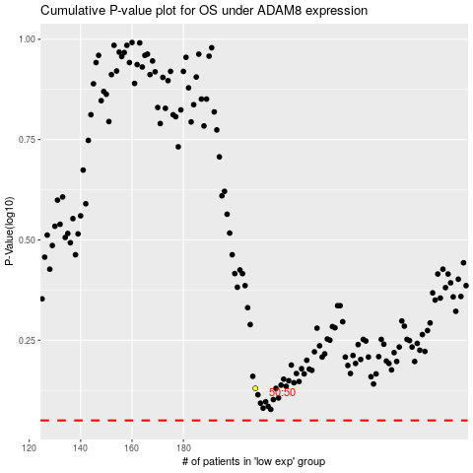

 |  |  |  |  |  | cases_OS | p_OS | rank | exp
 |  |  |  |  |  |  | cases_RFS | p_RFS | rank | exp

