ADAMDEC1 _multivariate
Reported by Tex Li-Hsing Chi. tex@gate.sinica.edu.tw 2019-08-22

Table 2. The clinicopathological features of HNSCC cohort and ADAMDEC1 expression. (Chi square test)
Cutoff at -0.371 (49.8%)
 |  | ADAMDEC1 expression |  | ADAMDEC1 expression |  | (Optimised)
 | Features | Low | (%) | High | (%) | Case no | P-value | Remark | Matthews
Gender | Female | 162 | 39 | 144 | 34.7 | 415 | 0.0479 | 1 | 0
2 | Male | 45 | 10.8 | 64 | 15.4
Age at diagnosis | <=65y | 141 | 34 | 133 | 32 | 415 | 0.4272 | 0 | 0
4 | >65y | 66 | 15.9 | 75 | 18.1
Clinical T Status | T1+T2 | 72 | 17.3 | 77 | 18.6 | 415 | 0.7095 | 0 | 0
6 | T3+T4 | 135 | 32.5 | 131 | 31.6
Clinical N Status | N0 | 121 | 29.2 | 95 | 22.9 | 415 | 0.0122 | 1 | 0
8 | N1-3 | 86 | 20.7 | 113 | 27.2
Clinical M Status | M0 | 205 | 49.4 | 207 | 49.9 | 415 | 0.6232 | 0 | 0
10 | M1 | 2 | 0.5 | 1 | 0.2
Clinical Stage | Stage I+II | 54 | 13 | 48 | 11.6 | 415 | 0.5498 | 0 | 0
12 | Stage III+IV | 153 | 36.9 | 160 | 38.6
Surgical Margin status | Negative | 157 | 37.8 | 161 | 38.8 | 415 | 0.729 | 0 | 0
14 | Positive | 50 | 12 | 47 | 11.3
Tobacco Exposure | Low | 81 | 19.5 | 80 | 19.3 | 415 | 0.9199 | 0 | 0
16 | High | 126 | 30.4 | 128 | 30.8

Table 3. Univariate/Multivariate Cox's proportional hazards regression analyses on OS time of ADAMDEC1 gene expression in HNSCC

 |  | Univariate |  |  |  | Multivariate
 | Features | HR | CI95%(L) | CI95%(H) | P-value | HR | CI95%(L) | CI95%(H) | P-value
1 | Female | 1 |  |  |  | 1
Gender | Male | 1.157 | 0.843 | 1.587 | 0.367 | 1.217 | 0.87 | 1.702 | 0.251
11 | <=65y | 1 |  |  |  | 1
Age at diagnosis | >65y | 1.329 | 0.99 | 1.784 | 0.058 | 1.398 | 1.029 | 1.899 | 0.032
12 | T1+T2 | 1 |  |  |  | 1
Clinical T Status | T3+T4 | 1.409 | 1.028 | 1.931 | 0.033 | 2.214 | 1.17 | 4.188 | 0.015
13 | N0 | 1 |  |  |  | 1
Clinical N Status | N1-3 | 1.185 | 0.89 | 1.577 | 0.246 | 1.278 | 0.892 | 1.829 | 0.181
14 | M0 | 1 |  |  |  | 1
Clinical M Status | M1 | 4.097 | 1.009 | 16.644 | 0.049 | 8.896 | 1.934 | 40.913 | 0.005
15 | Stage I+II | 1 |  |  |  | 1
Clinical Stage | Stage III+IV | 1.245 | 0.882 | 1.759 | 0.213 | 0.498 | 0.232 | 1.07 | 0.074
16 | Negative | 1 |  |  |  | 1
Surgical Margin status | Positive | 1.591 | 1.155 | 2.191 | 0.004 | 1.688 | 1.221 | 2.334 | 0.002
17 | Low | 1 |  |  |  | 1
Tobacco Exposure | High | 1.364 | 1.008 | 1.844 | 0.044 | 1.449 | 1.052 | 1.997 | 0.023
18 | Low | 1 |  |  |  | 1
RNAseq(z-score) | High | 0.879 | 0.66 | 1.172 | 0.38 | 0.843 | 0.629 | 1.129 | 0.251

Table 4. Univariate/Multivariate Cox's proportional hazards regression analyses on RFS time of ADAMDEC1 gene expression in HNSCC

 |  | Univariate |  |  |  | Multivariate
 | Features | HR | CI95%(L) | CI95%(H) | P-value | HR | CI95%(L) | CI95%(H) | P-value
1 | Female | 1 |  |  |  | 1
Gender | Male | 1.157 | 0.843 | 1.587 | 0.367 | 1.217 | 0.87 | 1.702 | 0.251
11 | <=65y | 1 |  |  |  | 1
Age at diagnosis | >65y | 1.329 | 0.99 | 1.784 | 0.058 | 1.398 | 1.029 | 1.899 | 0.032
12 | T1+T2 | 1 |  |  |  | 1
Clinical T Status | T3+T4 | 1.409 | 1.028 | 1.931 | 0.033 | 2.214 | 1.17 | 4.188 | 0.015
13 | N0 | 1 |  |  |  | 1
Clinical N Status | N1-3 | 1.185 | 0.89 | 1.577 | 0.246 | 1.278 | 0.892 | 1.829 | 0.181
14 | M0 | 1 |  |  |  | 1
Clinical M Status | M1 | 4.097 | 1.009 | 16.644 | 0.049 | 8.896 | 1.934 | 40.913 | 0.005
15 | Stage I+II | 1 |  |  |  | 1
Clinical Stage | Stage III+IV | 1.245 | 0.882 | 1.759 | 0.213 | 0.498 | 0.232 | 1.07 | 0.074
16 | Negative | 1 |  |  |  | 1
Surgical Margin status | Positive | 1.591 | 1.155 | 2.191 | 0.004 | 1.688 | 1.221 | 2.334 | 0.002
17 | Low | 1 |  |  |  | 1
Tobacco Exposure | High | 1.364 | 1.008 | 1.844 | 0.044 | 1.449 | 1.052 | 1.997 | 0.023
18 | Low | 1 |  |  |  | 1
RNAseq(z-score) | High | 0.879 | 0.66 | 1.172 | 0.38 | 0.843 | 0.629 | 1.129 | 0.251

Kaplan-Meier survival estimate: Cutoff at -0.371 (49.8%)



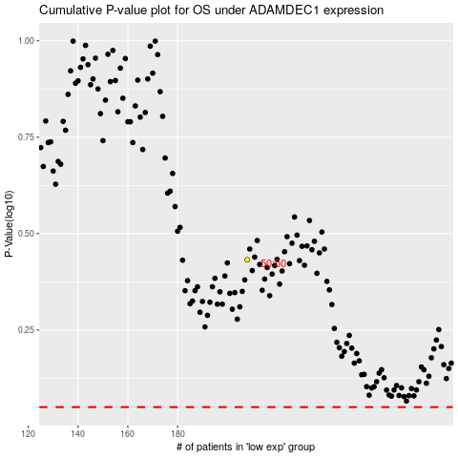

 |  |  |  |  |  | cases_OS | p_OS | rank | exp
 |  |  |  |  |  |  | cases_RFS | p_RFS | rank | exp

