ADAMTS13 _multivariate
Reported by Tex Li-Hsing Chi. tex@gate.sinica.edu.tw 2019-08-22

Table 2. The clinicopathological features of HNSCC cohort and ADAMTS13 expression. (Chi square test)
Cutoff at -0.285 (50.0%)
 |  | ADAMTS13 expression |  | ADAMTS13 expression |  | (Optimised)
 | Features | Low | (%) | High | (%) | Case no | P-value | Remark | Matthews
Gender | Female | 148 | 35.7 | 158 | 38.1 | 415 | 0.3567 | 0 | 0
2 | Male | 59 | 14.2 | 50 | 12
Age at diagnosis | <=65y | 150 | 36.1 | 124 | 29.9 | 415 | 0.0078 | 1 | 0
4 | >65y | 57 | 13.7 | 84 | 20.2
Clinical T Status | T1+T2 | 80 | 19.3 | 69 | 16.6 | 415 | 0.2891 | 0 | 0
6 | T3+T4 | 127 | 30.6 | 139 | 33.5
Clinical N Status | N0 | 107 | 25.8 | 109 | 26.3 | 415 | 0.9624 | 0 | 0
8 | N1-3 | 100 | 24.1 | 99 | 23.9
Clinical M Status | M0 | 206 | 49.6 | 206 | 49.6 | 415 | 1 | 0 | 0
10 | M1 | 1 | 0.2 | 2 | 0.5
Clinical Stage | Stage I+II | 59 | 14.2 | 43 | 10.4 | 415 | 0.0822 | 0 | 0
12 | Stage III+IV | 148 | 35.7 | 165 | 39.8
Surgical Margin status | Negative | 167 | 40.2 | 151 | 36.4 | 415 | 0.0632 | 0 | 0
14 | Positive | 40 | 9.6 | 57 | 13.7
Tobacco Exposure | Low | 84 | 20.2 | 77 | 18.6 | 415 | 0.4816 | 0 | 0
16 | High | 123 | 29.6 | 131 | 31.6

Table 3. Univariate/Multivariate Cox's proportional hazards regression analyses on OS time of ADAMTS13 gene expression in HNSCC

 |  | Univariate |  |  |  | Multivariate
 | Features | HR | CI95%(L) | CI95%(H) | P-value | HR | CI95%(L) | CI95%(H) | P-value
1 | Female | 1 |  |  |  | 1
Gender | Male | 1.157 | 0.843 | 1.587 | 0.367 | 1.204 | 0.861 | 1.682 | 0.278
11 | <=65y | 1 |  |  |  | 1
Age at diagnosis | >65y | 1.329 | 0.99 | 1.784 | 0.058 | 1.378 | 1.004 | 1.892 | 0.047
12 | T1+T2 | 1 |  |  |  | 1
Clinical T Status | T3+T4 | 1.409 | 1.028 | 1.931 | 0.033 | 2.21 | 1.168 | 4.182 | 0.015
13 | N0 | 1 |  |  |  | 1
Clinical N Status | N1-3 | 1.185 | 0.89 | 1.577 | 0.246 | 1.244 | 0.871 | 1.775 | 0.23
14 | M0 | 1 |  |  |  | 1
Clinical M Status | M1 | 4.097 | 1.009 | 16.644 | 0.049 | 9.386 | 2.047 | 43.029 | 0.004
15 | Stage I+II | 1 |  |  |  | 1
Clinical Stage | Stage III+IV | 1.245 | 0.882 | 1.759 | 0.213 | 0.5 | 0.232 | 1.077 | 0.077
16 | Negative | 1 |  |  |  | 1
Surgical Margin status | Positive | 1.591 | 1.155 | 2.191 | 0.004 | 1.669 | 1.208 | 2.307 | 0.002
17 | Low | 1 |  |  |  | 1
Tobacco Exposure | High | 1.364 | 1.008 | 1.844 | 0.044 | 1.448 | 1.049 | 1.998 | 0.024
18 | Low | 1 |  |  |  | 1
RNAseq(z-score) | High | 1.148 | 0.862 | 1.529 | 0.345 | 1.038 | 0.769 | 1.401 | 0.808

Table 4. Univariate/Multivariate Cox's proportional hazards regression analyses on RFS time of ADAMTS13 gene expression in HNSCC

 |  | Univariate |  |  |  | Multivariate
 | Features | HR | CI95%(L) | CI95%(H) | P-value | HR | CI95%(L) | CI95%(H) | P-value
1 | Female | 1 |  |  |  | 1
Gender | Male | 1.157 | 0.843 | 1.587 | 0.367 | 1.204 | 0.861 | 1.682 | 0.278
11 | <=65y | 1 |  |  |  | 1
Age at diagnosis | >65y | 1.329 | 0.99 | 1.784 | 0.058 | 1.378 | 1.004 | 1.892 | 0.047
12 | T1+T2 | 1 |  |  |  | 1
Clinical T Status | T3+T4 | 1.409 | 1.028 | 1.931 | 0.033 | 2.21 | 1.168 | 4.182 | 0.015
13 | N0 | 1 |  |  |  | 1
Clinical N Status | N1-3 | 1.185 | 0.89 | 1.577 | 0.246 | 1.244 | 0.871 | 1.775 | 0.23
14 | M0 | 1 |  |  |  | 1
Clinical M Status | M1 | 4.097 | 1.009 | 16.644 | 0.049 | 9.386 | 2.047 | 43.029 | 0.004
15 | Stage I+II | 1 |  |  |  | 1
Clinical Stage | Stage III+IV | 1.245 | 0.882 | 1.759 | 0.213 | 0.5 | 0.232 | 1.077 | 0.077
16 | Negative | 1 |  |  |  | 1
Surgical Margin status | Positive | 1.591 | 1.155 | 2.191 | 0.004 | 1.669 | 1.208 | 2.307 | 0.002
17 | Low | 1 |  |  |  | 1
Tobacco Exposure | High | 1.364 | 1.008 | 1.844 | 0.044 | 1.448 | 1.049 | 1.998 | 0.024
18 | Low | 1 |  |  |  | 1
RNAseq(z-score) | High | 1.148 | 0.862 | 1.529 | 0.345 | 1.038 | 0.769 | 1.401 | 0.808

Kaplan-Meier survival estimate: Cutoff at -0.285 (50.0%)



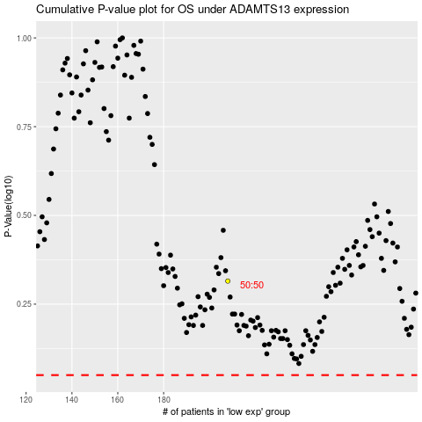

 |  |  |  |  |  | cases_OS | p_OS | rank | exp
 |  |  |  |  |  |  | cases_RFS | p_RFS | rank | exp

