ADAMTS14 _multivariate
Reported by Tex Li-Hsing Chi. tex@gate.sinica.edu.tw 2019-08-22

Table 2. The clinicopathological features of HNSCC cohort and ADAMTS14 expression. (Chi square test)
Cutoff at -0.163 (50.0%)
 |  | ADAMTS14 expression |  | ADAMTS14 expression |  | (Optimised)
 | Features | Low | (%) | High | (%) | Case no | P-value | Remark | Matthews
Gender | Female | 157 | 37.8 | 149 | 35.9 | 415 | 0.3881 | 0 | 0
2 | Male | 50 | 12 | 59 | 14.2
Age at diagnosis | <=65y | 140 | 33.7 | 134 | 32.3 | 415 | 0.5574 | 0 | 0
4 | >65y | 67 | 16.1 | 74 | 17.8
Clinical T Status | T1+T2 | 75 | 18.1 | 74 | 17.8 | 415 | 0.9707 | 0 | 0
6 | T3+T4 | 132 | 31.8 | 134 | 32.3
Clinical N Status | N0 | 107 | 25.8 | 109 | 26.3 | 415 | 0.9624 | 0 | 0
8 | N1-3 | 100 | 24.1 | 99 | 23.9
Clinical M Status | M0 | 204 | 49.2 | 208 | 50.1 | 415 | 0.1232 | 0 | 0
10 | M1 | 3 | 0.7 | 0 | 0
Clinical Stage | Stage I+II | 45 | 10.8 | 57 | 13.7 | 415 | 0.2202 | 0 | 0
12 | Stage III+IV | 162 | 39 | 151 | 36.4
Surgical Margin status | Negative | 165 | 39.8 | 153 | 36.9 | 415 | 0.1639 | 0 | 0
14 | Positive | 42 | 10.1 | 55 | 13.3
Tobacco Exposure | Low | 80 | 19.3 | 81 | 19.5 | 415 | 1 | 0 | 0
16 | High | 127 | 30.6 | 127 | 30.6

Table 3. Univariate/Multivariate Cox's proportional hazards regression analyses on OS time of ADAMTS14 gene expression in HNSCC

 |  | Univariate |  |  |  | Multivariate
 | Features | HR | CI95%(L) | CI95%(H) | P-value | HR | CI95%(L) | CI95%(H) | P-value
1 | Female | 1 |  |  |  | 1
Gender | Male | 1.157 | 0.843 | 1.587 | 0.367 | 1.209 | 0.865 | 1.691 | 0.266
11 | <=65y | 1 |  |  |  | 1
Age at diagnosis | >65y | 1.329 | 0.99 | 1.784 | 0.058 | 1.385 | 1.019 | 1.883 | 0.037
12 | T1+T2 | 1 |  |  |  | 1
Clinical T Status | T3+T4 | 1.409 | 1.028 | 1.931 | 0.033 | 2.264 | 1.193 | 4.294 | 0.012
13 | N0 | 1 |  |  |  | 1
Clinical N Status | N1-3 | 1.185 | 0.89 | 1.577 | 0.246 | 1.248 | 0.875 | 1.781 | 0.221
14 | M0 | 1 |  |  |  | 1
Clinical M Status | M1 | 4.097 | 1.009 | 16.644 | 0.049 | 9.074 | 1.975 | 41.692 | 0.005
15 | Stage I+II | 1 |  |  |  | 1
Clinical Stage | Stage III+IV | 1.245 | 0.882 | 1.759 | 0.213 | 0.48 | 0.222 | 1.038 | 0.062
16 | Negative | 1 |  |  |  | 1
Surgical Margin status | Positive | 1.591 | 1.155 | 2.191 | 0.004 | 1.708 | 1.231 | 2.37 | 0.001
17 | Low | 1 |  |  |  | 1
Tobacco Exposure | High | 1.364 | 1.008 | 1.844 | 0.044 | 1.457 | 1.057 | 2.008 | 0.022
18 | Low | 1 |  |  |  | 1
RNAseq(z-score) | High | 0.922 | 0.692 | 1.229 | 0.58 | 0.878 | 0.653 | 1.181 | 0.39

Table 4. Univariate/Multivariate Cox's proportional hazards regression analyses on RFS time of ADAMTS14 gene expression in HNSCC

 |  | Univariate |  |  |  | Multivariate
 | Features | HR | CI95%(L) | CI95%(H) | P-value | HR | CI95%(L) | CI95%(H) | P-value
1 | Female | 1 |  |  |  | 1
Gender | Male | 1.157 | 0.843 | 1.587 | 0.367 | 1.209 | 0.865 | 1.691 | 0.266
11 | <=65y | 1 |  |  |  | 1
Age at diagnosis | >65y | 1.329 | 0.99 | 1.784 | 0.058 | 1.385 | 1.019 | 1.883 | 0.037
12 | T1+T2 | 1 |  |  |  | 1
Clinical T Status | T3+T4 | 1.409 | 1.028 | 1.931 | 0.033 | 2.264 | 1.193 | 4.294 | 0.012
13 | N0 | 1 |  |  |  | 1
Clinical N Status | N1-3 | 1.185 | 0.89 | 1.577 | 0.246 | 1.248 | 0.875 | 1.781 | 0.221
14 | M0 | 1 |  |  |  | 1
Clinical M Status | M1 | 4.097 | 1.009 | 16.644 | 0.049 | 9.074 | 1.975 | 41.692 | 0.005
15 | Stage I+II | 1 |  |  |  | 1
Clinical Stage | Stage III+IV | 1.245 | 0.882 | 1.759 | 0.213 | 0.48 | 0.222 | 1.038 | 0.062
16 | Negative | 1 |  |  |  | 1
Surgical Margin status | Positive | 1.591 | 1.155 | 2.191 | 0.004 | 1.708 | 1.231 | 2.37 | 0.001
17 | Low | 1 |  |  |  | 1
Tobacco Exposure | High | 1.364 | 1.008 | 1.844 | 0.044 | 1.457 | 1.057 | 2.008 | 0.022
18 | Low | 1 |  |  |  | 1
RNAseq(z-score) | High | 0.922 | 0.692 | 1.229 | 0.58 | 0.878 | 0.653 | 1.181 | 0.39

Kaplan-Meier survival estimate: Cutoff at -0.163 (50.0%)



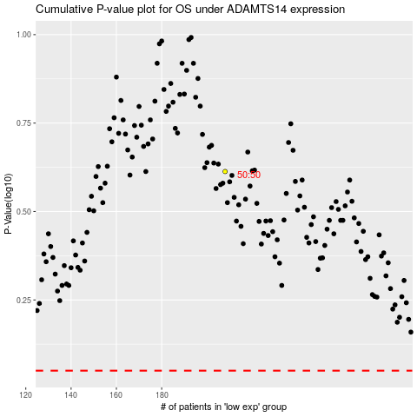

 |  |  |  |  |  | cases_OS | p_OS | rank | exp
 |  |  |  |  |  |  | cases_RFS | p_RFS | rank | exp

