ADAMTS18 _multivariate
Reported by Tex Li-Hsing Chi. tex@gate.sinica.edu.tw 2019-08-22

Table 2. The clinicopathological features of HNSCC cohort and ADAMTS18 expression. (Chi square test)
Cutoff at -0.165 (50.0%)
 |  | ADAMTS18 expression |  | ADAMTS18 expression |  | (Optimised)
 | Features | Low | (%) | High | (%) | Case no | P-value | Remark | Matthews
Gender | Female | 152 | 36.6 | 154 | 37.1 | 415 | 0.9766 | 0 | 0
2 | Male | 55 | 13.3 | 54 | 13
Age at diagnosis | <=65y | 140 | 33.7 | 134 | 32.3 | 415 | 0.5574 | 0 | 0
4 | >65y | 67 | 16.1 | 74 | 17.8
Clinical T Status | T1+T2 | 77 | 18.6 | 72 | 17.3 | 415 | 0.6556 | 0 | 0
6 | T3+T4 | 130 | 31.3 | 136 | 32.8
Clinical N Status | N0 | 113 | 27.2 | 103 | 24.8 | 415 | 0.3495 | 1 | 0
8 | N1-3 | 94 | 22.7 | 105 | 25.3
Clinical M Status | M0 | 204 | 49.2 | 208 | 50.1 | 415 | 0.1232 | 0 | 0
10 | M1 | 3 | 0.7 | 0 | 0
Clinical Stage | Stage I+II | 52 | 12.5 | 50 | 12 | 415 | 0.8871 | 0 | 0
12 | Stage III+IV | 155 | 37.3 | 158 | 38.1
Surgical Margin status | Negative | 157 | 37.8 | 161 | 38.8 | 415 | 0.729 | 0 | 0
14 | Positive | 50 | 12 | 47 | 11.3
Tobacco Exposure | Low | 86 | 20.7 | 75 | 18.1 | 415 | 0.2687 | 0 | 0
16 | High | 121 | 29.2 | 133 | 32

Table 3. Univariate/Multivariate Cox's proportional hazards regression analyses on OS time of ADAMTS18 gene expression in HNSCC

 |  | Univariate |  |  |  | Multivariate
 | Features | HR | CI95%(L) | CI95%(H) | P-value | HR | CI95%(L) | CI95%(H) | P-value
1 | Female | 1 |  |  |  | 1
Gender | Male | 1.157 | 0.843 | 1.587 | 0.367 | 1.175 | 0.839 | 1.645 | 0.348
11 | <=65y | 1 |  |  |  | 1
Age at diagnosis | >65y | 1.329 | 0.99 | 1.784 | 0.058 | 1.402 | 1.032 | 1.905 | 0.031
12 | T1+T2 | 1 |  |  |  | 1
Clinical T Status | T3+T4 | 1.409 | 1.028 | 1.931 | 0.033 | 2.242 | 1.185 | 4.242 | 0.013
13 | N0 | 1 |  |  |  | 1
Clinical N Status | N1-3 | 1.185 | 0.89 | 1.577 | 0.246 | 1.257 | 0.881 | 1.794 | 0.207
14 | M0 | 1 |  |  |  | 1
Clinical M Status | M1 | 4.097 | 1.009 | 16.644 | 0.049 | 8.66 | 1.879 | 39.919 | 0.006
15 | Stage I+II | 1 |  |  |  | 1
Clinical Stage | Stage III+IV | 1.245 | 0.882 | 1.759 | 0.213 | 0.497 | 0.232 | 1.068 | 0.073
16 | Negative | 1 |  |  |  | 1
Surgical Margin status | Positive | 1.591 | 1.155 | 2.191 | 0.004 | 1.666 | 1.206 | 2.301 | 0.002
17 | Low | 1 |  |  |  | 1
Tobacco Exposure | High | 1.364 | 1.008 | 1.844 | 0.044 | 1.468 | 1.065 | 2.023 | 0.019
18 | Low | 1 |  |  |  | 1
RNAseq(z-score) | High | 0.863 | 0.648 | 1.149 | 0.313 | 0.838 | 0.626 | 1.123 | 0.237

Table 4. Univariate/Multivariate Cox's proportional hazards regression analyses on RFS time of ADAMTS18 gene expression in HNSCC

 |  | Univariate |  |  |  | Multivariate
 | Features | HR | CI95%(L) | CI95%(H) | P-value | HR | CI95%(L) | CI95%(H) | P-value
1 | Female | 1 |  |  |  | 1
Gender | Male | 1.157 | 0.843 | 1.587 | 0.367 | 1.175 | 0.839 | 1.645 | 0.348
11 | <=65y | 1 |  |  |  | 1
Age at diagnosis | >65y | 1.329 | 0.99 | 1.784 | 0.058 | 1.402 | 1.032 | 1.905 | 0.031
12 | T1+T2 | 1 |  |  |  | 1
Clinical T Status | T3+T4 | 1.409 | 1.028 | 1.931 | 0.033 | 2.242 | 1.185 | 4.242 | 0.013
13 | N0 | 1 |  |  |  | 1
Clinical N Status | N1-3 | 1.185 | 0.89 | 1.577 | 0.246 | 1.257 | 0.881 | 1.794 | 0.207
14 | M0 | 1 |  |  |  | 1
Clinical M Status | M1 | 4.097 | 1.009 | 16.644 | 0.049 | 8.66 | 1.879 | 39.919 | 0.006
15 | Stage I+II | 1 |  |  |  | 1
Clinical Stage | Stage III+IV | 1.245 | 0.882 | 1.759 | 0.213 | 0.497 | 0.232 | 1.068 | 0.073
16 | Negative | 1 |  |  |  | 1
Surgical Margin status | Positive | 1.591 | 1.155 | 2.191 | 0.004 | 1.666 | 1.206 | 2.301 | 0.002
17 | Low | 1 |  |  |  | 1
Tobacco Exposure | High | 1.364 | 1.008 | 1.844 | 0.044 | 1.468 | 1.065 | 2.023 | 0.019
18 | Low | 1 |  |  |  | 1
RNAseq(z-score) | High | 0.863 | 0.648 | 1.149 | 0.313 | 0.838 | 0.626 | 1.123 | 0.237

Kaplan-Meier survival estimate: Cutoff at -0.165 (50.0%)



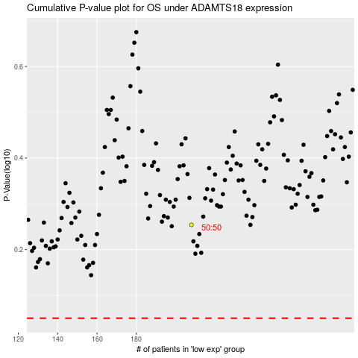

 |  |  |  |  |  | cases_OS | p_OS | rank | exp
 |  |  |  |  |  |  | cases_RFS | p_RFS | rank | exp

