ADAMTS20 _multivariate
Reported by Tex Li-Hsing Chi. tex@gate.sinica.edu.tw 2019-08-22

Table 2. The clinicopathological features of HNSCC cohort and ADAMTS20 expression. (Chi square test)
Cutoff at -0.382 (49.8%)
 |  | ADAMTS20 expression |  | ADAMTS20 expression |  | (Optimised)
 | Features | Low | (%) | High | (%) | Case no | P-value | Remark | Matthews
Gender | Female | 154 | 37.1 | 152 | 36.6 | 415 | 0.8463 | 0 | 0
2 | Male | 53 | 12.8 | 56 | 13.5
Age at diagnosis | <=65y | 135 | 32.5 | 139 | 33.5 | 415 | 0.8084 | 0 | 0
4 | >65y | 72 | 17.3 | 69 | 16.6
Clinical T Status | T1+T2 | 92 | 22.2 | 57 | 13.7 | 415 | 4e-04 | 1 | 0
6 | T3+T4 | 115 | 27.7 | 151 | 36.4
Clinical N Status | N0 | 101 | 24.3 | 115 | 27.7 | 415 | 0.2201 | 0 | 0
8 | N1-3 | 106 | 25.5 | 93 | 22.4
Clinical M Status | M0 | 205 | 49.4 | 207 | 49.9 | 415 | 0.6232 | 0 | 0
10 | M1 | 2 | 0.5 | 1 | 0.2
Clinical Stage | Stage I+II | 57 | 13.7 | 45 | 10.8 | 415 | 0.1998 | 0 | 0
12 | Stage III+IV | 150 | 36.1 | 163 | 39.3
Surgical Margin status | Negative | 154 | 37.1 | 164 | 39.5 | 415 | 0.2984 | 0 | 0
14 | Positive | 53 | 12.8 | 44 | 10.6
Tobacco Exposure | Low | 92 | 22.2 | 69 | 16.6 | 415 | 0.0206 | 1 | 0
16 | High | 115 | 27.7 | 139 | 33.5

Table 3. Univariate/Multivariate Cox's proportional hazards regression analyses on OS time of ADAMTS20 gene expression in HNSCC

 |  | Univariate |  |  |  | Multivariate
 | Features | HR | CI95%(L) | CI95%(H) | P-value | HR | CI95%(L) | CI95%(H) | P-value
1 | Female | 1 |  |  |  | 1
Gender | Male | 1.157 | 0.843 | 1.587 | 0.367 | 1.206 | 0.863 | 1.685 | 0.274
11 | <=65y | 1 |  |  |  | 1
Age at diagnosis | >65y | 1.329 | 0.99 | 1.784 | 0.058 | 1.375 | 1.011 | 1.871 | 0.042
12 | T1+T2 | 1 |  |  |  | 1
Clinical T Status | T3+T4 | 1.409 | 1.028 | 1.931 | 0.033 | 2.29 | 1.206 | 4.35 | 0.011
13 | N0 | 1 |  |  |  | 1
Clinical N Status | N1-3 | 1.185 | 0.89 | 1.577 | 0.246 | 1.215 | 0.85 | 1.737 | 0.284
14 | M0 | 1 |  |  |  | 1
Clinical M Status | M1 | 4.097 | 1.009 | 16.644 | 0.049 | 9.326 | 2.034 | 42.766 | 0.004
15 | Stage I+II | 1 |  |  |  | 1
Clinical Stage | Stage III+IV | 1.245 | 0.882 | 1.759 | 0.213 | 0.5 | 0.233 | 1.074 | 0.076
16 | Negative | 1 |  |  |  | 1
Surgical Margin status | Positive | 1.591 | 1.155 | 2.191 | 0.004 | 1.654 | 1.196 | 2.286 | 0.002
17 | Low | 1 |  |  |  | 1
Tobacco Exposure | High | 1.364 | 1.008 | 1.844 | 0.044 | 1.468 | 1.065 | 2.025 | 0.019
18 | Low | 1 |  |  |  | 1
RNAseq(z-score) | High | 0.884 | 0.664 | 1.178 | 0.401 | 0.861 | 0.641 | 1.158 | 0.322

Table 4. Univariate/Multivariate Cox's proportional hazards regression analyses on RFS time of ADAMTS20 gene expression in HNSCC

 |  | Univariate |  |  |  | Multivariate
 | Features | HR | CI95%(L) | CI95%(H) | P-value | HR | CI95%(L) | CI95%(H) | P-value
1 | Female | 1 |  |  |  | 1
Gender | Male | 1.157 | 0.843 | 1.587 | 0.367 | 1.206 | 0.863 | 1.685 | 0.274
11 | <=65y | 1 |  |  |  | 1
Age at diagnosis | >65y | 1.329 | 0.99 | 1.784 | 0.058 | 1.375 | 1.011 | 1.871 | 0.042
12 | T1+T2 | 1 |  |  |  | 1
Clinical T Status | T3+T4 | 1.409 | 1.028 | 1.931 | 0.033 | 2.29 | 1.206 | 4.35 | 0.011
13 | N0 | 1 |  |  |  | 1
Clinical N Status | N1-3 | 1.185 | 0.89 | 1.577 | 0.246 | 1.215 | 0.85 | 1.737 | 0.284
14 | M0 | 1 |  |  |  | 1
Clinical M Status | M1 | 4.097 | 1.009 | 16.644 | 0.049 | 9.326 | 2.034 | 42.766 | 0.004
15 | Stage I+II | 1 |  |  |  | 1
Clinical Stage | Stage III+IV | 1.245 | 0.882 | 1.759 | 0.213 | 0.5 | 0.233 | 1.074 | 0.076
16 | Negative | 1 |  |  |  | 1
Surgical Margin status | Positive | 1.591 | 1.155 | 2.191 | 0.004 | 1.654 | 1.196 | 2.286 | 0.002
17 | Low | 1 |  |  |  | 1
Tobacco Exposure | High | 1.364 | 1.008 | 1.844 | 0.044 | 1.468 | 1.065 | 2.025 | 0.019
18 | Low | 1 |  |  |  | 1
RNAseq(z-score) | High | 0.884 | 0.664 | 1.178 | 0.401 | 0.861 | 0.641 | 1.158 | 0.322

Kaplan-Meier survival estimate: Cutoff at -0.382 (49.8%)



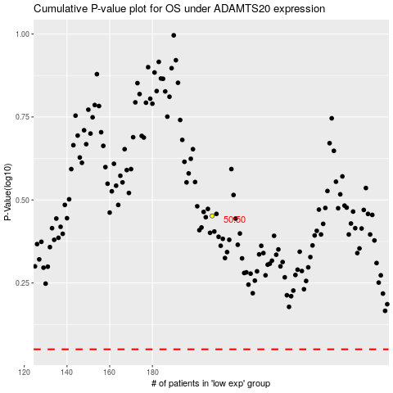

 |  |  |  |  |  | cases_OS | p_OS | rank | exp
 |  |  |  |  |  |  | cases_RFS | p_RFS | rank | exp

