ADAMTS3 _multivariate
Reported by Tex Li-Hsing Chi. tex@gate.sinica.edu.tw 2019-08-22

Table 2. The clinicopathological features of HNSCC cohort and ADAMTS3 expression. (Chi square test)
Cutoff at -0.239 (55.6%)
 |  | ADAMTS3 expression |  | ADAMTS3 expression |  | (Optimised)
 | Features | Low | (%) | High | (%) | Case no | P-value | Remark | Matthews
Gender | Female | 168 | 40.5 | 138 | 33.3 | 415 | 0.6815 | 0 | 0
2 | Male | 63 | 15.2 | 46 | 11.1
Age at diagnosis | <=65y | 152 | 36.6 | 122 | 29.4 | 415 | 0.9974 | 0 | 0
4 | >65y | 79 | 19 | 62 | 14.9
Clinical T Status | T1+T2 | 83 | 20 | 66 | 15.9 | 415 | 1 | 0 | 0
6 | T3+T4 | 148 | 35.7 | 118 | 28.4
Clinical N Status | N0 | 117 | 28.2 | 99 | 23.9 | 415 | 0.589 | 0 | 0
8 | N1-3 | 114 | 27.5 | 85 | 20.5
Clinical M Status | M0 | 229 | 55.2 | 183 | 44.1 | 415 | 1 | 0 | 0
10 | M1 | 2 | 0.5 | 1 | 0.2
Clinical Stage | Stage I+II | 56 | 13.5 | 46 | 11.1 | 415 | 0.9495 | 0 | 0
12 | Stage III+IV | 175 | 42.2 | 138 | 33.3
Surgical Margin status | Negative | 170 | 41 | 148 | 35.7 | 415 | 0.1042 | 0 | 0
14 | Positive | 61 | 14.7 | 36 | 8.7
Tobacco Exposure | Low | 88 | 21.2 | 73 | 17.6 | 415 | 0.7617 | 0 | 0
16 | High | 143 | 34.5 | 111 | 26.7

Table 3. Univariate/Multivariate Cox's proportional hazards regression analyses on OS time of ADAMTS3 gene expression in HNSCC

 |  | Univariate |  |  |  | Multivariate
 | Features | HR | CI95%(L) | CI95%(H) | P-value | HR | CI95%(L) | CI95%(H) | P-value
1 | Female | 1 |  |  |  | 1
Gender | Male | 1.157 | 0.843 | 1.587 | 0.367 | 1.187 | 0.848 | 1.66 | 0.318
11 | <=65y | 1 |  |  |  | 1
Age at diagnosis | >65y | 1.329 | 0.99 | 1.784 | 0.058 | 1.385 | 1.019 | 1.883 | 0.037
12 | T1+T2 | 1 |  |  |  | 1
Clinical T Status | T3+T4 | 1.409 | 1.028 | 1.931 | 0.033 | 2.185 | 1.156 | 4.13 | 0.016
13 | N0 | 1 |  |  |  | 1
Clinical N Status | N1-3 | 1.185 | 0.89 | 1.577 | 0.246 | 1.224 | 0.858 | 1.745 | 0.265
14 | M0 | 1 |  |  |  | 1
Clinical M Status | M1 | 4.097 | 1.009 | 16.644 | 0.049 | 9.288 | 2.026 | 42.576 | 0.004
15 | Stage I+II | 1 |  |  |  | 1
Clinical Stage | Stage III+IV | 1.245 | 0.882 | 1.759 | 0.213 | 0.509 | 0.237 | 1.091 | 0.083
16 | Negative | 1 |  |  |  | 1
Surgical Margin status | Positive | 1.591 | 1.155 | 2.191 | 0.004 | 1.632 | 1.18 | 2.258 | 0.003
17 | Low | 1 |  |  |  | 1
Tobacco Exposure | High | 1.364 | 1.008 | 1.844 | 0.044 | 1.44 | 1.044 | 1.986 | 0.026
18 | Low | 1 |  |  |  | 1
RNAseq(z-score) | High | 0.739 | 0.55 | 0.992 | 0.044 | 0.796 | 0.591 | 1.072 | 0.132

Table 4. Univariate/Multivariate Cox's proportional hazards regression analyses on RFS time of ADAMTS3 gene expression in HNSCC

 |  | Univariate |  |  |  | Multivariate
 | Features | HR | CI95%(L) | CI95%(H) | P-value | HR | CI95%(L) | CI95%(H) | P-value
1 | Female | 1 |  |  |  | 1
Gender | Male | 1.157 | 0.843 | 1.587 | 0.367 | 1.187 | 0.848 | 1.66 | 0.318
11 | <=65y | 1 |  |  |  | 1
Age at diagnosis | >65y | 1.329 | 0.99 | 1.784 | 0.058 | 1.385 | 1.019 | 1.883 | 0.037
12 | T1+T2 | 1 |  |  |  | 1
Clinical T Status | T3+T4 | 1.409 | 1.028 | 1.931 | 0.033 | 2.185 | 1.156 | 4.13 | 0.016
13 | N0 | 1 |  |  |  | 1
Clinical N Status | N1-3 | 1.185 | 0.89 | 1.577 | 0.246 | 1.224 | 0.858 | 1.745 | 0.265
14 | M0 | 1 |  |  |  | 1
Clinical M Status | M1 | 4.097 | 1.009 | 16.644 | 0.049 | 9.288 | 2.026 | 42.576 | 0.004
15 | Stage I+II | 1 |  |  |  | 1
Clinical Stage | Stage III+IV | 1.245 | 0.882 | 1.759 | 0.213 | 0.509 | 0.237 | 1.091 | 0.083
16 | Negative | 1 |  |  |  | 1
Surgical Margin status | Positive | 1.591 | 1.155 | 2.191 | 0.004 | 1.632 | 1.18 | 2.258 | 0.003
17 | Low | 1 |  |  |  | 1
Tobacco Exposure | High | 1.364 | 1.008 | 1.844 | 0.044 | 1.44 | 1.044 | 1.986 | 0.026
18 | Low | 1 |  |  |  | 1
RNAseq(z-score) | High | 0.739 | 0.55 | 0.992 | 0.044 | 0.796 | 0.591 | 1.072 | 0.132

Kaplan-Meier survival estimate: Cutoff at -0.239 (55.6%)



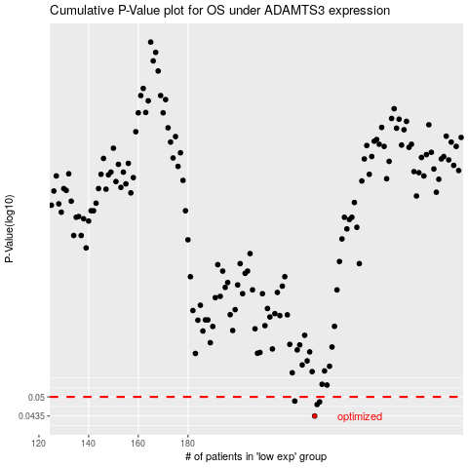

 |  |  |  |  |  | cases_OS | p_OS | rank | exp
 |  |  |  |  |  | 231 | 0.0435 | 318 | -0.23854413681
 |  |  |  |  |  | 232 | 0.0473 | 28 | -0.23740688948
 |  |  |  |  |  | 233 | 0.0482 | 294 | -0.21600528535
 |  |  |  |  |  | 223 | 0.0485 | 232 | -0.26311910793
 |  |  |  |  |  |  | cases_RFS | p_RFS | rank | exp
 |  |  |  |  |  |  | 230 | 0.0435 | 115 | -0.24157845172
 |  |  |  |  |  |  | 231 | 0.0473 | 318 | -0.23854413681
 |  |  |  |  |  |  | 232 | 0.0482 | 28 | -0.23740688948
 |  |  |  |  |  |  | 222 | 0.0485 | 375 | -0.266841234

