ADAMTS4 _multivariate
Reported by Tex Li-Hsing Chi. tex@gate.sinica.edu.tw 2019-08-22

Table 2. The clinicopathological features of HNSCC cohort and ADAMTS4 expression. (Chi square test)
Cutoff at -0.201 (49.8%)
 |  | ADAMTS4 expression |  | ADAMTS4 expression |  | (Optimised)
 | Features | Low | (%) | High | (%) | Case no | P-value | Remark | Matthews
Gender | Female | 154 | 37.1 | 152 | 36.6 | 415 | 0.8463 | 0 | 0
2 | Male | 53 | 12.8 | 56 | 13.5
Age at diagnosis | <=65y | 137 | 33 | 137 | 33 | 415 | 1 | 0 | 0
4 | >65y | 70 | 16.9 | 71 | 17.1
Clinical T Status | T1+T2 | 86 | 20.7 | 63 | 15.2 | 415 | 0.0221 | 1 | 0
6 | T3+T4 | 121 | 29.2 | 145 | 34.9
Clinical N Status | N0 | 115 | 27.7 | 101 | 24.3 | 415 | 0.184 | 1 | 0
8 | N1-3 | 92 | 22.2 | 107 | 25.8
Clinical M Status | M0 | 204 | 49.2 | 208 | 50.1 | 415 | 0.1232 | 0 | 0
10 | M1 | 3 | 0.7 | 0 | 0
Clinical Stage | Stage I+II | 56 | 13.5 | 46 | 11.1 | 415 | 0.2918 | 0 | 0
12 | Stage III+IV | 151 | 36.4 | 162 | 39
Surgical Margin status | Negative | 151 | 36.4 | 167 | 40.2 | 415 | 0.0828 | 0 | 0
14 | Positive | 56 | 13.5 | 41 | 9.9
Tobacco Exposure | Low | 94 | 22.7 | 67 | 16.1 | 415 | 0.0065 | 1 | 0
16 | High | 113 | 27.2 | 141 | 34

Table 3. Univariate/Multivariate Cox's proportional hazards regression analyses on OS time of ADAMTS4 gene expression in HNSCC

 |  | Univariate |  |  |  | Multivariate
 | Features | HR | CI95%(L) | CI95%(H) | P-value | HR | CI95%(L) | CI95%(H) | P-value
1 | Female | 1 |  |  |  | 1
Gender | Male | 1.157 | 0.843 | 1.587 | 0.367 | 1.195 | 0.856 | 1.668 | 0.296
11 | <=65y | 1 |  |  |  | 1
Age at diagnosis | >65y | 1.329 | 0.99 | 1.784 | 0.058 | 1.386 | 1.02 | 1.885 | 0.037
12 | T1+T2 | 1 |  |  |  | 1
Clinical T Status | T3+T4 | 1.409 | 1.028 | 1.931 | 0.033 | 2.1 | 1.107 | 3.986 | 0.023
13 | N0 | 1 |  |  |  | 1
Clinical N Status | N1-3 | 1.185 | 0.89 | 1.577 | 0.246 | 1.214 | 0.85 | 1.735 | 0.286
14 | M0 | 1 |  |  |  | 1
Clinical M Status | M1 | 4.097 | 1.009 | 16.644 | 0.049 | 10.152 | 2.205 | 46.745 | 0.003
15 | Stage I+II | 1 |  |  |  | 1
Clinical Stage | Stage III+IV | 1.245 | 0.882 | 1.759 | 0.213 | 0.527 | 0.245 | 1.132 | 0.101
16 | Negative | 1 |  |  |  | 1
Surgical Margin status | Positive | 1.591 | 1.155 | 2.191 | 0.004 | 1.723 | 1.243 | 2.388 | 0.001
17 | Low | 1 |  |  |  | 1
Tobacco Exposure | High | 1.364 | 1.008 | 1.844 | 0.044 | 1.418 | 1.026 | 1.959 | 0.034
18 | Low | 1 |  |  |  | 1
RNAseq(z-score) | High | 1.246 | 0.934 | 1.664 | 0.135 | 1.223 | 0.907 | 1.65 | 0.188

Table 4. Univariate/Multivariate Cox's proportional hazards regression analyses on RFS time of ADAMTS4 gene expression in HNSCC

 |  | Univariate |  |  |  | Multivariate
 | Features | HR | CI95%(L) | CI95%(H) | P-value | HR | CI95%(L) | CI95%(H) | P-value
1 | Female | 1 |  |  |  | 1
Gender | Male | 1.157 | 0.843 | 1.587 | 0.367 | 1.195 | 0.856 | 1.668 | 0.296
11 | <=65y | 1 |  |  |  | 1
Age at diagnosis | >65y | 1.329 | 0.99 | 1.784 | 0.058 | 1.386 | 1.02 | 1.885 | 0.037
12 | T1+T2 | 1 |  |  |  | 1
Clinical T Status | T3+T4 | 1.409 | 1.028 | 1.931 | 0.033 | 2.1 | 1.107 | 3.986 | 0.023
13 | N0 | 1 |  |  |  | 1
Clinical N Status | N1-3 | 1.185 | 0.89 | 1.577 | 0.246 | 1.214 | 0.85 | 1.735 | 0.286
14 | M0 | 1 |  |  |  | 1
Clinical M Status | M1 | 4.097 | 1.009 | 16.644 | 0.049 | 10.152 | 2.205 | 46.745 | 0.003
15 | Stage I+II | 1 |  |  |  | 1
Clinical Stage | Stage III+IV | 1.245 | 0.882 | 1.759 | 0.213 | 0.527 | 0.245 | 1.132 | 0.101
16 | Negative | 1 |  |  |  | 1
Surgical Margin status | Positive | 1.591 | 1.155 | 2.191 | 0.004 | 1.723 | 1.243 | 2.388 | 0.001
17 | Low | 1 |  |  |  | 1
Tobacco Exposure | High | 1.364 | 1.008 | 1.844 | 0.044 | 1.418 | 1.026 | 1.959 | 0.034
18 | Low | 1 |  |  |  | 1
RNAseq(z-score) | High | 1.246 | 0.934 | 1.664 | 0.135 | 1.223 | 0.907 | 1.65 | 0.188

Kaplan-Meier survival estimate: Cutoff at -0.201 (49.8%)

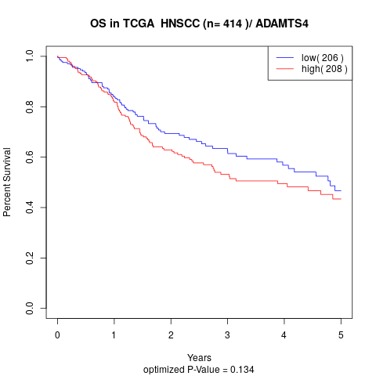

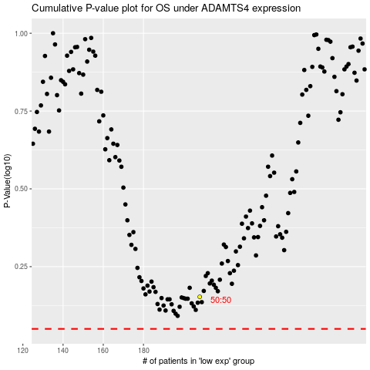

 |  |  |  |  |  | cases_OS | p_OS | rank | exp
 |  |  |  |  |  |  | cases_RFS | p_RFS | rank | exp

