ADAMTS5 _multivariate
Reported by Tex Li-Hsing Chi. tex@gate.sinica.edu.tw 2019-08-22

Table 2. The clinicopathological features of HNSCC cohort and ADAMTS5 expression. (Chi square test)
Cutoff at -0.2 (49.8%)
 |  | ADAMTS5 expression |  | ADAMTS5 expression |  | (Optimised)
 | Features | Low | (%) | High | (%) | Case no | P-value | Remark | Matthews
Gender | Female | 154 | 37.1 | 152 | 36.6 | 415 | 0.8463 | 0 | 0
2 | Male | 53 | 12.8 | 56 | 13.5
Age at diagnosis | <=65y | 145 | 34.9 | 129 | 31.1 | 415 | 0.1046 | 0 | 0
4 | >65y | 62 | 14.9 | 79 | 19
Clinical T Status | T1+T2 | 76 | 18.3 | 73 | 17.6 | 415 | 0.8092 | 0 | 0
6 | T3+T4 | 131 | 31.6 | 135 | 32.5
Clinical N Status | N0 | 103 | 24.8 | 113 | 27.2 | 415 | 0.4047 | 0 | 0
8 | N1-3 | 104 | 25.1 | 95 | 22.9
Clinical M Status | M0 | 204 | 49.2 | 208 | 50.1 | 415 | 0.1232 | 0 | 0
10 | M1 | 3 | 0.7 | 0 | 0
Clinical Stage | Stage I+II | 46 | 11.1 | 56 | 13.5 | 415 | 0.3182 | 0 | 0
12 | Stage III+IV | 161 | 38.8 | 152 | 36.6
Surgical Margin status | Negative | 157 | 37.8 | 161 | 38.8 | 415 | 0.729 | 0 | 0
14 | Positive | 50 | 12 | 47 | 11.3
Tobacco Exposure | Low | 83 | 20 | 78 | 18.8 | 415 | 0.6152 | 0 | 0
16 | High | 124 | 29.9 | 130 | 31.3

Table 3. Univariate/Multivariate Cox's proportional hazards regression analyses on OS time of ADAMTS5 gene expression in HNSCC

 |  | Univariate |  |  |  | Multivariate
 | Features | HR | CI95%(L) | CI95%(H) | P-value | HR | CI95%(L) | CI95%(H) | P-value
1 | Female | 1 |  |  |  | 1
Gender | Male | 1.157 | 0.843 | 1.587 | 0.367 | 1.201 | 0.861 | 1.677 | 0.28
11 | <=65y | 1 |  |  |  | 1
Age at diagnosis | >65y | 1.329 | 0.99 | 1.784 | 0.058 | 1.39 | 1.022 | 1.89 | 0.036
12 | T1+T2 | 1 |  |  |  | 1
Clinical T Status | T3+T4 | 1.409 | 1.028 | 1.931 | 0.033 | 2.162 | 1.142 | 4.093 | 0.018
13 | N0 | 1 |  |  |  | 1
Clinical N Status | N1-3 | 1.185 | 0.89 | 1.577 | 0.246 | 1.242 | 0.871 | 1.772 | 0.232
14 | M0 | 1 |  |  |  | 1
Clinical M Status | M1 | 4.097 | 1.009 | 16.644 | 0.049 | 9.822 | 2.135 | 45.182 | 0.003
15 | Stage I+II | 1 |  |  |  | 1
Clinical Stage | Stage III+IV | 1.245 | 0.882 | 1.759 | 0.213 | 0.517 | 0.24 | 1.114 | 0.092
16 | Negative | 1 |  |  |  | 1
Surgical Margin status | Positive | 1.591 | 1.155 | 2.191 | 0.004 | 1.671 | 1.21 | 2.308 | 0.002
17 | Low | 1 |  |  |  | 1
Tobacco Exposure | High | 1.364 | 1.008 | 1.844 | 0.044 | 1.441 | 1.046 | 1.986 | 0.025
18 | Low | 1 |  |  |  | 1
RNAseq(z-score) | High | 1.151 | 0.863 | 1.535 | 0.339 | 1.131 | 0.845 | 1.514 | 0.408

Table 4. Univariate/Multivariate Cox's proportional hazards regression analyses on RFS time of ADAMTS5 gene expression in HNSCC

 |  | Univariate |  |  |  | Multivariate
 | Features | HR | CI95%(L) | CI95%(H) | P-value | HR | CI95%(L) | CI95%(H) | P-value
1 | Female | 1 |  |  |  | 1
Gender | Male | 1.157 | 0.843 | 1.587 | 0.367 | 1.201 | 0.861 | 1.677 | 0.28
11 | <=65y | 1 |  |  |  | 1
Age at diagnosis | >65y | 1.329 | 0.99 | 1.784 | 0.058 | 1.39 | 1.022 | 1.89 | 0.036
12 | T1+T2 | 1 |  |  |  | 1
Clinical T Status | T3+T4 | 1.409 | 1.028 | 1.931 | 0.033 | 2.162 | 1.142 | 4.093 | 0.018
13 | N0 | 1 |  |  |  | 1
Clinical N Status | N1-3 | 1.185 | 0.89 | 1.577 | 0.246 | 1.242 | 0.871 | 1.772 | 0.232
14 | M0 | 1 |  |  |  | 1
Clinical M Status | M1 | 4.097 | 1.009 | 16.644 | 0.049 | 9.822 | 2.135 | 45.182 | 0.003
15 | Stage I+II | 1 |  |  |  | 1
Clinical Stage | Stage III+IV | 1.245 | 0.882 | 1.759 | 0.213 | 0.517 | 0.24 | 1.114 | 0.092
16 | Negative | 1 |  |  |  | 1
Surgical Margin status | Positive | 1.591 | 1.155 | 2.191 | 0.004 | 1.671 | 1.21 | 2.308 | 0.002
17 | Low | 1 |  |  |  | 1
Tobacco Exposure | High | 1.364 | 1.008 | 1.844 | 0.044 | 1.441 | 1.046 | 1.986 | 0.025
18 | Low | 1 |  |  |  | 1
RNAseq(z-score) | High | 1.151 | 0.863 | 1.535 | 0.339 | 1.131 | 0.845 | 1.514 | 0.408

Kaplan-Meier survival estimate: Cutoff at -0.2 (49.8%)



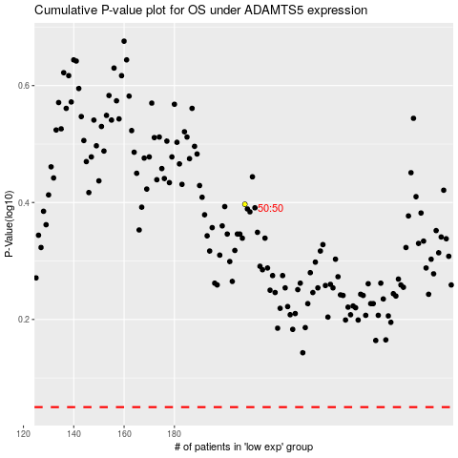

 |  |  |  |  |  | cases_OS | p_OS | rank | exp
 |  |  |  |  |  |  | cases_RFS | p_RFS | rank | exp

