ADAMTS6 _multivariate
Reported by Tex Li-Hsing Chi. tex@gate.sinica.edu.tw 2019-08-22

Table 2. The clinicopathological features of HNSCC cohort and ADAMTS6 expression. (Chi square test)
Cutoff at -0.053 (65.5%)
 |  | ADAMTS6 expression |  | ADAMTS6 expression |  | (Optimised)
 | Features | Low | (%) | High | (%) | Case no | P-value | Remark | Matthews
Gender | Female | 204 | 49.2 | 102 | 24.6 | 415 | 0.49 | 0 | 0
2 | Male | 68 | 16.4 | 41 | 9.9
Age at diagnosis | <=65y | 187 | 45.1 | 87 | 21 | 415 | 0.1316 | 0 | 0
4 | >65y | 85 | 20.5 | 56 | 13.5
Clinical T Status | T1+T2 | 102 | 24.6 | 47 | 11.3 | 415 | 0.4081 | 0 | 0
6 | T3+T4 | 170 | 41 | 96 | 23.1
Clinical N Status | N0 | 149 | 35.9 | 67 | 16.1 | 415 | 0.152 | 0 | 0
8 | N1-3 | 123 | 29.6 | 76 | 18.3
Clinical M Status | M0 | 269 | 64.8 | 143 | 34.5 | 415 | 0.5543 | 0 | 0
10 | M1 | 3 | 0.7 | 0 | 0
Clinical Stage | Stage I+II | 67 | 16.1 | 35 | 8.4 | 415 | 1 | 0 | 0
12 | Stage III+IV | 205 | 49.4 | 108 | 26
Surgical Margin status | Negative | 210 | 50.6 | 108 | 26 | 415 | 0.7154 | 0 | 0
14 | Positive | 62 | 14.9 | 35 | 8.4
Tobacco Exposure | Low | 103 | 24.8 | 58 | 14 | 415 | 0.5979 | 0 | 0
16 | High | 169 | 40.7 | 85 | 20.5

Table 3. Univariate/Multivariate Cox's proportional hazards regression analyses on OS time of ADAMTS6 gene expression in HNSCC

 |  | Univariate |  |  |  | Multivariate
 | Features | HR | CI95%(L) | CI95%(H) | P-value | HR | CI95%(L) | CI95%(H) | P-value
1 | Female | 1 |  |  |  | 1
Gender | Male | 1.157 | 0.843 | 1.587 | 0.367 | 1.175 | 0.841 | 1.641 | 0.344
11 | <=65y | 1 |  |  |  | 1
Age at diagnosis | >65y | 1.329 | 0.99 | 1.784 | 0.058 | 1.379 | 1.014 | 1.874 | 0.04
12 | T1+T2 | 1 |  |  |  | 1
Clinical T Status | T3+T4 | 1.409 | 1.028 | 1.931 | 0.033 | 2.12 | 1.12 | 4.015 | 0.021
13 | N0 | 1 |  |  |  | 1
Clinical N Status | N1-3 | 1.185 | 0.89 | 1.577 | 0.246 | 1.2 | 0.839 | 1.716 | 0.317
14 | M0 | 1 |  |  |  | 1
Clinical M Status | M1 | 4.097 | 1.009 | 16.644 | 0.049 | 9.974 | 2.173 | 45.779 | 0.003
15 | Stage I+II | 1 |  |  |  | 1
Clinical Stage | Stage III+IV | 1.245 | 0.882 | 1.759 | 0.213 | 0.547 | 0.253 | 1.183 | 0.125
16 | Negative | 1 |  |  |  | 1
Surgical Margin status | Positive | 1.591 | 1.155 | 2.191 | 0.004 | 1.649 | 1.193 | 2.277 | 0.002
17 | Low | 1 |  |  |  | 1
Tobacco Exposure | High | 1.364 | 1.008 | 1.844 | 0.044 | 1.447 | 1.052 | 1.99 | 0.023
18 | Low | 1 |  |  |  | 1
RNAseq(z-score) | High | 1.342 | 1.002 | 1.798 | 0.049 | 1.291 | 0.958 | 1.741 | 0.094

Table 4. Univariate/Multivariate Cox's proportional hazards regression analyses on RFS time of ADAMTS6 gene expression in HNSCC

 |  | Univariate |  |  |  | Multivariate
 | Features | HR | CI95%(L) | CI95%(H) | P-value | HR | CI95%(L) | CI95%(H) | P-value
1 | Female | 1 |  |  |  | 1
Gender | Male | 1.157 | 0.843 | 1.587 | 0.367 | 1.175 | 0.841 | 1.641 | 0.344
11 | <=65y | 1 |  |  |  | 1
Age at diagnosis | >65y | 1.329 | 0.99 | 1.784 | 0.058 | 1.379 | 1.014 | 1.874 | 0.04
12 | T1+T2 | 1 |  |  |  | 1
Clinical T Status | T3+T4 | 1.409 | 1.028 | 1.931 | 0.033 | 2.12 | 1.12 | 4.015 | 0.021
13 | N0 | 1 |  |  |  | 1
Clinical N Status | N1-3 | 1.185 | 0.89 | 1.577 | 0.246 | 1.2 | 0.839 | 1.716 | 0.317
14 | M0 | 1 |  |  |  | 1
Clinical M Status | M1 | 4.097 | 1.009 | 16.644 | 0.049 | 9.974 | 2.173 | 45.779 | 0.003
15 | Stage I+II | 1 |  |  |  | 1
Clinical Stage | Stage III+IV | 1.245 | 0.882 | 1.759 | 0.213 | 0.547 | 0.253 | 1.183 | 0.125
16 | Negative | 1 |  |  |  | 1
Surgical Margin status | Positive | 1.591 | 1.155 | 2.191 | 0.004 | 1.649 | 1.193 | 2.277 | 0.002
17 | Low | 1 |  |  |  | 1
Tobacco Exposure | High | 1.364 | 1.008 | 1.844 | 0.044 | 1.447 | 1.052 | 1.99 | 0.023
18 | Low | 1 |  |  |  | 1
RNAseq(z-score) | High | 1.342 | 1.002 | 1.798 | 0.049 | 1.291 | 0.958 | 1.741 | 0.094

Kaplan-Meier survival estimate: Cutoff at -0.053 (65.5%)



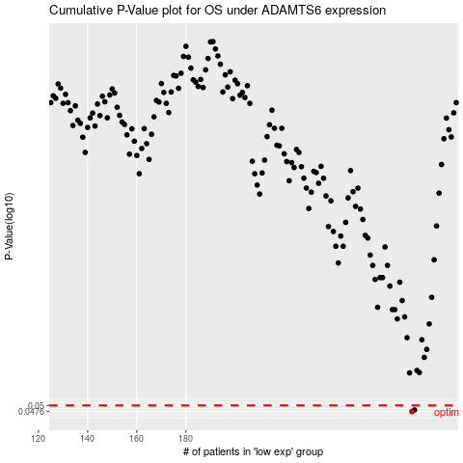

 |  |  |  |  |  | cases_OS | p_OS | rank | exp
 |  |  |  |  |  | 272 | 0.0476 | 10 | -0.053308506832
 |  |  |  |  |  | 273 | 0.0482 | 64 | -0.049278593008
 |  |  |  |  |  |  | cases_RFS | p_RFS | rank | exp
 |  |  |  |  |  |  | 271 | 0.0476 | 190 | -0.05419166918
 |  |  |  |  |  |  | 272 | 0.0482 | 10 | -0.053308506832

