ADAMTS8 _multivariate
Reported by Tex Li-Hsing Chi. tex@gate.sinica.edu.tw 2019-08-22

Table 2. The clinicopathological features of HNSCC cohort and ADAMTS8 expression. (Chi square test)
Cutoff at -0.364 (50.0%)
 |  | ADAMTS8 expression |  | ADAMTS8 expression |  | (Optimised)
 | Features | Low | (%) | High | (%) | Case no | P-value | Remark | Matthews
Gender | Female | 153 | 36.9 | 153 | 36.9 | 415 | 1 | 0 | 0
2 | Male | 54 | 13 | 55 | 13.3
Age at diagnosis | <=65y | 132 | 31.8 | 142 | 34.2 | 415 | 0.3874 | 0 | 0
4 | >65y | 75 | 18.1 | 66 | 15.9
Clinical T Status | T1+T2 | 62 | 14.9 | 87 | 21 | 415 | 0.0156 | 1 | 0
6 | T3+T4 | 145 | 34.9 | 121 | 29.2
Clinical N Status | N0 | 103 | 24.8 | 113 | 27.2 | 415 | 0.4047 | 0 | 0
8 | N1-3 | 104 | 25.1 | 95 | 22.9
Clinical M Status | M0 | 205 | 49.4 | 207 | 49.9 | 415 | 0.6232 | 0 | 0
10 | M1 | 2 | 0.5 | 1 | 0.2
Clinical Stage | Stage I+II | 39 | 9.4 | 63 | 15.2 | 415 | 0.0095 | 1 | 0
12 | Stage III+IV | 168 | 40.5 | 145 | 34.9
Surgical Margin status | Negative | 159 | 38.3 | 159 | 38.3 | 415 | 1 | 0 | 0
14 | Positive | 48 | 11.6 | 49 | 11.8
Tobacco Exposure | Low | 87 | 21 | 74 | 17.8 | 415 | 0.1911 | 0 | 0
16 | High | 120 | 28.9 | 134 | 32.3

Table 3. Univariate/Multivariate Cox's proportional hazards regression analyses on OS time of ADAMTS8 gene expression in HNSCC

 |  | Univariate |  |  |  | Multivariate
 | Features | HR | CI95%(L) | CI95%(H) | P-value | HR | CI95%(L) | CI95%(H) | P-value
1 | Female | 1 |  |  |  | 1
Gender | Male | 1.157 | 0.843 | 1.587 | 0.367 | 1.204 | 0.862 | 1.681 | 0.277
11 | <=65y | 1 |  |  |  | 1
Age at diagnosis | >65y | 1.329 | 0.99 | 1.784 | 0.058 | 1.4 | 1.029 | 1.904 | 0.032
12 | T1+T2 | 1 |  |  |  | 1
Clinical T Status | T3+T4 | 1.409 | 1.028 | 1.931 | 0.033 | 2.21 | 1.169 | 4.179 | 0.015
13 | N0 | 1 |  |  |  | 1
Clinical N Status | N1-3 | 1.185 | 0.89 | 1.577 | 0.246 | 1.238 | 0.867 | 1.767 | 0.24
14 | M0 | 1 |  |  |  | 1
Clinical M Status | M1 | 4.097 | 1.009 | 16.644 | 0.049 | 9.511 | 2.074 | 43.609 | 0.004
15 | Stage I+II | 1 |  |  |  | 1
Clinical Stage | Stage III+IV | 1.245 | 0.882 | 1.759 | 0.213 | 0.514 | 0.239 | 1.106 | 0.089
16 | Negative | 1 |  |  |  | 1
Surgical Margin status | Positive | 1.591 | 1.155 | 2.191 | 0.004 | 1.652 | 1.194 | 2.286 | 0.002
17 | Low | 1 |  |  |  | 1
Tobacco Exposure | High | 1.364 | 1.008 | 1.844 | 0.044 | 1.433 | 1.038 | 1.978 | 0.029
18 | Low | 1 |  |  |  | 1
RNAseq(z-score) | High | 1.111 | 0.833 | 1.481 | 0.474 | 1.113 | 0.829 | 1.496 | 0.476

Table 4. Univariate/Multivariate Cox's proportional hazards regression analyses on RFS time of ADAMTS8 gene expression in HNSCC

 |  | Univariate |  |  |  | Multivariate
 | Features | HR | CI95%(L) | CI95%(H) | P-value | HR | CI95%(L) | CI95%(H) | P-value
1 | Female | 1 |  |  |  | 1
Gender | Male | 1.157 | 0.843 | 1.587 | 0.367 | 1.204 | 0.862 | 1.681 | 0.277
11 | <=65y | 1 |  |  |  | 1
Age at diagnosis | >65y | 1.329 | 0.99 | 1.784 | 0.058 | 1.4 | 1.029 | 1.904 | 0.032
12 | T1+T2 | 1 |  |  |  | 1
Clinical T Status | T3+T4 | 1.409 | 1.028 | 1.931 | 0.033 | 2.21 | 1.169 | 4.179 | 0.015
13 | N0 | 1 |  |  |  | 1
Clinical N Status | N1-3 | 1.185 | 0.89 | 1.577 | 0.246 | 1.238 | 0.867 | 1.767 | 0.24
14 | M0 | 1 |  |  |  | 1
Clinical M Status | M1 | 4.097 | 1.009 | 16.644 | 0.049 | 9.511 | 2.074 | 43.609 | 0.004
15 | Stage I+II | 1 |  |  |  | 1
Clinical Stage | Stage III+IV | 1.245 | 0.882 | 1.759 | 0.213 | 0.514 | 0.239 | 1.106 | 0.089
16 | Negative | 1 |  |  |  | 1
Surgical Margin status | Positive | 1.591 | 1.155 | 2.191 | 0.004 | 1.652 | 1.194 | 2.286 | 0.002
17 | Low | 1 |  |  |  | 1
Tobacco Exposure | High | 1.364 | 1.008 | 1.844 | 0.044 | 1.433 | 1.038 | 1.978 | 0.029
18 | Low | 1 |  |  |  | 1
RNAseq(z-score) | High | 1.111 | 0.833 | 1.481 | 0.474 | 1.113 | 0.829 | 1.496 | 0.476

Kaplan-Meier survival estimate: Cutoff at -0.364 (50.0%)



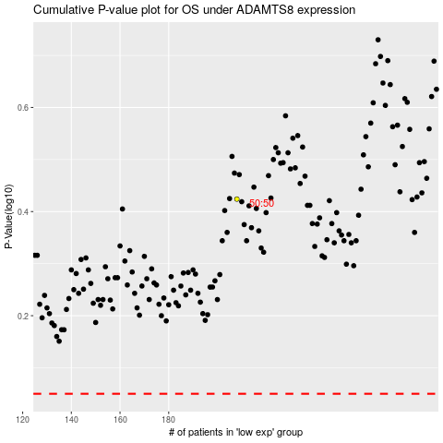

 |  |  |  |  |  | cases_OS | p_OS | rank | exp
 |  |  |  |  |  |  | cases_RFS | p_RFS | rank | exp

