ADAMTS9 _multivariate
Reported by Tex Li-Hsing Chi. tex@gate.sinica.edu.tw 2019-08-22

Table 2. The clinicopathological features of HNSCC cohort and ADAMTS9 expression. (Chi square test)
Cutoff at -0.435 (30.2%)
 |  | ADAMTS9 expression |  | ADAMTS9 expression |  | (Optimised)
 | Features | Low | (%) | High | (%) | Case no | P-value | Remark | Matthews
Gender | Female | 90 | 21.7 | 216 | 52 | 415 | 0.685 | 0 | 0
2 | Male | 35 | 8.4 | 74 | 17.8
Age at diagnosis | <=65y | 78 | 18.8 | 196 | 47.2 | 415 | 0.3626 | 0 | 0
4 | >65y | 47 | 11.3 | 94 | 22.7
Clinical T Status | T1+T2 | 50 | 12 | 99 | 23.9 | 415 | 0.3027 | 0 | 0
6 | T3+T4 | 75 | 18.1 | 191 | 46
Clinical N Status | N0 | 65 | 15.7 | 151 | 36.4 | 415 | 1 | 0 | 0
8 | N1-3 | 60 | 14.5 | 139 | 33.5
Clinical M Status | M0 | 122 | 29.4 | 290 | 69.9 | 415 | 0.0269 | 1 | 0
10 | M1 | 3 | 0.7 | 0 | 0
Clinical Stage | Stage I+II | 31 | 7.5 | 71 | 17.1 | 415 | 1 | 0 | 0
12 | Stage III+IV | 94 | 22.7 | 219 | 52.8
Surgical Margin status | Negative | 94 | 22.7 | 224 | 54 | 415 | 0.7047 | 0 | 0
14 | Positive | 31 | 7.5 | 66 | 15.9
Tobacco Exposure | Low | 55 | 13.3 | 106 | 25.5 | 415 | 0.1556 | 0 | 0
16 | High | 70 | 16.9 | 184 | 44.3

Table 3. Univariate/Multivariate Cox's proportional hazards regression analyses on OS time of ADAMTS9 gene expression in HNSCC

 |  | Univariate |  |  |  | Multivariate
 | Features | HR | CI95%(L) | CI95%(H) | P-value | HR | CI95%(L) | CI95%(H) | P-value
1 | Female | 1 |  |  |  | 1
Gender | Male | 1.157 | 0.843 | 1.587 | 0.367 | 1.171 | 0.836 | 1.64 | 0.36
11 | <=65y | 1 |  |  |  | 1
Age at diagnosis | >65y | 1.329 | 0.99 | 1.784 | 0.058 | 1.353 | 0.994 | 1.841 | 0.055
12 | T1+T2 | 1 |  |  |  | 1
Clinical T Status | T3+T4 | 1.409 | 1.028 | 1.931 | 0.033 | 2.309 | 1.219 | 4.374 | 0.01
13 | N0 | 1 |  |  |  | 1
Clinical N Status | N1-3 | 1.185 | 0.89 | 1.577 | 0.246 | 1.244 | 0.872 | 1.775 | 0.229
14 | M0 | 1 |  |  |  | 1
Clinical M Status | M1 | 4.097 | 1.009 | 16.644 | 0.049 | 7.971 | 1.723 | 36.871 | 0.008
15 | Stage I+II | 1 |  |  |  | 1
Clinical Stage | Stage III+IV | 1.245 | 0.882 | 1.759 | 0.213 | 0.475 | 0.221 | 1.022 | 0.057
16 | Negative | 1 |  |  |  | 1
Surgical Margin status | Positive | 1.591 | 1.155 | 2.191 | 0.004 | 1.656 | 1.198 | 2.289 | 0.002
17 | Low | 1 |  |  |  | 1
Tobacco Exposure | High | 1.364 | 1.008 | 1.844 | 0.044 | 1.484 | 1.074 | 2.05 | 0.017
18 | Low | 1 |  |  |  | 1
RNAseq(z-score) | High | 0.734 | 0.542 | 0.993 | 0.045 | 0.742 | 0.543 | 1.014 | 0.061

Table 4. Univariate/Multivariate Cox's proportional hazards regression analyses on RFS time of ADAMTS9 gene expression in HNSCC

 |  | Univariate |  |  |  | Multivariate
 | Features | HR | CI95%(L) | CI95%(H) | P-value | HR | CI95%(L) | CI95%(H) | P-value
1 | Female | 1 |  |  |  | 1
Gender | Male | 1.157 | 0.843 | 1.587 | 0.367 | 1.171 | 0.836 | 1.64 | 0.36
11 | <=65y | 1 |  |  |  | 1
Age at diagnosis | >65y | 1.329 | 0.99 | 1.784 | 0.058 | 1.353 | 0.994 | 1.841 | 0.055
12 | T1+T2 | 1 |  |  |  | 1
Clinical T Status | T3+T4 | 1.409 | 1.028 | 1.931 | 0.033 | 2.309 | 1.219 | 4.374 | 0.01
13 | N0 | 1 |  |  |  | 1
Clinical N Status | N1-3 | 1.185 | 0.89 | 1.577 | 0.246 | 1.244 | 0.872 | 1.775 | 0.229
14 | M0 | 1 |  |  |  | 1
Clinical M Status | M1 | 4.097 | 1.009 | 16.644 | 0.049 | 7.971 | 1.723 | 36.871 | 0.008
15 | Stage I+II | 1 |  |  |  | 1
Clinical Stage | Stage III+IV | 1.245 | 0.882 | 1.759 | 0.213 | 0.475 | 0.221 | 1.022 | 0.057
16 | Negative | 1 |  |  |  | 1
Surgical Margin status | Positive | 1.591 | 1.155 | 2.191 | 0.004 | 1.656 | 1.198 | 2.289 | 0.002
17 | Low | 1 |  |  |  | 1
Tobacco Exposure | High | 1.364 | 1.008 | 1.844 | 0.044 | 1.484 | 1.074 | 2.05 | 0.017
18 | Low | 1 |  |  |  | 1
RNAseq(z-score) | High | 0.734 | 0.542 | 0.993 | 0.045 | 0.742 | 0.543 | 1.014 | 0.061

Kaplan-Meier survival estimate: Cutoff at -0.435 (30.2%)



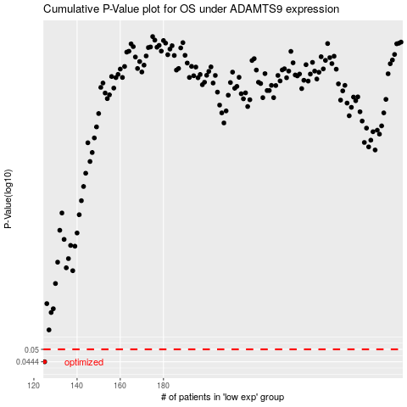

 |  |  |  |  |  | cases_OS | p_OS | rank | exp
 |  |  |  |  |  | 125 | 0.0444 | 177 | -0.43509214435
 |  |  |  |  |  |  | cases_RFS | p_RFS | rank | exp
 |  |  |  |  |  |  |  | 0.0444 | 210 | -0.4368423968

