ADAMTSL3 _multivariate
Reported by Tex Li-Hsing Chi. tex@gate.sinica.edu.tw 2019-08-22

Table 2. The clinicopathological features of HNSCC cohort and ADAMTSL3 expression. (Chi square test)
Cutoff at -0.345 (49.8%)
 |  | ADAMTSL3 expression |  | ADAMTSL3 expression |  | (Optimised)
 | Features | Low | (%) | High | (%) | Case no | P-value | Remark | Matthews
Gender | Female | 152 | 36.6 | 154 | 37.1 | 415 | 0.9766 | 0 | 0
2 | Male | 55 | 13.3 | 54 | 13
Age at diagnosis | <=65y | 134 | 32.3 | 140 | 33.7 | 415 | 0.6529 | 0 | 0
4 | >65y | 73 | 17.6 | 68 | 16.4
Clinical T Status | T1+T2 | 63 | 15.2 | 86 | 20.7 | 415 | 0.0268 | 1 | 0
6 | T3+T4 | 144 | 34.7 | 122 | 29.4
Clinical N Status | N0 | 108 | 26 | 108 | 26 | 415 | 1 | 0 | 0
8 | N1-3 | 99 | 23.9 | 100 | 24.1
Clinical M Status | M0 | 206 | 49.6 | 206 | 49.6 | 415 | 1 | 0 | 0
10 | M1 | 1 | 0.2 | 2 | 0.5
Clinical Stage | Stage I+II | 46 | 11.1 | 56 | 13.5 | 415 | 0.3182 | 0 | 0
12 | Stage III+IV | 161 | 38.8 | 152 | 36.6
Surgical Margin status | Negative | 154 | 37.1 | 164 | 39.5 | 415 | 0.2984 | 0 | 0
14 | Positive | 53 | 12.8 | 44 | 10.6
Tobacco Exposure | Low | 85 | 20.5 | 76 | 18.3 | 415 | 0.3655 | 0 | 0
16 | High | 122 | 29.4 | 132 | 31.8

Table 3. Univariate/Multivariate Cox's proportional hazards regression analyses on OS time of ADAMTSL3 gene expression in HNSCC

 |  | Univariate |  |  |  | Multivariate
 | Features | HR | CI95%(L) | CI95%(H) | P-value | HR | CI95%(L) | CI95%(H) | P-value
1 | Female | 1 |  |  |  | 1
Gender | Male | 1.157 | 0.843 | 1.587 | 0.367 | 1.204 | 0.861 | 1.683 | 0.278
11 | <=65y | 1 |  |  |  | 1
Age at diagnosis | >65y | 1.329 | 0.99 | 1.784 | 0.058 | 1.389 | 1.022 | 1.889 | 0.036
12 | T1+T2 | 1 |  |  |  | 1
Clinical T Status | T3+T4 | 1.409 | 1.028 | 1.931 | 0.033 | 2.18 | 1.152 | 4.125 | 0.017
13 | N0 | 1 |  |  |  | 1
Clinical N Status | N1-3 | 1.185 | 0.89 | 1.577 | 0.246 | 1.247 | 0.873 | 1.779 | 0.225
14 | M0 | 1 |  |  |  | 1
Clinical M Status | M1 | 4.097 | 1.009 | 16.644 | 0.049 | 9.444 | 2.06 | 43.3 | 0.004
15 | Stage I+II | 1 |  |  |  | 1
Clinical Stage | Stage III+IV | 1.245 | 0.882 | 1.759 | 0.213 | 0.504 | 0.235 | 1.082 | 0.079
16 | Negative | 1 |  |  |  | 1
Surgical Margin status | Positive | 1.591 | 1.155 | 2.191 | 0.004 | 1.673 | 1.21 | 2.311 | 0.002
17 | Low | 1 |  |  |  | 1
Tobacco Exposure | High | 1.364 | 1.008 | 1.844 | 0.044 | 1.463 | 1.06 | 2.019 | 0.021
18 | Low | 1 |  |  |  | 1
RNAseq(z-score) | High | 0.896 | 0.673 | 1.194 | 0.455 | 0.909 | 0.68 | 1.213 | 0.516

Table 4. Univariate/Multivariate Cox's proportional hazards regression analyses on RFS time of ADAMTSL3 gene expression in HNSCC

 |  | Univariate |  |  |  | Multivariate
 | Features | HR | CI95%(L) | CI95%(H) | P-value | HR | CI95%(L) | CI95%(H) | P-value
1 | Female | 1 |  |  |  | 1
Gender | Male | 1.157 | 0.843 | 1.587 | 0.367 | 1.204 | 0.861 | 1.683 | 0.278
11 | <=65y | 1 |  |  |  | 1
Age at diagnosis | >65y | 1.329 | 0.99 | 1.784 | 0.058 | 1.389 | 1.022 | 1.889 | 0.036
12 | T1+T2 | 1 |  |  |  | 1
Clinical T Status | T3+T4 | 1.409 | 1.028 | 1.931 | 0.033 | 2.18 | 1.152 | 4.125 | 0.017
13 | N0 | 1 |  |  |  | 1
Clinical N Status | N1-3 | 1.185 | 0.89 | 1.577 | 0.246 | 1.247 | 0.873 | 1.779 | 0.225
14 | M0 | 1 |  |  |  | 1
Clinical M Status | M1 | 4.097 | 1.009 | 16.644 | 0.049 | 9.444 | 2.06 | 43.3 | 0.004
15 | Stage I+II | 1 |  |  |  | 1
Clinical Stage | Stage III+IV | 1.245 | 0.882 | 1.759 | 0.213 | 0.504 | 0.235 | 1.082 | 0.079
16 | Negative | 1 |  |  |  | 1
Surgical Margin status | Positive | 1.591 | 1.155 | 2.191 | 0.004 | 1.673 | 1.21 | 2.311 | 0.002
17 | Low | 1 |  |  |  | 1
Tobacco Exposure | High | 1.364 | 1.008 | 1.844 | 0.044 | 1.463 | 1.06 | 2.019 | 0.021
18 | Low | 1 |  |  |  | 1
RNAseq(z-score) | High | 0.896 | 0.673 | 1.194 | 0.455 | 0.909 | 0.68 | 1.213 | 0.516

Kaplan-Meier survival estimate: Cutoff at -0.345 (49.8%)



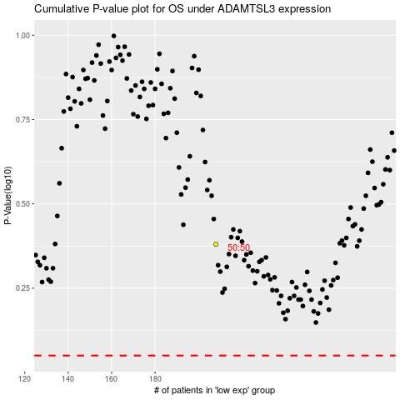

 |  |  |  |  |  | cases_OS | p_OS | rank | exp
 |  |  |  |  |  |  | cases_RFS | p_RFS | rank | exp

