ADAMTSL4 _multivariate
Reported by Tex Li-Hsing Chi. tex@gate.sinica.edu.tw 2019-08-22

Table 2. The clinicopathological features of HNSCC cohort and ADAMTSL4 expression. (Chi square test)
Cutoff at -0.333 (50.0%)
 |  | ADAMTSL4 expression |  | ADAMTSL4 expression |  | (Optimised)
 | Features | Low | (%) | High | (%) | Case no | P-value | Remark | Matthews
Gender | Female | 166 | 40 | 140 | 33.7 | 415 | 0.0041 | 1 | 0
2 | Male | 41 | 9.9 | 68 | 16.4
Age at diagnosis | <=65y | 144 | 34.7 | 130 | 31.3 | 415 | 0.1568 | 0 | 0
4 | >65y | 63 | 15.2 | 78 | 18.8
Clinical T Status | T1+T2 | 76 | 18.3 | 73 | 17.6 | 415 | 0.8092 | 0 | 0
6 | T3+T4 | 131 | 31.6 | 135 | 32.5
Clinical N Status | N0 | 102 | 24.6 | 114 | 27.5 | 415 | 0.3031 | 0 | 0
8 | N1-3 | 105 | 25.3 | 94 | 22.7
Clinical M Status | M0 | 205 | 49.4 | 207 | 49.9 | 415 | 0.6232 | 0 | 0
10 | M1 | 2 | 0.5 | 1 | 0.2
Clinical Stage | Stage I+II | 48 | 11.6 | 54 | 13 | 415 | 0.5878 | 0 | 0
12 | Stage III+IV | 159 | 38.3 | 154 | 37.1
Surgical Margin status | Negative | 150 | 36.1 | 168 | 40.5 | 415 | 0.0492 | 1 | 0
14 | Positive | 57 | 13.7 | 40 | 9.6
Tobacco Exposure | Low | 59 | 14.2 | 102 | 24.6 | 415 | 0 | 1 | 0
16 | High | 148 | 35.7 | 106 | 25.5

Table 3. Univariate/Multivariate Cox's proportional hazards regression analyses on OS time of ADAMTSL4 gene expression in HNSCC

 |  | Univariate |  |  |  | Multivariate
 | Features | HR | CI95%(L) | CI95%(H) | P-value | HR | CI95%(L) | CI95%(H) | P-value
1 | Female | 1 |  |  |  | 1
Gender | Male | 1.157 | 0.843 | 1.587 | 0.367 | 1.204 | 0.858 | 1.689 | 0.282
11 | <=65y | 1 |  |  |  | 1
Age at diagnosis | >65y | 1.329 | 0.99 | 1.784 | 0.058 | 1.392 | 1.024 | 1.892 | 0.035
12 | T1+T2 | 1 |  |  |  | 1
Clinical T Status | T3+T4 | 1.409 | 1.028 | 1.931 | 0.033 | 2.206 | 1.165 | 4.178 | 0.015
13 | N0 | 1 |  |  |  | 1
Clinical N Status | N1-3 | 1.185 | 0.89 | 1.577 | 0.246 | 1.241 | 0.87 | 1.771 | 0.234
14 | M0 | 1 |  |  |  | 1
Clinical M Status | M1 | 4.097 | 1.009 | 16.644 | 0.049 | 9.412 | 2.053 | 43.146 | 0.004
15 | Stage I+II | 1 |  |  |  | 1
Clinical Stage | Stage III+IV | 1.245 | 0.882 | 1.759 | 0.213 | 0.504 | 0.235 | 1.082 | 0.079
16 | Negative | 1 |  |  |  | 1
Surgical Margin status | Positive | 1.591 | 1.155 | 2.191 | 0.004 | 1.67 | 1.207 | 2.31 | 0.002
17 | Low | 1 |  |  |  | 1
Tobacco Exposure | High | 1.364 | 1.008 | 1.844 | 0.044 | 1.451 | 1.051 | 2.003 | 0.024
18 | Low | 1 |  |  |  | 1
RNAseq(z-score) | High | 0.955 | 0.715 | 1.276 | 0.758 | 0.989 | 0.733 | 1.333 | 0.941

Table 4. Univariate/Multivariate Cox's proportional hazards regression analyses on RFS time of ADAMTSL4 gene expression in HNSCC

 |  | Univariate |  |  |  | Multivariate
 | Features | HR | CI95%(L) | CI95%(H) | P-value | HR | CI95%(L) | CI95%(H) | P-value
1 | Female | 1 |  |  |  | 1
Gender | Male | 1.157 | 0.843 | 1.587 | 0.367 | 1.204 | 0.858 | 1.689 | 0.282
11 | <=65y | 1 |  |  |  | 1
Age at diagnosis | >65y | 1.329 | 0.99 | 1.784 | 0.058 | 1.392 | 1.024 | 1.892 | 0.035
12 | T1+T2 | 1 |  |  |  | 1
Clinical T Status | T3+T4 | 1.409 | 1.028 | 1.931 | 0.033 | 2.206 | 1.165 | 4.178 | 0.015
13 | N0 | 1 |  |  |  | 1
Clinical N Status | N1-3 | 1.185 | 0.89 | 1.577 | 0.246 | 1.241 | 0.87 | 1.771 | 0.234
14 | M0 | 1 |  |  |  | 1
Clinical M Status | M1 | 4.097 | 1.009 | 16.644 | 0.049 | 9.412 | 2.053 | 43.146 | 0.004
15 | Stage I+II | 1 |  |  |  | 1
Clinical Stage | Stage III+IV | 1.245 | 0.882 | 1.759 | 0.213 | 0.504 | 0.235 | 1.082 | 0.079
16 | Negative | 1 |  |  |  | 1
Surgical Margin status | Positive | 1.591 | 1.155 | 2.191 | 0.004 | 1.67 | 1.207 | 2.31 | 0.002
17 | Low | 1 |  |  |  | 1
Tobacco Exposure | High | 1.364 | 1.008 | 1.844 | 0.044 | 1.451 | 1.051 | 2.003 | 0.024
18 | Low | 1 |  |  |  | 1
RNAseq(z-score) | High | 0.955 | 0.715 | 1.276 | 0.758 | 0.989 | 0.733 | 1.333 | 0.941

Kaplan-Meier survival estimate: Cutoff at -0.333 (50.0%)



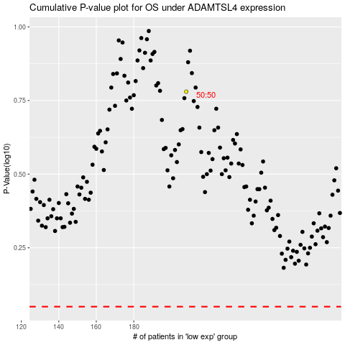

 |  |  |  |  |  | cases_OS | p_OS | rank | exp
 |  |  |  |  |  |  | cases_RFS | p_RFS | rank | exp

