ADAMTSL5 _multivariate
Reported by Tex Li-Hsing Chi. tex@gate.sinica.edu.tw 2019-08-22

Table 2. The clinicopathological features of HNSCC cohort and ADAMTSL5 expression. (Chi square test)
Cutoff at -0.179 (50.0%)
 |  | ADAMTSL5 expression |  | ADAMTSL5 expression |  | (Optimised)
 | Features | Low | (%) | High | (%) | Case no | P-value | Remark | Matthews
Gender | Female | 153 | 36.9 | 153 | 36.9 | 415 | 1 | 0 | 0
2 | Male | 54 | 13 | 55 | 13.3
Age at diagnosis | <=65y | 138 | 33.3 | 136 | 32.8 | 415 | 0.8634 | 0 | 0
4 | >65y | 69 | 16.6 | 72 | 17.3
Clinical T Status | T1+T2 | 85 | 20.5 | 64 | 15.4 | 415 | 0.0372 | 1 | 0
6 | T3+T4 | 122 | 29.4 | 144 | 34.7
Clinical N Status | N0 | 100 | 24.1 | 116 | 28 | 415 | 0.1548 | 0 | 0
8 | N1-3 | 107 | 25.8 | 92 | 22.2
Clinical M Status | M0 | 206 | 49.6 | 206 | 49.6 | 415 | 1 | 0 | 0
10 | M1 | 1 | 0.2 | 2 | 0.5
Clinical Stage | Stage I+II | 59 | 14.2 | 43 | 10.4 | 415 | 0.0822 | 0 | 0
12 | Stage III+IV | 148 | 35.7 | 165 | 39.8
Surgical Margin status | Negative | 150 | 36.1 | 168 | 40.5 | 415 | 0.0492 | 1 | 0
14 | Positive | 57 | 13.7 | 40 | 9.6
Tobacco Exposure | Low | 74 | 17.8 | 87 | 21 | 415 | 0.227 | 0 | 0
16 | High | 133 | 32 | 121 | 29.2

Table 3. Univariate/Multivariate Cox's proportional hazards regression analyses on OS time of ADAMTSL5 gene expression in HNSCC

 |  | Univariate |  |  |  | Multivariate
 | Features | HR | CI95%(L) | CI95%(H) | P-value | HR | CI95%(L) | CI95%(H) | P-value
1 | Female | 1 |  |  |  | 1
Gender | Male | 1.157 | 0.843 | 1.587 | 0.367 | 1.199 | 0.858 | 1.676 | 0.287
11 | <=65y | 1 |  |  |  | 1
Age at diagnosis | >65y | 1.329 | 0.99 | 1.784 | 0.058 | 1.395 | 1.026 | 1.897 | 0.034
12 | T1+T2 | 1 |  |  |  | 1
Clinical T Status | T3+T4 | 1.409 | 1.028 | 1.931 | 0.033 | 2.199 | 1.163 | 4.158 | 0.015
13 | N0 | 1 |  |  |  | 1
Clinical N Status | N1-3 | 1.185 | 0.89 | 1.577 | 0.246 | 1.25 | 0.874 | 1.788 | 0.223
14 | M0 | 1 |  |  |  | 1
Clinical M Status | M1 | 4.097 | 1.009 | 16.644 | 0.049 | 9.251 | 2.011 | 42.547 | 0.004
15 | Stage I+II | 1 |  |  |  | 1
Clinical Stage | Stage III+IV | 1.245 | 0.882 | 1.759 | 0.213 | 0.5 | 0.233 | 1.075 | 0.076
16 | Negative | 1 |  |  |  | 1
Surgical Margin status | Positive | 1.591 | 1.155 | 2.191 | 0.004 | 1.677 | 1.213 | 2.318 | 0.002
17 | Low | 1 |  |  |  | 1
Tobacco Exposure | High | 1.364 | 1.008 | 1.844 | 0.044 | 1.453 | 1.055 | 2.002 | 0.022
18 | Low | 1 |  |  |  | 1
RNAseq(z-score) | High | 1.04 | 0.781 | 1.385 | 0.787 | 1.049 | 0.783 | 1.405 | 0.749

Table 4. Univariate/Multivariate Cox's proportional hazards regression analyses on RFS time of ADAMTSL5 gene expression in HNSCC

 |  | Univariate |  |  |  | Multivariate
 | Features | HR | CI95%(L) | CI95%(H) | P-value | HR | CI95%(L) | CI95%(H) | P-value
1 | Female | 1 |  |  |  | 1
Gender | Male | 1.157 | 0.843 | 1.587 | 0.367 | 1.199 | 0.858 | 1.676 | 0.287
11 | <=65y | 1 |  |  |  | 1
Age at diagnosis | >65y | 1.329 | 0.99 | 1.784 | 0.058 | 1.395 | 1.026 | 1.897 | 0.034
12 | T1+T2 | 1 |  |  |  | 1
Clinical T Status | T3+T4 | 1.409 | 1.028 | 1.931 | 0.033 | 2.199 | 1.163 | 4.158 | 0.015
13 | N0 | 1 |  |  |  | 1
Clinical N Status | N1-3 | 1.185 | 0.89 | 1.577 | 0.246 | 1.25 | 0.874 | 1.788 | 0.223
14 | M0 | 1 |  |  |  | 1
Clinical M Status | M1 | 4.097 | 1.009 | 16.644 | 0.049 | 9.251 | 2.011 | 42.547 | 0.004
15 | Stage I+II | 1 |  |  |  | 1
Clinical Stage | Stage III+IV | 1.245 | 0.882 | 1.759 | 0.213 | 0.5 | 0.233 | 1.075 | 0.076
16 | Negative | 1 |  |  |  | 1
Surgical Margin status | Positive | 1.591 | 1.155 | 2.191 | 0.004 | 1.677 | 1.213 | 2.318 | 0.002
17 | Low | 1 |  |  |  | 1
Tobacco Exposure | High | 1.364 | 1.008 | 1.844 | 0.044 | 1.453 | 1.055 | 2.002 | 0.022
18 | Low | 1 |  |  |  | 1
RNAseq(z-score) | High | 1.04 | 0.781 | 1.385 | 0.787 | 1.049 | 0.783 | 1.405 | 0.749

Kaplan-Meier survival estimate: Cutoff at -0.179 (50.0%)



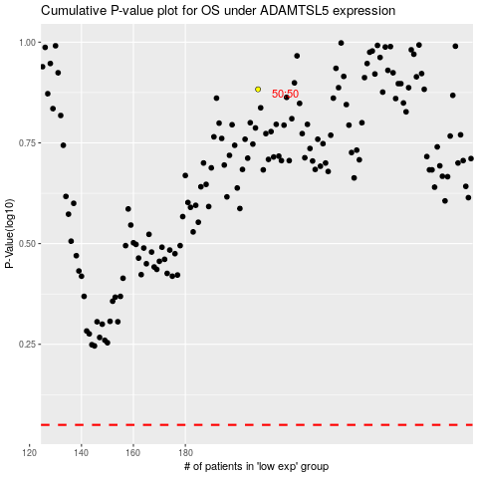

 |  |  |  |  |  | cases_OS | p_OS | rank | exp
 |  |  |  |  |  |  | cases_RFS | p_RFS | rank | exp

