ADARB2 _multivariate
Reported by Tex Li-Hsing Chi. tex@gate.sinica.edu.tw 2019-08-22

Table 2. The clinicopathological features of HNSCC cohort and ADARB2 expression. (Chi square test)
Cutoff at -0.339 (50.0%)
 |  | ADARB2 expression |  | ADARB2 expression |  | (Optimised)
 | Features | Low | (%) | High | (%) | Case no | P-value | Remark | Matthews
Gender | Female | 145 | 34.9 | 161 | 38.8 | 415 | 0.1116 | 0 | 0
2 | Male | 62 | 14.9 | 47 | 11.3
Age at diagnosis | <=65y | 136 | 32.8 | 138 | 33.3 | 415 | 0.9719 | 0 | 0
4 | >65y | 71 | 17.1 | 70 | 16.9
Clinical T Status | T1+T2 | 64 | 15.4 | 85 | 20.5 | 415 | 0.0445 | 1 | 0
6 | T3+T4 | 143 | 34.5 | 123 | 29.6
Clinical N Status | N0 | 105 | 25.3 | 111 | 26.7 | 415 | 0.6598 | 0 | 0
8 | N1-3 | 102 | 24.6 | 97 | 23.4
Clinical M Status | M0 | 206 | 49.6 | 206 | 49.6 | 415 | 1 | 0 | 0
10 | M1 | 1 | 0.2 | 2 | 0.5
Clinical Stage | Stage I+II | 47 | 11.3 | 55 | 13.3 | 415 | 0.4413 | 0 | 0
12 | Stage III+IV | 160 | 38.6 | 153 | 36.9
Surgical Margin status | Negative | 154 | 37.1 | 164 | 39.5 | 415 | 0.2984 | 0 | 0
14 | Positive | 53 | 12.8 | 44 | 10.6
Tobacco Exposure | Low | 90 | 21.7 | 71 | 17.1 | 415 | 0.0559 | 0 | 0
16 | High | 117 | 28.2 | 137 | 33

Table 3. Univariate/Multivariate Cox's proportional hazards regression analyses on OS time of ADARB2 gene expression in HNSCC

 |  | Univariate |  |  |  | Multivariate
 | Features | HR | CI95%(L) | CI95%(H) | P-value | HR | CI95%(L) | CI95%(H) | P-value
1 | Female | 1 |  |  |  | 1
Gender | Male | 1.157 | 0.843 | 1.587 | 0.367 | 1.178 | 0.838 | 1.654 | 0.346
11 | <=65y | 1 |  |  |  | 1
Age at diagnosis | >65y | 1.329 | 0.99 | 1.784 | 0.058 | 1.403 | 1.031 | 1.909 | 0.031
12 | T1+T2 | 1 |  |  |  | 1
Clinical T Status | T3+T4 | 1.409 | 1.028 | 1.931 | 0.033 | 2.158 | 1.139 | 4.089 | 0.018
13 | N0 | 1 |  |  |  | 1
Clinical N Status | N1-3 | 1.185 | 0.89 | 1.577 | 0.246 | 1.235 | 0.866 | 1.763 | 0.244
14 | M0 | 1 |  |  |  | 1
Clinical M Status | M1 | 4.097 | 1.009 | 16.644 | 0.049 | 9.516 | 2.076 | 43.63 | 0.004
15 | Stage I+II | 1 |  |  |  | 1
Clinical Stage | Stage III+IV | 1.245 | 0.882 | 1.759 | 0.213 | 0.514 | 0.239 | 1.105 | 0.088
16 | Negative | 1 |  |  |  | 1
Surgical Margin status | Positive | 1.591 | 1.155 | 2.191 | 0.004 | 1.648 | 1.19 | 2.283 | 0.003
17 | Low | 1 |  |  |  | 1
Tobacco Exposure | High | 1.364 | 1.008 | 1.844 | 0.044 | 1.465 | 1.062 | 2.021 | 0.02
18 | Low | 1 |  |  |  | 1
RNAseq(z-score) | High | 0.868 | 0.649 | 1.161 | 0.341 | 0.902 | 0.667 | 1.218 | 0.5

Table 4. Univariate/Multivariate Cox's proportional hazards regression analyses on RFS time of ADARB2 gene expression in HNSCC

 |  | Univariate |  |  |  | Multivariate
 | Features | HR | CI95%(L) | CI95%(H) | P-value | HR | CI95%(L) | CI95%(H) | P-value
1 | Female | 1 |  |  |  | 1
Gender | Male | 1.157 | 0.843 | 1.587 | 0.367 | 1.178 | 0.838 | 1.654 | 0.346
11 | <=65y | 1 |  |  |  | 1
Age at diagnosis | >65y | 1.329 | 0.99 | 1.784 | 0.058 | 1.403 | 1.031 | 1.909 | 0.031
12 | T1+T2 | 1 |  |  |  | 1
Clinical T Status | T3+T4 | 1.409 | 1.028 | 1.931 | 0.033 | 2.158 | 1.139 | 4.089 | 0.018
13 | N0 | 1 |  |  |  | 1
Clinical N Status | N1-3 | 1.185 | 0.89 | 1.577 | 0.246 | 1.235 | 0.866 | 1.763 | 0.244
14 | M0 | 1 |  |  |  | 1
Clinical M Status | M1 | 4.097 | 1.009 | 16.644 | 0.049 | 9.516 | 2.076 | 43.63 | 0.004
15 | Stage I+II | 1 |  |  |  | 1
Clinical Stage | Stage III+IV | 1.245 | 0.882 | 1.759 | 0.213 | 0.514 | 0.239 | 1.105 | 0.088
16 | Negative | 1 |  |  |  | 1
Surgical Margin status | Positive | 1.591 | 1.155 | 2.191 | 0.004 | 1.648 | 1.19 | 2.283 | 0.003
17 | Low | 1 |  |  |  | 1
Tobacco Exposure | High | 1.364 | 1.008 | 1.844 | 0.044 | 1.465 | 1.062 | 2.021 | 0.02
18 | Low | 1 |  |  |  | 1
RNAseq(z-score) | High | 0.868 | 0.649 | 1.161 | 0.341 | 0.902 | 0.667 | 1.218 | 0.5

Kaplan-Meier survival estimate: Cutoff at -0.339 (50.0%)



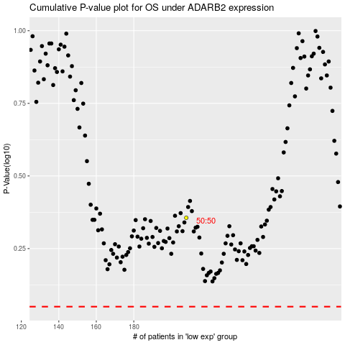

 |  |  |  |  |  | cases_OS | p_OS | rank | exp
 |  |  |  |  |  |  | cases_RFS | p_RFS | rank | exp

