ADAT1 _multivariate
Reported by Tex Li-Hsing Chi. tex@gate.sinica.edu.tw 2019-08-22

Table 2. The clinicopathological features of HNSCC cohort and ADAT1 expression. (Chi square test)
Cutoff at -0.005 (49.8%)
 |  | ADAT1 expression |  | ADAT1 expression |  | (Optimised)
 | Features | Low | (%) | High | (%) | Case no | P-value | Remark | Matthews
Gender | Female | 151 | 36.4 | 155 | 37.3 | 415 | 0.8007 | 0 | 0
2 | Male | 56 | 13.5 | 53 | 12.8
Age at diagnosis | <=65y | 133 | 32 | 141 | 34 | 415 | 0.5111 | 0 | 0
4 | >65y | 74 | 17.8 | 67 | 16.1
Clinical T Status | T1+T2 | 77 | 18.6 | 72 | 17.3 | 415 | 0.6556 | 0 | 0
6 | T3+T4 | 130 | 31.3 | 136 | 32.8
Clinical N Status | N0 | 109 | 26.3 | 107 | 25.8 | 415 | 0.8812 | 0 | 0
8 | N1-3 | 98 | 23.6 | 101 | 24.3
Clinical M Status | M0 | 205 | 49.4 | 207 | 49.9 | 415 | 0.6232 | 0 | 0
10 | M1 | 2 | 0.5 | 1 | 0.2
Clinical Stage | Stage I+II | 50 | 12 | 52 | 12.5 | 415 | 0.9315 | 0 | 0
12 | Stage III+IV | 157 | 37.8 | 156 | 37.6
Surgical Margin status | Negative | 152 | 36.6 | 166 | 40 | 415 | 0.1329 | 0 | 0
14 | Positive | 55 | 13.3 | 42 | 10.1
Tobacco Exposure | Low | 85 | 20.5 | 76 | 18.3 | 415 | 0.3655 | 0 | 0
16 | High | 122 | 29.4 | 132 | 31.8

Table 3. Univariate/Multivariate Cox's proportional hazards regression analyses on OS time of ADAT1 gene expression in HNSCC

 |  | Univariate |  |  |  | Multivariate
 | Features | HR | CI95%(L) | CI95%(H) | P-value | HR | CI95%(L) | CI95%(H) | P-value
1 | Female | 1 |  |  |  | 1
Gender | Male | 1.157 | 0.843 | 1.587 | 0.367 | 1.206 | 0.864 | 1.684 | 0.271
11 | <=65y | 1 |  |  |  | 1
Age at diagnosis | >65y | 1.329 | 0.99 | 1.784 | 0.058 | 1.396 | 1.027 | 1.898 | 0.033
12 | T1+T2 | 1 |  |  |  | 1
Clinical T Status | T3+T4 | 1.409 | 1.028 | 1.931 | 0.033 | 2.144 | 1.132 | 4.06 | 0.019
13 | N0 | 1 |  |  |  | 1
Clinical N Status | N1-3 | 1.185 | 0.89 | 1.577 | 0.246 | 1.222 | 0.856 | 1.746 | 0.27
14 | M0 | 1 |  |  |  | 1
Clinical M Status | M1 | 4.097 | 1.009 | 16.644 | 0.049 | 9.476 | 2.067 | 43.445 | 0.004
15 | Stage I+II | 1 |  |  |  | 1
Clinical Stage | Stage III+IV | 1.245 | 0.882 | 1.759 | 0.213 | 0.524 | 0.243 | 1.127 | 0.098
16 | Negative | 1 |  |  |  | 1
Surgical Margin status | Positive | 1.591 | 1.155 | 2.191 | 0.004 | 1.709 | 1.234 | 2.367 | 0.001
17 | Low | 1 |  |  |  | 1
Tobacco Exposure | High | 1.364 | 1.008 | 1.844 | 0.044 | 1.46 | 1.06 | 2.01 | 0.021
18 | Low | 1 |  |  |  | 1
RNAseq(z-score) | High | 1.154 | 0.866 | 1.538 | 0.328 | 1.199 | 0.896 | 1.604 | 0.222

Table 4. Univariate/Multivariate Cox's proportional hazards regression analyses on RFS time of ADAT1 gene expression in HNSCC

 |  | Univariate |  |  |  | Multivariate
 | Features | HR | CI95%(L) | CI95%(H) | P-value | HR | CI95%(L) | CI95%(H) | P-value
1 | Female | 1 |  |  |  | 1
Gender | Male | 1.157 | 0.843 | 1.587 | 0.367 | 1.206 | 0.864 | 1.684 | 0.271
11 | <=65y | 1 |  |  |  | 1
Age at diagnosis | >65y | 1.329 | 0.99 | 1.784 | 0.058 | 1.396 | 1.027 | 1.898 | 0.033
12 | T1+T2 | 1 |  |  |  | 1
Clinical T Status | T3+T4 | 1.409 | 1.028 | 1.931 | 0.033 | 2.144 | 1.132 | 4.06 | 0.019
13 | N0 | 1 |  |  |  | 1
Clinical N Status | N1-3 | 1.185 | 0.89 | 1.577 | 0.246 | 1.222 | 0.856 | 1.746 | 0.27
14 | M0 | 1 |  |  |  | 1
Clinical M Status | M1 | 4.097 | 1.009 | 16.644 | 0.049 | 9.476 | 2.067 | 43.445 | 0.004
15 | Stage I+II | 1 |  |  |  | 1
Clinical Stage | Stage III+IV | 1.245 | 0.882 | 1.759 | 0.213 | 0.524 | 0.243 | 1.127 | 0.098
16 | Negative | 1 |  |  |  | 1
Surgical Margin status | Positive | 1.591 | 1.155 | 2.191 | 0.004 | 1.709 | 1.234 | 2.367 | 0.001
17 | Low | 1 |  |  |  | 1
Tobacco Exposure | High | 1.364 | 1.008 | 1.844 | 0.044 | 1.46 | 1.06 | 2.01 | 0.021
18 | Low | 1 |  |  |  | 1
RNAseq(z-score) | High | 1.154 | 0.866 | 1.538 | 0.328 | 1.199 | 0.896 | 1.604 | 0.222

Kaplan-Meier survival estimate: Cutoff at -0.005 (49.8%)



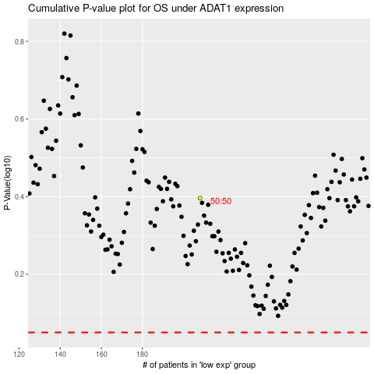

 |  |  |  |  |  | cases_OS | p_OS | rank | exp
 |  |  |  |  |  |  | cases_RFS | p_RFS | rank | exp

