ADAT2 _multivariate
Reported by Tex Li-Hsing Chi. tex@gate.sinica.edu.tw 2019-08-22

Table 2. The clinicopathological features of HNSCC cohort and ADAT2 expression. (Chi square test)
Cutoff at -0.277 (44.4%)
 |  | ADAT2 expression |  | ADAT2 expression |  | (Optimised)
 | Features | Low | (%) | High | (%) | Case no | P-value | Remark | Matthews
Gender | Female | 129 | 31.1 | 177 | 42.7 | 415 | 0.1658 | 0 | 0
2 | Male | 55 | 13.3 | 54 | 13
Age at diagnosis | <=65y | 117 | 28.2 | 157 | 37.8 | 415 | 0.4058 | 0 | 0
4 | >65y | 67 | 16.1 | 74 | 17.8
Clinical T Status | T1+T2 | 66 | 15.9 | 83 | 20 | 415 | 1 | 0 | 0
6 | T3+T4 | 118 | 28.4 | 148 | 35.7
Clinical N Status | N0 | 93 | 22.4 | 123 | 29.6 | 415 | 0.6536 | 0 | 0
8 | N1-3 | 91 | 21.9 | 108 | 26
Clinical M Status | M0 | 184 | 44.3 | 228 | 54.9 | 415 | 0.2578 | 0 | 0
10 | M1 | 0 | 0 | 3 | 0.7
Clinical Stage | Stage I+II | 47 | 11.3 | 55 | 13.3 | 415 | 0.7697 | 0 | 0
12 | Stage III+IV | 137 | 33 | 176 | 42.4
Surgical Margin status | Negative | 146 | 35.2 | 172 | 41.4 | 415 | 0.2934 | 0 | 0
14 | Positive | 38 | 9.2 | 59 | 14.2
Tobacco Exposure | Low | 79 | 19 | 82 | 19.8 | 415 | 0.1293 | 0 | 0
16 | High | 105 | 25.3 | 149 | 35.9

Table 3. Univariate/Multivariate Cox's proportional hazards regression analyses on OS time of ADAT2 gene expression in HNSCC

 |  | Univariate |  |  |  | Multivariate
 | Features | HR | CI95%(L) | CI95%(H) | P-value | HR | CI95%(L) | CI95%(H) | P-value
1 | Female | 1 |  |  |  | 1
Gender | Male | 1.157 | 0.843 | 1.587 | 0.367 | 1.186 | 0.85 | 1.655 | 0.316
11 | <=65y | 1 |  |  |  | 1
Age at diagnosis | >65y | 1.329 | 0.99 | 1.784 | 0.058 | 1.401 | 1.031 | 1.904 | 0.031
12 | T1+T2 | 1 |  |  |  | 1
Clinical T Status | T3+T4 | 1.409 | 1.028 | 1.931 | 0.033 | 2.118 | 1.119 | 4.008 | 0.021
13 | N0 | 1 |  |  |  | 1
Clinical N Status | N1-3 | 1.185 | 0.89 | 1.577 | 0.246 | 1.187 | 0.831 | 1.694 | 0.346
14 | M0 | 1 |  |  |  | 1
Clinical M Status | M1 | 4.097 | 1.009 | 16.644 | 0.049 | 11.176 | 2.421 | 51.588 | 0.002
15 | Stage I+II | 1 |  |  |  | 1
Clinical Stage | Stage III+IV | 1.245 | 0.882 | 1.759 | 0.213 | 0.53 | 0.247 | 1.138 | 0.104
16 | Negative | 1 |  |  |  | 1
Surgical Margin status | Positive | 1.591 | 1.155 | 2.191 | 0.004 | 1.712 | 1.238 | 2.367 | 0.001
17 | Low | 1 |  |  |  | 1
Tobacco Exposure | High | 1.364 | 1.008 | 1.844 | 0.044 | 1.552 | 1.121 | 2.147 | 0.008
18 | Low | 1 |  |  |  | 1
RNAseq(z-score) | High | 0.735 | 0.551 | 0.98 | 0.036 | 0.685 | 0.51 | 0.922 | 0.012

Table 4. Univariate/Multivariate Cox's proportional hazards regression analyses on RFS time of ADAT2 gene expression in HNSCC

 |  | Univariate |  |  |  | Multivariate
 | Features | HR | CI95%(L) | CI95%(H) | P-value | HR | CI95%(L) | CI95%(H) | P-value
1 | Female | 1 |  |  |  | 1
Gender | Male | 1.157 | 0.843 | 1.587 | 0.367 | 1.186 | 0.85 | 1.655 | 0.316
11 | <=65y | 1 |  |  |  | 1
Age at diagnosis | >65y | 1.329 | 0.99 | 1.784 | 0.058 | 1.401 | 1.031 | 1.904 | 0.031
12 | T1+T2 | 1 |  |  |  | 1
Clinical T Status | T3+T4 | 1.409 | 1.028 | 1.931 | 0.033 | 2.118 | 1.119 | 4.008 | 0.021
13 | N0 | 1 |  |  |  | 1
Clinical N Status | N1-3 | 1.185 | 0.89 | 1.577 | 0.246 | 1.187 | 0.831 | 1.694 | 0.346
14 | M0 | 1 |  |  |  | 1
Clinical M Status | M1 | 4.097 | 1.009 | 16.644 | 0.049 | 11.176 | 2.421 | 51.588 | 0.002
15 | Stage I+II | 1 |  |  |  | 1
Clinical Stage | Stage III+IV | 1.245 | 0.882 | 1.759 | 0.213 | 0.53 | 0.247 | 1.138 | 0.104
16 | Negative | 1 |  |  |  | 1
Surgical Margin status | Positive | 1.591 | 1.155 | 2.191 | 0.004 | 1.712 | 1.238 | 2.367 | 0.001
17 | Low | 1 |  |  |  | 1
Tobacco Exposure | High | 1.364 | 1.008 | 1.844 | 0.044 | 1.552 | 1.121 | 2.147 | 0.008
18 | Low | 1 |  |  |  | 1
RNAseq(z-score) | High | 0.735 | 0.551 | 0.98 | 0.036 | 0.685 | 0.51 | 0.922 | 0.012

Kaplan-Meier survival estimate: Cutoff at -0.277 (44.4%)



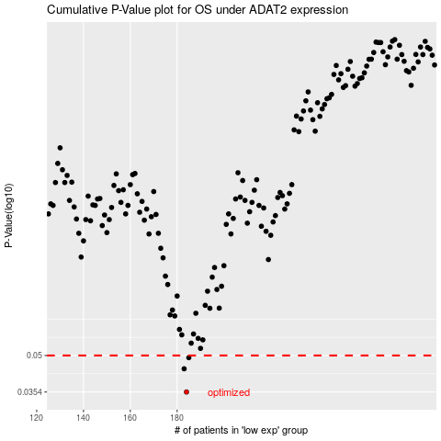

 |  |  |  |  |  | cases_OS | p_OS | rank | exp
 |  |  |  |  |  | 184 | 0.0354 | 35 | -0.2773428188
 |  |  |  |  |  | 183 | 0.0441 | 161 | -0.27747726054
 |  |  |  |  |  | 185 | 0.049 | 330 | -0.2731949988
 |  |  |  |  |  |  | cases_RFS | p_RFS | rank | exp
 |  |  |  |  |  |  | 183 | 0.0354 | 161 | -0.27747726054
 |  |  |  |  |  |  | 182 | 0.0441 | 124 | -0.28043497886
 |  |  |  |  |  |  | 184 | 0.049 | 35 | -0.2773428188

