ADCK1 _multivariate
Reported by Tex Li-Hsing Chi. tex@gate.sinica.edu.tw 2019-08-22

Table 2. The clinicopathological features of HNSCC cohort and ADCK1 expression. (Chi square test)
Cutoff at -0.319 (50.0%)
 |  | ADCK1 expression |  | ADCK1 expression |  | (Optimised)
 | Features | Low | (%) | High | (%) | Case no | P-value | Remark | Matthews
Gender | Female | 156 | 37.6 | 150 | 36.1 | 415 | 0.5222 | 0 | 0
2 | Male | 51 | 12.3 | 58 | 14
Age at diagnosis | <=65y | 138 | 33.3 | 136 | 32.8 | 415 | 0.8634 | 0 | 0
4 | >65y | 69 | 16.6 | 72 | 17.3
Clinical T Status | T1+T2 | 70 | 16.9 | 79 | 19 | 415 | 0.4343 | 0 | 0
6 | T3+T4 | 137 | 33 | 129 | 31.1
Clinical N Status | N0 | 107 | 25.8 | 109 | 26.3 | 415 | 0.9624 | 0 | 0
8 | N1-3 | 100 | 24.1 | 99 | 23.9
Clinical M Status | M0 | 207 | 49.9 | 205 | 49.4 | 415 | 0.2482 | 0 | 0
10 | M1 | 0 | 0 | 3 | 0.7
Clinical Stage | Stage I+II | 50 | 12 | 52 | 12.5 | 415 | 0.9315 | 0 | 0
12 | Stage III+IV | 157 | 37.8 | 156 | 37.6
Surgical Margin status | Negative | 162 | 39 | 156 | 37.6 | 415 | 0.4867 | 0 | 0
14 | Positive | 45 | 10.8 | 52 | 12.5
Tobacco Exposure | Low | 75 | 18.1 | 86 | 20.7 | 415 | 0.3141 | 0 | 0
16 | High | 132 | 31.8 | 122 | 29.4

Table 3. Univariate/Multivariate Cox's proportional hazards regression analyses on OS time of ADCK1 gene expression in HNSCC

 |  | Univariate |  |  |  | Multivariate
 | Features | HR | CI95%(L) | CI95%(H) | P-value | HR | CI95%(L) | CI95%(H) | P-value
1 | Female | 1 |  |  |  | 1
Gender | Male | 1.157 | 0.843 | 1.587 | 0.367 | 1.215 | 0.87 | 1.697 | 0.252
11 | <=65y | 1 |  |  |  | 1
Age at diagnosis | >65y | 1.329 | 0.99 | 1.784 | 0.058 | 1.411 | 1.036 | 1.921 | 0.029
12 | T1+T2 | 1 |  |  |  | 1
Clinical T Status | T3+T4 | 1.409 | 1.028 | 1.931 | 0.033 | 2.2 | 1.164 | 4.158 | 0.015
13 | N0 | 1 |  |  |  | 1
Clinical N Status | N1-3 | 1.185 | 0.89 | 1.577 | 0.246 | 1.252 | 0.877 | 1.787 | 0.215
14 | M0 | 1 |  |  |  | 1
Clinical M Status | M1 | 4.097 | 1.009 | 16.644 | 0.049 | 10.28 | 2.223 | 47.542 | 0.003
15 | Stage I+II | 1 |  |  |  | 1
Clinical Stage | Stage III+IV | 1.245 | 0.882 | 1.759 | 0.213 | 0.503 | 0.234 | 1.08 | 0.078
16 | Negative | 1 |  |  |  | 1
Surgical Margin status | Positive | 1.591 | 1.155 | 2.191 | 0.004 | 1.695 | 1.225 | 2.344 | 0.001
17 | Low | 1 |  |  |  | 1
Tobacco Exposure | High | 1.364 | 1.008 | 1.844 | 0.044 | 1.471 | 1.066 | 2.03 | 0.019
18 | Low | 1 |  |  |  | 1
RNAseq(z-score) | High | 0.938 | 0.704 | 1.251 | 0.664 | 0.85 | 0.634 | 1.138 | 0.275

Table 4. Univariate/Multivariate Cox's proportional hazards regression analyses on RFS time of ADCK1 gene expression in HNSCC

 |  | Univariate |  |  |  | Multivariate
 | Features | HR | CI95%(L) | CI95%(H) | P-value | HR | CI95%(L) | CI95%(H) | P-value
1 | Female | 1 |  |  |  | 1
Gender | Male | 1.157 | 0.843 | 1.587 | 0.367 | 1.215 | 0.87 | 1.697 | 0.252
11 | <=65y | 1 |  |  |  | 1
Age at diagnosis | >65y | 1.329 | 0.99 | 1.784 | 0.058 | 1.411 | 1.036 | 1.921 | 0.029
12 | T1+T2 | 1 |  |  |  | 1
Clinical T Status | T3+T4 | 1.409 | 1.028 | 1.931 | 0.033 | 2.2 | 1.164 | 4.158 | 0.015
13 | N0 | 1 |  |  |  | 1
Clinical N Status | N1-3 | 1.185 | 0.89 | 1.577 | 0.246 | 1.252 | 0.877 | 1.787 | 0.215
14 | M0 | 1 |  |  |  | 1
Clinical M Status | M1 | 4.097 | 1.009 | 16.644 | 0.049 | 10.28 | 2.223 | 47.542 | 0.003
15 | Stage I+II | 1 |  |  |  | 1
Clinical Stage | Stage III+IV | 1.245 | 0.882 | 1.759 | 0.213 | 0.503 | 0.234 | 1.08 | 0.078
16 | Negative | 1 |  |  |  | 1
Surgical Margin status | Positive | 1.591 | 1.155 | 2.191 | 0.004 | 1.695 | 1.225 | 2.344 | 0.001
17 | Low | 1 |  |  |  | 1
Tobacco Exposure | High | 1.364 | 1.008 | 1.844 | 0.044 | 1.471 | 1.066 | 2.03 | 0.019
18 | Low | 1 |  |  |  | 1
RNAseq(z-score) | High | 0.938 | 0.704 | 1.251 | 0.664 | 0.85 | 0.634 | 1.138 | 0.275

Kaplan-Meier survival estimate: Cutoff at -0.319 (50.0%)

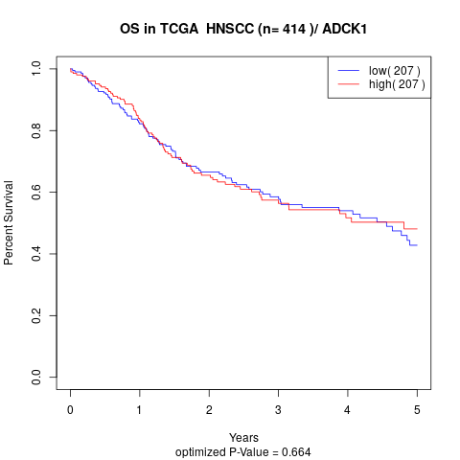

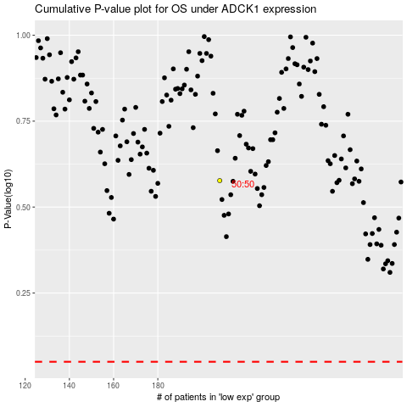

 |  |  |  |  |  | cases_OS | p_OS | rank | exp
 |  |  |  |  |  |  | cases_RFS | p_RFS | rank | exp

