ADCK2 _multivariate
Reported by Tex Li-Hsing Chi. tex@gate.sinica.edu.tw 2019-08-22

Table 2. The clinicopathological features of HNSCC cohort and ADCK2 expression. (Chi square test)
Cutoff at -0.22 (49.8%)
 |  | ADCK2 expression |  | ADCK2 expression |  | (Optimised)
 | Features | Low | (%) | High | (%) | Case no | P-value | Remark | Matthews
Gender | Female | 157 | 37.8 | 149 | 35.9 | 415 | 0.3881 | 0 | 0
2 | Male | 50 | 12 | 59 | 14.2
Age at diagnosis | <=65y | 141 | 34 | 133 | 32 | 415 | 0.4272 | 0 | 0
4 | >65y | 66 | 15.9 | 75 | 18.1
Clinical T Status | T1+T2 | 67 | 16.1 | 82 | 19.8 | 415 | 0.1628 | 0 | 0
6 | T3+T4 | 140 | 33.7 | 126 | 30.4
Clinical N Status | N0 | 99 | 23.9 | 117 | 28.2 | 415 | 0.1054 | 0 | 0
8 | N1-3 | 108 | 26 | 91 | 21.9
Clinical M Status | M0 | 207 | 49.9 | 205 | 49.4 | 415 | 0.2482 | 0 | 0
10 | M1 | 0 | 0 | 3 | 0.7
Clinical Stage | Stage I+II | 46 | 11.1 | 56 | 13.5 | 415 | 0.3182 | 0 | 0
12 | Stage III+IV | 161 | 38.8 | 152 | 36.6
Surgical Margin status | Negative | 159 | 38.3 | 159 | 38.3 | 415 | 1 | 0 | 0
14 | Positive | 48 | 11.6 | 49 | 11.8
Tobacco Exposure | Low | 81 | 19.5 | 80 | 19.3 | 415 | 0.9199 | 0 | 0
16 | High | 126 | 30.4 | 128 | 30.8

Table 3. Univariate/Multivariate Cox's proportional hazards regression analyses on OS time of ADCK2 gene expression in HNSCC

 |  | Univariate |  |  |  | Multivariate
 | Features | HR | CI95%(L) | CI95%(H) | P-value | HR | CI95%(L) | CI95%(H) | P-value
1 | Female | 1 |  |  |  | 1
Gender | Male | 1.157 | 0.843 | 1.587 | 0.367 | 1.215 | 0.869 | 1.698 | 0.255
11 | <=65y | 1 |  |  |  | 1
Age at diagnosis | >65y | 1.329 | 0.99 | 1.784 | 0.058 | 1.399 | 1.029 | 1.903 | 0.032
12 | T1+T2 | 1 |  |  |  | 1
Clinical T Status | T3+T4 | 1.409 | 1.028 | 1.931 | 0.033 | 2.181 | 1.153 | 4.126 | 0.017
13 | N0 | 1 |  |  |  | 1
Clinical N Status | N1-3 | 1.185 | 0.89 | 1.577 | 0.246 | 1.215 | 0.85 | 1.737 | 0.284
14 | M0 | 1 |  |  |  | 1
Clinical M Status | M1 | 4.097 | 1.009 | 16.644 | 0.049 | 10.294 | 2.223 | 47.668 | 0.003
15 | Stage I+II | 1 |  |  |  | 1
Clinical Stage | Stage III+IV | 1.245 | 0.882 | 1.759 | 0.213 | 0.507 | 0.236 | 1.089 | 0.082
16 | Negative | 1 |  |  |  | 1
Surgical Margin status | Positive | 1.591 | 1.155 | 2.191 | 0.004 | 1.681 | 1.216 | 2.324 | 0.002
17 | Low | 1 |  |  |  | 1
Tobacco Exposure | High | 1.364 | 1.008 | 1.844 | 0.044 | 1.475 | 1.069 | 2.034 | 0.018
18 | Low | 1 |  |  |  | 1
RNAseq(z-score) | High | 0.892 | 0.668 | 1.192 | 0.44 | 0.854 | 0.635 | 1.147 | 0.294

Table 4. Univariate/Multivariate Cox's proportional hazards regression analyses on RFS time of ADCK2 gene expression in HNSCC

 |  | Univariate |  |  |  | Multivariate
 | Features | HR | CI95%(L) | CI95%(H) | P-value | HR | CI95%(L) | CI95%(H) | P-value
1 | Female | 1 |  |  |  | 1
Gender | Male | 1.157 | 0.843 | 1.587 | 0.367 | 1.215 | 0.869 | 1.698 | 0.255
11 | <=65y | 1 |  |  |  | 1
Age at diagnosis | >65y | 1.329 | 0.99 | 1.784 | 0.058 | 1.399 | 1.029 | 1.903 | 0.032
12 | T1+T2 | 1 |  |  |  | 1
Clinical T Status | T3+T4 | 1.409 | 1.028 | 1.931 | 0.033 | 2.181 | 1.153 | 4.126 | 0.017
13 | N0 | 1 |  |  |  | 1
Clinical N Status | N1-3 | 1.185 | 0.89 | 1.577 | 0.246 | 1.215 | 0.85 | 1.737 | 0.284
14 | M0 | 1 |  |  |  | 1
Clinical M Status | M1 | 4.097 | 1.009 | 16.644 | 0.049 | 10.294 | 2.223 | 47.668 | 0.003
15 | Stage I+II | 1 |  |  |  | 1
Clinical Stage | Stage III+IV | 1.245 | 0.882 | 1.759 | 0.213 | 0.507 | 0.236 | 1.089 | 0.082
16 | Negative | 1 |  |  |  | 1
Surgical Margin status | Positive | 1.591 | 1.155 | 2.191 | 0.004 | 1.681 | 1.216 | 2.324 | 0.002
17 | Low | 1 |  |  |  | 1
Tobacco Exposure | High | 1.364 | 1.008 | 1.844 | 0.044 | 1.475 | 1.069 | 2.034 | 0.018
18 | Low | 1 |  |  |  | 1
RNAseq(z-score) | High | 0.892 | 0.668 | 1.192 | 0.44 | 0.854 | 0.635 | 1.147 | 0.294

Kaplan-Meier survival estimate: Cutoff at -0.22 (49.8%)



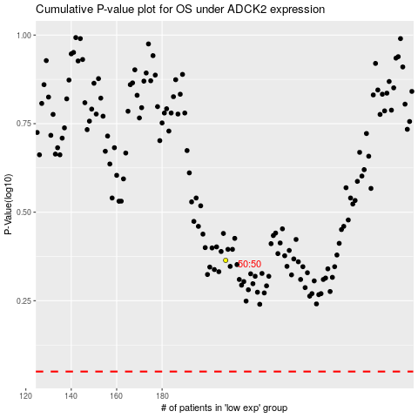

 |  |  |  |  |  | cases_OS | p_OS | rank | exp
 |  |  |  |  |  |  | cases_RFS | p_RFS | rank | exp

