ADCY10 _multivariate
Reported by Tex Li-Hsing Chi. tex@gate.sinica.edu.tw 2019-08-22

Table 2. The clinicopathological features of HNSCC cohort and ADCY10 expression. (Chi square test)
Cutoff at -0.135 (68.1%)
 |  | ADCY10 expression |  | ADCY10 expression |  | (Optimised)
 | Features | Low | (%) | High | (%) | Case no | P-value | Remark | Matthews
Gender | Female | 205 | 49.4 | 101 | 24.3 | 415 | 0.4477 | 0 | 0
2 | Male | 78 | 18.8 | 31 | 7.5
Age at diagnosis | <=65y | 191 | 46 | 83 | 20 | 415 | 0.4164 | 0 | 0
4 | >65y | 92 | 22.2 | 49 | 11.8
Clinical T Status | T1+T2 | 102 | 24.6 | 47 | 11.3 | 415 | 1 | 0 | 0
6 | T3+T4 | 181 | 43.6 | 85 | 20.5
Clinical N Status | N0 | 144 | 34.7 | 72 | 17.3 | 415 | 0.5552 | 0 | 0
8 | N1-3 | 139 | 33.5 | 60 | 14.5
Clinical M Status | M0 | 281 | 67.7 | 131 | 31.6 | 415 | 1 | 0 | 0
10 | M1 | 2 | 0.5 | 1 | 0.2
Clinical Stage | Stage I+II | 69 | 16.6 | 33 | 8 | 415 | 0.9889 | 0 | 0
12 | Stage III+IV | 214 | 51.6 | 99 | 23.9
Surgical Margin status | Negative | 217 | 52.3 | 101 | 24.3 | 415 | 1 | 0 | 0
14 | Positive | 66 | 15.9 | 31 | 7.5
Tobacco Exposure | Low | 121 | 29.2 | 40 | 9.6 | 415 | 0.0173 | 1 | 0
16 | High | 162 | 39 | 92 | 22.2

Table 3. Univariate/Multivariate Cox's proportional hazards regression analyses on OS time of ADCY10 gene expression in HNSCC

 |  | Univariate |  |  |  | Multivariate
 | Features | HR | CI95%(L) | CI95%(H) | P-value | HR | CI95%(L) | CI95%(H) | P-value
1 | Female | 1 |  |  |  | 1
Gender | Male | 1.157 | 0.843 | 1.587 | 0.367 | 1.161 | 0.829 | 1.627 | 0.385
11 | <=65y | 1 |  |  |  | 1
Age at diagnosis | >65y | 1.329 | 0.99 | 1.784 | 0.058 | 1.411 | 1.037 | 1.92 | 0.029
12 | T1+T2 | 1 |  |  |  | 1
Clinical T Status | T3+T4 | 1.409 | 1.028 | 1.931 | 0.033 | 2.202 | 1.164 | 4.166 | 0.015
13 | N0 | 1 |  |  |  | 1
Clinical N Status | N1-3 | 1.185 | 0.89 | 1.577 | 0.246 | 1.247 | 0.874 | 1.778 | 0.224
14 | M0 | 1 |  |  |  | 1
Clinical M Status | M1 | 4.097 | 1.009 | 16.644 | 0.049 | 9.521 | 2.077 | 43.642 | 0.004
15 | Stage I+II | 1 |  |  |  | 1
Clinical Stage | Stage III+IV | 1.245 | 0.882 | 1.759 | 0.213 | 0.511 | 0.238 | 1.098 | 0.085
16 | Negative | 1 |  |  |  | 1
Surgical Margin status | Positive | 1.591 | 1.155 | 2.191 | 0.004 | 1.653 | 1.197 | 2.283 | 0.002
17 | Low | 1 |  |  |  | 1
Tobacco Exposure | High | 1.364 | 1.008 | 1.844 | 0.044 | 1.493 | 1.081 | 2.063 | 0.015
18 | Low | 1 |  |  |  | 1
RNAseq(z-score) | High | 0.727 | 0.53 | 0.998 | 0.049 | 0.704 | 0.511 | 0.97 | 0.032

Table 4. Univariate/Multivariate Cox's proportional hazards regression analyses on RFS time of ADCY10 gene expression in HNSCC

 |  | Univariate |  |  |  | Multivariate
 | Features | HR | CI95%(L) | CI95%(H) | P-value | HR | CI95%(L) | CI95%(H) | P-value
1 | Female | 1 |  |  |  | 1
Gender | Male | 1.157 | 0.843 | 1.587 | 0.367 | 1.161 | 0.829 | 1.627 | 0.385
11 | <=65y | 1 |  |  |  | 1
Age at diagnosis | >65y | 1.329 | 0.99 | 1.784 | 0.058 | 1.411 | 1.037 | 1.92 | 0.029
12 | T1+T2 | 1 |  |  |  | 1
Clinical T Status | T3+T4 | 1.409 | 1.028 | 1.931 | 0.033 | 2.202 | 1.164 | 4.166 | 0.015
13 | N0 | 1 |  |  |  | 1
Clinical N Status | N1-3 | 1.185 | 0.89 | 1.577 | 0.246 | 1.247 | 0.874 | 1.778 | 0.224
14 | M0 | 1 |  |  |  | 1
Clinical M Status | M1 | 4.097 | 1.009 | 16.644 | 0.049 | 9.521 | 2.077 | 43.642 | 0.004
15 | Stage I+II | 1 |  |  |  | 1
Clinical Stage | Stage III+IV | 1.245 | 0.882 | 1.759 | 0.213 | 0.511 | 0.238 | 1.098 | 0.085
16 | Negative | 1 |  |  |  | 1
Surgical Margin status | Positive | 1.591 | 1.155 | 2.191 | 0.004 | 1.653 | 1.197 | 2.283 | 0.002
17 | Low | 1 |  |  |  | 1
Tobacco Exposure | High | 1.364 | 1.008 | 1.844 | 0.044 | 1.493 | 1.081 | 2.063 | 0.015
18 | Low | 1 |  |  |  | 1
RNAseq(z-score) | High | 0.727 | 0.53 | 0.998 | 0.049 | 0.704 | 0.511 | 0.97 | 0.032

Kaplan-Meier survival estimate: Cutoff at -0.135 (68.1%)

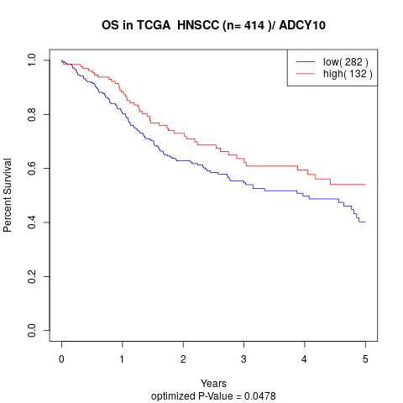

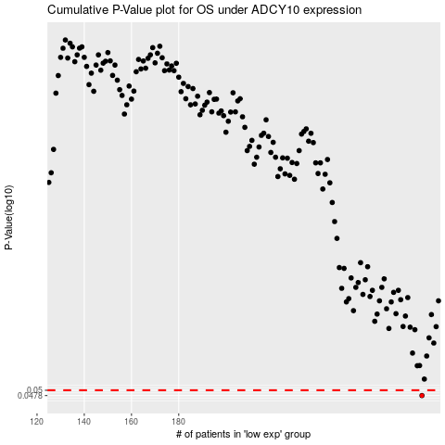

 |  |  |  |  |  | cases_OS | p_OS | rank | exp
 |  |  |  |  |  | 283 | 0.0478 | 96 | -0.1346165636
 |  |  |  |  |  |  | cases_RFS | p_RFS | rank | exp
 |  |  |  |  |  |  | 282 | 0.0478 | 390 | -0.13474104497

