ADCY5 _multivariate
Reported by Tex Li-Hsing Chi. tex@gate.sinica.edu.tw 2019-08-22

Table 2. The clinicopathological features of HNSCC cohort and ADCY5 expression. (Chi square test)
Cutoff at -0.319 (49.8%)
 |  | ADCY5 expression |  | ADCY5 expression |  | (Optimised)
 | Features | Low | (%) | High | (%) | Case no | P-value | Remark | Matthews
Gender | Female | 151 | 36.4 | 155 | 37.3 | 415 | 0.8007 | 0 | 0
2 | Male | 56 | 13.5 | 53 | 12.8
Age at diagnosis | <=65y | 133 | 32 | 141 | 34 | 415 | 0.5111 | 0 | 0
4 | >65y | 74 | 17.8 | 67 | 16.1
Clinical T Status | T1+T2 | 67 | 16.1 | 82 | 19.8 | 415 | 0.1628 | 0 | 0
6 | T3+T4 | 140 | 33.7 | 126 | 30.4
Clinical N Status | N0 | 104 | 25.1 | 112 | 27 | 415 | 0.5243 | 0 | 0
8 | N1-3 | 103 | 24.8 | 96 | 23.1
Clinical M Status | M0 | 204 | 49.2 | 208 | 50.1 | 415 | 0.1232 | 0 | 0
10 | M1 | 3 | 0.7 | 0 | 0
Clinical Stage | Stage I+II | 47 | 11.3 | 55 | 13.3 | 415 | 0.4413 | 0 | 0
12 | Stage III+IV | 160 | 38.6 | 153 | 36.9
Surgical Margin status | Negative | 154 | 37.1 | 164 | 39.5 | 415 | 0.2984 | 0 | 0
14 | Positive | 53 | 12.8 | 44 | 10.6
Tobacco Exposure | Low | 96 | 23.1 | 65 | 15.7 | 415 | 0.0018 | 1 | 0
16 | High | 111 | 26.7 | 143 | 34.5

Table 3. Univariate/Multivariate Cox's proportional hazards regression analyses on OS time of ADCY5 gene expression in HNSCC

 |  | Univariate |  |  |  | Multivariate
 | Features | HR | CI95%(L) | CI95%(H) | P-value | HR | CI95%(L) | CI95%(H) | P-value
1 | Female | 1 |  |  |  | 1
Gender | Male | 1.157 | 0.843 | 1.587 | 0.367 | 1.204 | 0.861 | 1.683 | 0.277
11 | <=65y | 1 |  |  |  | 1
Age at diagnosis | >65y | 1.329 | 0.99 | 1.784 | 0.058 | 1.39 | 1.022 | 1.89 | 0.036
12 | T1+T2 | 1 |  |  |  | 1
Clinical T Status | T3+T4 | 1.409 | 1.028 | 1.931 | 0.033 | 2.194 | 1.159 | 4.152 | 0.016
13 | N0 | 1 |  |  |  | 1
Clinical N Status | N1-3 | 1.185 | 0.89 | 1.577 | 0.246 | 1.238 | 0.867 | 1.767 | 0.24
14 | M0 | 1 |  |  |  | 1
Clinical M Status | M1 | 4.097 | 1.009 | 16.644 | 0.049 | 9.234 | 1.998 | 42.678 | 0.004
15 | Stage I+II | 1 |  |  |  | 1
Clinical Stage | Stage III+IV | 1.245 | 0.882 | 1.759 | 0.213 | 0.506 | 0.236 | 1.086 | 0.08
16 | Negative | 1 |  |  |  | 1
Surgical Margin status | Positive | 1.591 | 1.155 | 2.191 | 0.004 | 1.671 | 1.209 | 2.309 | 0.002
17 | Low | 1 |  |  |  | 1
Tobacco Exposure | High | 1.364 | 1.008 | 1.844 | 0.044 | 1.464 | 1.055 | 2.031 | 0.022
18 | Low | 1 |  |  |  | 1
RNAseq(z-score) | High | 0.961 | 0.721 | 1.279 | 0.783 | 0.966 | 0.719 | 1.299 | 0.82

Table 4. Univariate/Multivariate Cox's proportional hazards regression analyses on RFS time of ADCY5 gene expression in HNSCC

 |  | Univariate |  |  |  | Multivariate
 | Features | HR | CI95%(L) | CI95%(H) | P-value | HR | CI95%(L) | CI95%(H) | P-value
1 | Female | 1 |  |  |  | 1
Gender | Male | 1.157 | 0.843 | 1.587 | 0.367 | 1.204 | 0.861 | 1.683 | 0.277
11 | <=65y | 1 |  |  |  | 1
Age at diagnosis | >65y | 1.329 | 0.99 | 1.784 | 0.058 | 1.39 | 1.022 | 1.89 | 0.036
12 | T1+T2 | 1 |  |  |  | 1
Clinical T Status | T3+T4 | 1.409 | 1.028 | 1.931 | 0.033 | 2.194 | 1.159 | 4.152 | 0.016
13 | N0 | 1 |  |  |  | 1
Clinical N Status | N1-3 | 1.185 | 0.89 | 1.577 | 0.246 | 1.238 | 0.867 | 1.767 | 0.24
14 | M0 | 1 |  |  |  | 1
Clinical M Status | M1 | 4.097 | 1.009 | 16.644 | 0.049 | 9.234 | 1.998 | 42.678 | 0.004
15 | Stage I+II | 1 |  |  |  | 1
Clinical Stage | Stage III+IV | 1.245 | 0.882 | 1.759 | 0.213 | 0.506 | 0.236 | 1.086 | 0.08
16 | Negative | 1 |  |  |  | 1
Surgical Margin status | Positive | 1.591 | 1.155 | 2.191 | 0.004 | 1.671 | 1.209 | 2.309 | 0.002
17 | Low | 1 |  |  |  | 1
Tobacco Exposure | High | 1.364 | 1.008 | 1.844 | 0.044 | 1.464 | 1.055 | 2.031 | 0.022
18 | Low | 1 |  |  |  | 1
RNAseq(z-score) | High | 0.961 | 0.721 | 1.279 | 0.783 | 0.966 | 0.719 | 1.299 | 0.82

Kaplan-Meier survival estimate: Cutoff at -0.319 (49.8%)



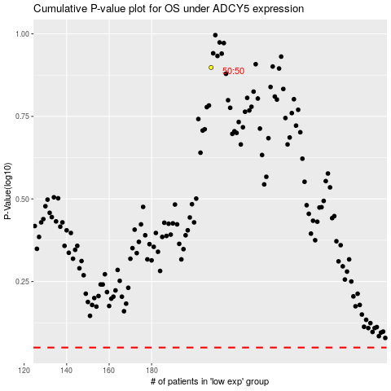

 |  |  |  |  |  | cases_OS | p_OS | rank | exp
 |  |  |  |  |  |  | cases_RFS | p_RFS | rank | exp

