ADCY6 _multivariate
Reported by Tex Li-Hsing Chi. tex@gate.sinica.edu.tw 2019-08-22

Table 2. The clinicopathological features of HNSCC cohort and ADCY6 expression. (Chi square test)
Cutoff at -0.318 (49.8%)
 |  | ADCY6 expression |  | ADCY6 expression |  | (Optimised)
 | Features | Low | (%) | High | (%) | Case no | P-value | Remark | Matthews
Gender | Female | 150 | 36.1 | 156 | 37.6 | 415 | 0.6344 | 0 | 0
2 | Male | 57 | 13.7 | 52 | 12.5
Age at diagnosis | <=65y | 138 | 33.3 | 136 | 32.8 | 415 | 0.8634 | 0 | 0
4 | >65y | 69 | 16.6 | 72 | 17.3
Clinical T Status | T1+T2 | 64 | 15.4 | 85 | 20.5 | 415 | 0.0445 | 1 | 0
6 | T3+T4 | 143 | 34.5 | 123 | 29.6
Clinical N Status | N0 | 103 | 24.8 | 113 | 27.2 | 415 | 0.4047 | 0 | 0
8 | N1-3 | 104 | 25.1 | 95 | 22.9
Clinical M Status | M0 | 204 | 49.2 | 208 | 50.1 | 415 | 0.1232 | 0 | 0
10 | M1 | 3 | 0.7 | 0 | 0
Clinical Stage | Stage I+II | 45 | 10.8 | 57 | 13.7 | 415 | 0.2202 | 0 | 0
12 | Stage III+IV | 162 | 39 | 151 | 36.4
Surgical Margin status | Negative | 166 | 40 | 152 | 36.6 | 415 | 0.1042 | 0 | 0
14 | Positive | 41 | 9.9 | 56 | 13.5
Tobacco Exposure | Low | 73 | 17.6 | 88 | 21.2 | 415 | 0.1587 | 0 | 0
16 | High | 134 | 32.3 | 120 | 28.9

Table 3. Univariate/Multivariate Cox's proportional hazards regression analyses on OS time of ADCY6 gene expression in HNSCC

 |  | Univariate |  |  |  | Multivariate
 | Features | HR | CI95%(L) | CI95%(H) | P-value | HR | CI95%(L) | CI95%(H) | P-value
1 | Female | 1 |  |  |  | 1
Gender | Male | 1.157 | 0.843 | 1.587 | 0.367 | 1.208 | 0.864 | 1.688 | 0.27
11 | <=65y | 1 |  |  |  | 1
Age at diagnosis | >65y | 1.329 | 0.99 | 1.784 | 0.058 | 1.388 | 1.021 | 1.888 | 0.036
12 | T1+T2 | 1 |  |  |  | 1
Clinical T Status | T3+T4 | 1.409 | 1.028 | 1.931 | 0.033 | 2.226 | 1.174 | 4.219 | 0.014
13 | N0 | 1 |  |  |  | 1
Clinical N Status | N1-3 | 1.185 | 0.89 | 1.577 | 0.246 | 1.242 | 0.871 | 1.772 | 0.232
14 | M0 | 1 |  |  |  | 1
Clinical M Status | M1 | 4.097 | 1.009 | 16.644 | 0.049 | 9.779 | 2.107 | 45.392 | 0.004
15 | Stage I+II | 1 |  |  |  | 1
Clinical Stage | Stage III+IV | 1.245 | 0.882 | 1.759 | 0.213 | 0.5 | 0.233 | 1.075 | 0.076
16 | Negative | 1 |  |  |  | 1
Surgical Margin status | Positive | 1.591 | 1.155 | 2.191 | 0.004 | 1.667 | 1.206 | 2.304 | 0.002
17 | Low | 1 |  |  |  | 1
Tobacco Exposure | High | 1.364 | 1.008 | 1.844 | 0.044 | 1.454 | 1.056 | 2.003 | 0.022
18 | Low | 1 |  |  |  | 1
RNAseq(z-score) | High | 1.013 | 0.761 | 1.35 | 0.929 | 1.06 | 0.793 | 1.418 | 0.693

Table 4. Univariate/Multivariate Cox's proportional hazards regression analyses on RFS time of ADCY6 gene expression in HNSCC

 |  | Univariate |  |  |  | Multivariate
 | Features | HR | CI95%(L) | CI95%(H) | P-value | HR | CI95%(L) | CI95%(H) | P-value
1 | Female | 1 |  |  |  | 1
Gender | Male | 1.157 | 0.843 | 1.587 | 0.367 | 1.208 | 0.864 | 1.688 | 0.27
11 | <=65y | 1 |  |  |  | 1
Age at diagnosis | >65y | 1.329 | 0.99 | 1.784 | 0.058 | 1.388 | 1.021 | 1.888 | 0.036
12 | T1+T2 | 1 |  |  |  | 1
Clinical T Status | T3+T4 | 1.409 | 1.028 | 1.931 | 0.033 | 2.226 | 1.174 | 4.219 | 0.014
13 | N0 | 1 |  |  |  | 1
Clinical N Status | N1-3 | 1.185 | 0.89 | 1.577 | 0.246 | 1.242 | 0.871 | 1.772 | 0.232
14 | M0 | 1 |  |  |  | 1
Clinical M Status | M1 | 4.097 | 1.009 | 16.644 | 0.049 | 9.779 | 2.107 | 45.392 | 0.004
15 | Stage I+II | 1 |  |  |  | 1
Clinical Stage | Stage III+IV | 1.245 | 0.882 | 1.759 | 0.213 | 0.5 | 0.233 | 1.075 | 0.076
16 | Negative | 1 |  |  |  | 1
Surgical Margin status | Positive | 1.591 | 1.155 | 2.191 | 0.004 | 1.667 | 1.206 | 2.304 | 0.002
17 | Low | 1 |  |  |  | 1
Tobacco Exposure | High | 1.364 | 1.008 | 1.844 | 0.044 | 1.454 | 1.056 | 2.003 | 0.022
18 | Low | 1 |  |  |  | 1
RNAseq(z-score) | High | 1.013 | 0.761 | 1.35 | 0.929 | 1.06 | 0.793 | 1.418 | 0.693

Kaplan-Meier survival estimate: Cutoff at -0.318 (49.8%)



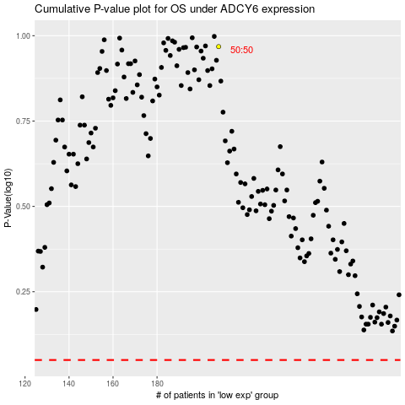

 |  |  |  |  |  | cases_OS | p_OS | rank | exp
 |  |  |  |  |  |  | cases_RFS | p_RFS | rank | exp

