ADCY7 _multivariate
Reported by Tex Li-Hsing Chi. tex@gate.sinica.edu.tw 2019-08-22

Table 2. The clinicopathological features of HNSCC cohort and ADCY7 expression. (Chi square test)
Cutoff at 0.027 (50.0%)
 |  | ADCY7 expression |  | ADCY7 expression |  | (Optimised)
 | Features | Low | (%) | High | (%) | Case no | P-value | Remark | Matthews
Gender | Female | 161 | 38.8 | 145 | 34.9 | 415 | 0.0792 | 0 | 0
2 | Male | 46 | 11.1 | 63 | 15.2
Age at diagnosis | <=65y | 140 | 33.7 | 134 | 32.3 | 415 | 0.5574 | 0 | 0
4 | >65y | 67 | 16.1 | 74 | 17.8
Clinical T Status | T1+T2 | 68 | 16.4 | 81 | 19.5 | 415 | 0.2336 | 0 | 0
6 | T3+T4 | 139 | 33.5 | 127 | 30.6
Clinical N Status | N0 | 99 | 23.9 | 117 | 28.2 | 415 | 0.1054 | 0 | 0
8 | N1-3 | 108 | 26 | 91 | 21.9
Clinical M Status | M0 | 205 | 49.4 | 207 | 49.9 | 415 | 0.6232 | 0 | 0
10 | M1 | 2 | 0.5 | 1 | 0.2
Clinical Stage | Stage I+II | 41 | 9.9 | 61 | 14.7 | 415 | 0.0325 | 1 | 0
12 | Stage III+IV | 166 | 40 | 147 | 35.4
Surgical Margin status | Negative | 148 | 35.7 | 170 | 41 | 415 | 0.015 | 1 | 0
14 | Positive | 59 | 14.2 | 38 | 9.2
Tobacco Exposure | Low | 72 | 17.3 | 89 | 21.4 | 415 | 0.1071 | 0 | 0
16 | High | 135 | 32.5 | 119 | 28.7

Table 3. Univariate/Multivariate Cox's proportional hazards regression analyses on OS time of ADCY7 gene expression in HNSCC

 |  | Univariate |  |  |  | Multivariate
 | Features | HR | CI95%(L) | CI95%(H) | P-value | HR | CI95%(L) | CI95%(H) | P-value
1 | Female | 1 |  |  |  | 1
Gender | Male | 1.157 | 0.843 | 1.587 | 0.367 | 1.19 | 0.851 | 1.663 | 0.309
11 | <=65y | 1 |  |  |  | 1
Age at diagnosis | >65y | 1.329 | 0.99 | 1.784 | 0.058 | 1.399 | 1.028 | 1.903 | 0.033
12 | T1+T2 | 1 |  |  |  | 1
Clinical T Status | T3+T4 | 1.409 | 1.028 | 1.931 | 0.033 | 2.207 | 1.168 | 4.171 | 0.015
13 | N0 | 1 |  |  |  | 1
Clinical N Status | N1-3 | 1.185 | 0.89 | 1.577 | 0.246 | 1.247 | 0.874 | 1.78 | 0.223
14 | M0 | 1 |  |  |  | 1
Clinical M Status | M1 | 4.097 | 1.009 | 16.644 | 0.049 | 9.494 | 2.071 | 43.529 | 0.004
15 | Stage I+II | 1 |  |  |  | 1
Clinical Stage | Stage III+IV | 1.245 | 0.882 | 1.759 | 0.213 | 0.517 | 0.241 | 1.112 | 0.091
16 | Negative | 1 |  |  |  | 1
Surgical Margin status | Positive | 1.591 | 1.155 | 2.191 | 0.004 | 1.689 | 1.222 | 2.336 | 0.002
17 | Low | 1 |  |  |  | 1
Tobacco Exposure | High | 1.364 | 1.008 | 1.844 | 0.044 | 1.464 | 1.062 | 2.019 | 0.02
18 | Low | 1 |  |  |  | 1
RNAseq(z-score) | High | 1.077 | 0.808 | 1.435 | 0.613 | 1.161 | 0.866 | 1.557 | 0.318

Table 4. Univariate/Multivariate Cox's proportional hazards regression analyses on RFS time of ADCY7 gene expression in HNSCC

 |  | Univariate |  |  |  | Multivariate
 | Features | HR | CI95%(L) | CI95%(H) | P-value | HR | CI95%(L) | CI95%(H) | P-value
1 | Female | 1 |  |  |  | 1
Gender | Male | 1.157 | 0.843 | 1.587 | 0.367 | 1.19 | 0.851 | 1.663 | 0.309
11 | <=65y | 1 |  |  |  | 1
Age at diagnosis | >65y | 1.329 | 0.99 | 1.784 | 0.058 | 1.399 | 1.028 | 1.903 | 0.033
12 | T1+T2 | 1 |  |  |  | 1
Clinical T Status | T3+T4 | 1.409 | 1.028 | 1.931 | 0.033 | 2.207 | 1.168 | 4.171 | 0.015
13 | N0 | 1 |  |  |  | 1
Clinical N Status | N1-3 | 1.185 | 0.89 | 1.577 | 0.246 | 1.247 | 0.874 | 1.78 | 0.223
14 | M0 | 1 |  |  |  | 1
Clinical M Status | M1 | 4.097 | 1.009 | 16.644 | 0.049 | 9.494 | 2.071 | 43.529 | 0.004
15 | Stage I+II | 1 |  |  |  | 1
Clinical Stage | Stage III+IV | 1.245 | 0.882 | 1.759 | 0.213 | 0.517 | 0.241 | 1.112 | 0.091
16 | Negative | 1 |  |  |  | 1
Surgical Margin status | Positive | 1.591 | 1.155 | 2.191 | 0.004 | 1.689 | 1.222 | 2.336 | 0.002
17 | Low | 1 |  |  |  | 1
Tobacco Exposure | High | 1.364 | 1.008 | 1.844 | 0.044 | 1.464 | 1.062 | 2.019 | 0.02
18 | Low | 1 |  |  |  | 1
RNAseq(z-score) | High | 1.077 | 0.808 | 1.435 | 0.613 | 1.161 | 0.866 | 1.557 | 0.318

Kaplan-Meier survival estimate: Cutoff at 0.027 (50.0%)



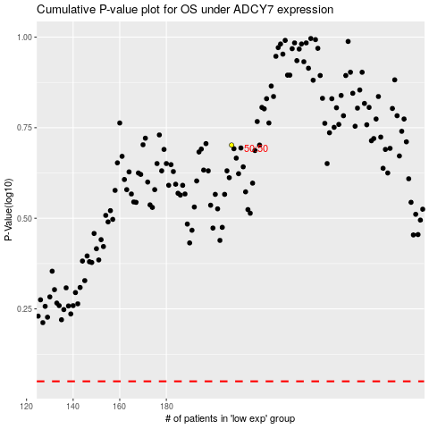

 |  |  |  |  |  | cases_OS | p_OS | rank | exp
 |  |  |  |  |  |  | cases_RFS | p_RFS | rank | exp

