ADCYAP1R1 _multivariate
Reported by Tex Li-Hsing Chi. tex@gate.sinica.edu.tw 2019-08-22

Table 2. The clinicopathological features of HNSCC cohort and ADCYAP1R1 expression. (Chi square test)
Cutoff at -0.282 (50.0%)
 |  | ADCYAP1R1 expression |  | ADCYAP1R1 expression |  | (Optimised)
 | Features | Low | (%) | High | (%) | Case no | P-value | Remark | Matthews
Gender | Female | 154 | 37.1 | 152 | 36.6 | 415 | 0.8463 | 0 | 0
2 | Male | 53 | 12.8 | 56 | 13.5
Age at diagnosis | <=65y | 138 | 33.3 | 136 | 32.8 | 415 | 0.8634 | 0 | 0
4 | >65y | 69 | 16.6 | 72 | 17.3
Clinical T Status | T1+T2 | 69 | 16.6 | 80 | 19.3 | 415 | 0.3239 | 0 | 0
6 | T3+T4 | 138 | 33.3 | 128 | 30.8
Clinical N Status | N0 | 109 | 26.3 | 107 | 25.8 | 415 | 0.8812 | 0 | 0
8 | N1-3 | 98 | 23.6 | 101 | 24.3
Clinical M Status | M0 | 204 | 49.2 | 208 | 50.1 | 415 | 0.1232 | 0 | 0
10 | M1 | 3 | 0.7 | 0 | 0
Clinical Stage | Stage I+II | 47 | 11.3 | 55 | 13.3 | 415 | 0.4413 | 0 | 0
12 | Stage III+IV | 160 | 38.6 | 153 | 36.9
Surgical Margin status | Negative | 160 | 38.6 | 158 | 38.1 | 415 | 0.8167 | 0 | 0
14 | Positive | 47 | 11.3 | 50 | 12
Tobacco Exposure | Low | 82 | 19.8 | 79 | 19 | 415 | 0.763 | 0 | 0
16 | High | 125 | 30.1 | 129 | 31.1

Table 3. Univariate/Multivariate Cox's proportional hazards regression analyses on OS time of ADCYAP1R1 gene expression in HNSCC

 |  | Univariate |  |  |  | Multivariate
 | Features | HR | CI95%(L) | CI95%(H) | P-value | HR | CI95%(L) | CI95%(H) | P-value
1 | Female | 1 |  |  |  | 1
Gender | Male | 1.157 | 0.843 | 1.587 | 0.367 | 1.198 | 0.858 | 1.674 | 0.289
11 | <=65y | 1 |  |  |  | 1
Age at diagnosis | >65y | 1.329 | 0.99 | 1.784 | 0.058 | 1.395 | 1.026 | 1.897 | 0.034
12 | T1+T2 | 1 |  |  |  | 1
Clinical T Status | T3+T4 | 1.409 | 1.028 | 1.931 | 0.033 | 2.208 | 1.168 | 4.176 | 0.015
13 | N0 | 1 |  |  |  | 1
Clinical N Status | N1-3 | 1.185 | 0.89 | 1.577 | 0.246 | 1.243 | 0.871 | 1.774 | 0.23
14 | M0 | 1 |  |  |  | 1
Clinical M Status | M1 | 4.097 | 1.009 | 16.644 | 0.049 | 9.832 | 2.129 | 45.412 | 0.003
15 | Stage I+II | 1 |  |  |  | 1
Clinical Stage | Stage III+IV | 1.245 | 0.882 | 1.759 | 0.213 | 0.505 | 0.235 | 1.083 | 0.079
16 | Negative | 1 |  |  |  | 1
Surgical Margin status | Positive | 1.591 | 1.155 | 2.191 | 0.004 | 1.673 | 1.211 | 2.312 | 0.002
17 | Low | 1 |  |  |  | 1
Tobacco Exposure | High | 1.364 | 1.008 | 1.844 | 0.044 | 1.452 | 1.054 | 2 | 0.023
18 | Low | 1 |  |  |  | 1
RNAseq(z-score) | High | 1.04 | 0.781 | 1.385 | 0.788 | 1.089 | 0.815 | 1.454 | 0.566

Table 4. Univariate/Multivariate Cox's proportional hazards regression analyses on RFS time of ADCYAP1R1 gene expression in HNSCC

 |  | Univariate |  |  |  | Multivariate
 | Features | HR | CI95%(L) | CI95%(H) | P-value | HR | CI95%(L) | CI95%(H) | P-value
1 | Female | 1 |  |  |  | 1
Gender | Male | 1.157 | 0.843 | 1.587 | 0.367 | 1.198 | 0.858 | 1.674 | 0.289
11 | <=65y | 1 |  |  |  | 1
Age at diagnosis | >65y | 1.329 | 0.99 | 1.784 | 0.058 | 1.395 | 1.026 | 1.897 | 0.034
12 | T1+T2 | 1 |  |  |  | 1
Clinical T Status | T3+T4 | 1.409 | 1.028 | 1.931 | 0.033 | 2.208 | 1.168 | 4.176 | 0.015
13 | N0 | 1 |  |  |  | 1
Clinical N Status | N1-3 | 1.185 | 0.89 | 1.577 | 0.246 | 1.243 | 0.871 | 1.774 | 0.23
14 | M0 | 1 |  |  |  | 1
Clinical M Status | M1 | 4.097 | 1.009 | 16.644 | 0.049 | 9.832 | 2.129 | 45.412 | 0.003
15 | Stage I+II | 1 |  |  |  | 1
Clinical Stage | Stage III+IV | 1.245 | 0.882 | 1.759 | 0.213 | 0.505 | 0.235 | 1.083 | 0.079
16 | Negative | 1 |  |  |  | 1
Surgical Margin status | Positive | 1.591 | 1.155 | 2.191 | 0.004 | 1.673 | 1.211 | 2.312 | 0.002
17 | Low | 1 |  |  |  | 1
Tobacco Exposure | High | 1.364 | 1.008 | 1.844 | 0.044 | 1.452 | 1.054 | 2 | 0.023
18 | Low | 1 |  |  |  | 1
RNAseq(z-score) | High | 1.04 | 0.781 | 1.385 | 0.788 | 1.089 | 0.815 | 1.454 | 0.566

Kaplan-Meier survival estimate: Cutoff at -0.282 (50.0%)



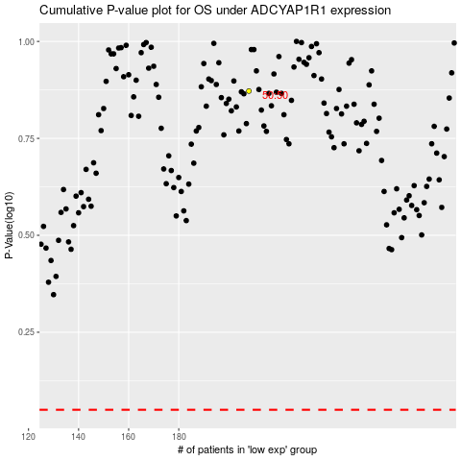

 |  |  |  |  |  | cases_OS | p_OS | rank | exp
 |  |  |  |  |  |  | cases_RFS | p_RFS | rank | exp

