ADD2 _multivariate
Reported by Tex Li-Hsing Chi. tex@gate.sinica.edu.tw 2019-08-22

Table 2. The clinicopathological features of HNSCC cohort and ADD2 expression. (Chi square test)
Cutoff at -0.327 (60.9%)
 |  | ADD2 expression |  | ADD2 expression |  | (Optimised)
 | Features | Low | (%) | High | (%) | Case no | P-value | Remark | Matthews
Gender | Female | 183 | 44.1 | 123 | 29.6 | 415 | 0.4856 | 0 | 0
2 | Male | 70 | 16.9 | 39 | 9.4
Age at diagnosis | <=65y | 167 | 40.2 | 107 | 25.8 | 415 | 1 | 0 | 0
4 | >65y | 86 | 20.7 | 55 | 13.3
Clinical T Status | T1+T2 | 95 | 22.9 | 54 | 13 | 415 | 0.4422 | 0 | 0
6 | T3+T4 | 158 | 38.1 | 108 | 26
Clinical N Status | N0 | 133 | 32 | 83 | 20 | 415 | 0.8691 | 0 | 0
8 | N1-3 | 120 | 28.9 | 79 | 19
Clinical M Status | M0 | 251 | 60.5 | 161 | 38.8 | 415 | 1 | 0 | 0
10 | M1 | 2 | 0.5 | 1 | 0.2
Clinical Stage | Stage I+II | 65 | 15.7 | 37 | 8.9 | 415 | 0.5882 | 0 | 0
12 | Stage III+IV | 188 | 45.3 | 125 | 30.1
Surgical Margin status | Negative | 194 | 46.7 | 124 | 29.9 | 415 | 1 | 0 | 0
14 | Positive | 59 | 14.2 | 38 | 9.2
Tobacco Exposure | Low | 115 | 27.7 | 46 | 11.1 | 415 | 6e-04 | 1 | 0
16 | High | 138 | 33.3 | 116 | 28

Table 3. Univariate/Multivariate Cox's proportional hazards regression analyses on OS time of ADD2 gene expression in HNSCC

 |  | Univariate |  |  |  | Multivariate
 | Features | HR | CI95%(L) | CI95%(H) | P-value | HR | CI95%(L) | CI95%(H) | P-value
1 | Female | 1 |  |  |  | 1
Gender | Male | 1.157 | 0.843 | 1.587 | 0.367 | 1.227 | 0.878 | 1.714 | 0.231
11 | <=65y | 1 |  |  |  | 1
Age at diagnosis | >65y | 1.329 | 0.99 | 1.784 | 0.058 | 1.399 | 1.029 | 1.902 | 0.032
12 | T1+T2 | 1 |  |  |  | 1
Clinical T Status | T3+T4 | 1.409 | 1.028 | 1.931 | 0.033 | 2.137 | 1.13 | 4.042 | 0.02
13 | N0 | 1 |  |  |  | 1
Clinical N Status | N1-3 | 1.185 | 0.89 | 1.577 | 0.246 | 1.221 | 0.855 | 1.745 | 0.273
14 | M0 | 1 |  |  |  | 1
Clinical M Status | M1 | 4.097 | 1.009 | 16.644 | 0.049 | 9.316 | 2.033 | 42.699 | 0.004
15 | Stage I+II | 1 |  |  |  | 1
Clinical Stage | Stage III+IV | 1.245 | 0.882 | 1.759 | 0.213 | 0.516 | 0.241 | 1.107 | 0.089
16 | Negative | 1 |  |  |  | 1
Surgical Margin status | Positive | 1.591 | 1.155 | 2.191 | 0.004 | 1.667 | 1.206 | 2.304 | 0.002
17 | Low | 1 |  |  |  | 1
Tobacco Exposure | High | 1.364 | 1.008 | 1.844 | 0.044 | 1.406 | 1.018 | 1.942 | 0.038
18 | Low | 1 |  |  |  | 1
RNAseq(z-score) | High | 1.345 | 1.008 | 1.793 | 0.044 | 1.278 | 0.952 | 1.714 | 0.102

Table 4. Univariate/Multivariate Cox's proportional hazards regression analyses on RFS time of ADD2 gene expression in HNSCC

 |  | Univariate |  |  |  | Multivariate
 | Features | HR | CI95%(L) | CI95%(H) | P-value | HR | CI95%(L) | CI95%(H) | P-value
1 | Female | 1 |  |  |  | 1
Gender | Male | 1.157 | 0.843 | 1.587 | 0.367 | 1.227 | 0.878 | 1.714 | 0.231
11 | <=65y | 1 |  |  |  | 1
Age at diagnosis | >65y | 1.329 | 0.99 | 1.784 | 0.058 | 1.399 | 1.029 | 1.902 | 0.032
12 | T1+T2 | 1 |  |  |  | 1
Clinical T Status | T3+T4 | 1.409 | 1.028 | 1.931 | 0.033 | 2.137 | 1.13 | 4.042 | 0.02
13 | N0 | 1 |  |  |  | 1
Clinical N Status | N1-3 | 1.185 | 0.89 | 1.577 | 0.246 | 1.221 | 0.855 | 1.745 | 0.273
14 | M0 | 1 |  |  |  | 1
Clinical M Status | M1 | 4.097 | 1.009 | 16.644 | 0.049 | 9.316 | 2.033 | 42.699 | 0.004
15 | Stage I+II | 1 |  |  |  | 1
Clinical Stage | Stage III+IV | 1.245 | 0.882 | 1.759 | 0.213 | 0.516 | 0.241 | 1.107 | 0.089
16 | Negative | 1 |  |  |  | 1
Surgical Margin status | Positive | 1.591 | 1.155 | 2.191 | 0.004 | 1.667 | 1.206 | 2.304 | 0.002
17 | Low | 1 |  |  |  | 1
Tobacco Exposure | High | 1.364 | 1.008 | 1.844 | 0.044 | 1.406 | 1.018 | 1.942 | 0.038
18 | Low | 1 |  |  |  | 1
RNAseq(z-score) | High | 1.345 | 1.008 | 1.793 | 0.044 | 1.278 | 0.952 | 1.714 | 0.102

Kaplan-Meier survival estimate: Cutoff at -0.327 (60.9%)



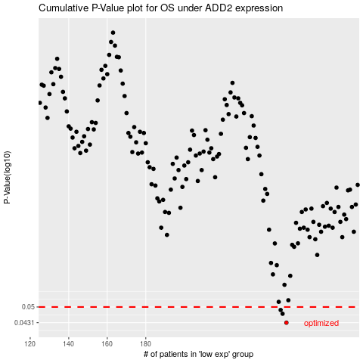

 |  |  |  |  |  | cases_OS | p_OS | rank | exp
 |  |  |  |  |  | 253 | 0.0431 | 414 | -0.32668355226
 |  |  |  |  |  | 251 | 0.0469 | 69 | -0.33246472606
 |  |  |  |  |  | 250 | 0.0486 | 20 | -0.33265170541
 |  |  |  |  |  |  | cases_RFS | p_RFS | rank | exp
 |  |  |  |  |  |  | 252 | 0.0431 | 231 | -0.32929936493
 |  |  |  |  |  |  | 250 | 0.0469 | 20 | -0.33265170541
 |  |  |  |  |  |  | 249 | 0.0486 | 384 | -0.33268634879

