ADH1B _multivariate
Reported by Tex Li-Hsing Chi. tex@gate.sinica.edu.tw 2019-08-22

Table 2. The clinicopathological features of HNSCC cohort and ADH1B expression. (Chi square test)
Cutoff at -0.165 (50.0%)
 |  | ADH1B expression |  | ADH1B expression |  | (Optimised)
 | Features | Low | (%) | High | (%) | Case no | P-value | Remark | Matthews
Gender | Female | 156 | 37.6 | 150 | 36.1 | 415 | 0.5222 | 0 | 0
2 | Male | 51 | 12.3 | 58 | 14
Age at diagnosis | <=65y | 130 | 31.3 | 144 | 34.7 | 415 | 0.2009 | 0 | 0
4 | >65y | 77 | 18.6 | 64 | 15.4
Clinical T Status | T1+T2 | 59 | 14.2 | 90 | 21.7 | 415 | 0.0024 | 1 | 0
6 | T3+T4 | 148 | 35.7 | 118 | 28.4
Clinical N Status | N0 | 106 | 25.5 | 110 | 26.5 | 415 | 0.8075 | 0 | 0
8 | N1-3 | 101 | 24.3 | 98 | 23.6
Clinical M Status | M0 | 205 | 49.4 | 207 | 49.9 | 415 | 0.6232 | 0 | 0
10 | M1 | 2 | 0.5 | 1 | 0.2
Clinical Stage | Stage I+II | 43 | 10.4 | 59 | 14.2 | 415 | 0.0925 | 0 | 0
12 | Stage III+IV | 164 | 39.5 | 149 | 35.9
Surgical Margin status | Negative | 159 | 38.3 | 159 | 38.3 | 415 | 1 | 0 | 0
14 | Positive | 48 | 11.6 | 49 | 11.8
Tobacco Exposure | Low | 86 | 20.7 | 75 | 18.1 | 415 | 0.2687 | 0 | 0
16 | High | 121 | 29.2 | 133 | 32

Table 3. Univariate/Multivariate Cox's proportional hazards regression analyses on OS time of ADH1B gene expression in HNSCC

 |  | Univariate |  |  |  | Multivariate
 | Features | HR | CI95%(L) | CI95%(H) | P-value | HR | CI95%(L) | CI95%(H) | P-value
1 | Female | 1 |  |  |  | 1
Gender | Male | 1.157 | 0.843 | 1.587 | 0.367 | 1.186 | 0.849 | 1.657 | 0.317
11 | <=65y | 1 |  |  |  | 1
Age at diagnosis | >65y | 1.329 | 0.99 | 1.784 | 0.058 | 1.408 | 1.035 | 1.916 | 0.029
12 | T1+T2 | 1 |  |  |  | 1
Clinical T Status | T3+T4 | 1.409 | 1.028 | 1.931 | 0.033 | 2.267 | 1.198 | 4.291 | 0.012
13 | N0 | 1 |  |  |  | 1
Clinical N Status | N1-3 | 1.185 | 0.89 | 1.577 | 0.246 | 1.247 | 0.874 | 1.78 | 0.223
14 | M0 | 1 |  |  |  | 1
Clinical M Status | M1 | 4.097 | 1.009 | 16.644 | 0.049 | 9.741 | 2.124 | 44.682 | 0.003
15 | Stage I+II | 1 |  |  |  | 1
Clinical Stage | Stage III+IV | 1.245 | 0.882 | 1.759 | 0.213 | 0.501 | 0.234 | 1.075 | 0.076
16 | Negative | 1 |  |  |  | 1
Surgical Margin status | Positive | 1.591 | 1.155 | 2.191 | 0.004 | 1.644 | 1.189 | 2.273 | 0.003
17 | Low | 1 |  |  |  | 1
Tobacco Exposure | High | 1.364 | 1.008 | 1.844 | 0.044 | 1.435 | 1.042 | 1.977 | 0.027
18 | Low | 1 |  |  |  | 1
RNAseq(z-score) | High | 1.164 | 0.873 | 1.551 | 0.301 | 1.21 | 0.904 | 1.621 | 0.2

Table 4. Univariate/Multivariate Cox's proportional hazards regression analyses on RFS time of ADH1B gene expression in HNSCC

 |  | Univariate |  |  |  | Multivariate
 | Features | HR | CI95%(L) | CI95%(H) | P-value | HR | CI95%(L) | CI95%(H) | P-value
1 | Female | 1 |  |  |  | 1
Gender | Male | 1.157 | 0.843 | 1.587 | 0.367 | 1.186 | 0.849 | 1.657 | 0.317
11 | <=65y | 1 |  |  |  | 1
Age at diagnosis | >65y | 1.329 | 0.99 | 1.784 | 0.058 | 1.408 | 1.035 | 1.916 | 0.029
12 | T1+T2 | 1 |  |  |  | 1
Clinical T Status | T3+T4 | 1.409 | 1.028 | 1.931 | 0.033 | 2.267 | 1.198 | 4.291 | 0.012
13 | N0 | 1 |  |  |  | 1
Clinical N Status | N1-3 | 1.185 | 0.89 | 1.577 | 0.246 | 1.247 | 0.874 | 1.78 | 0.223
14 | M0 | 1 |  |  |  | 1
Clinical M Status | M1 | 4.097 | 1.009 | 16.644 | 0.049 | 9.741 | 2.124 | 44.682 | 0.003
15 | Stage I+II | 1 |  |  |  | 1
Clinical Stage | Stage III+IV | 1.245 | 0.882 | 1.759 | 0.213 | 0.501 | 0.234 | 1.075 | 0.076
16 | Negative | 1 |  |  |  | 1
Surgical Margin status | Positive | 1.591 | 1.155 | 2.191 | 0.004 | 1.644 | 1.189 | 2.273 | 0.003
17 | Low | 1 |  |  |  | 1
Tobacco Exposure | High | 1.364 | 1.008 | 1.844 | 0.044 | 1.435 | 1.042 | 1.977 | 0.027
18 | Low | 1 |  |  |  | 1
RNAseq(z-score) | High | 1.164 | 0.873 | 1.551 | 0.301 | 1.21 | 0.904 | 1.621 | 0.2

Kaplan-Meier survival estimate: Cutoff at -0.165 (50.0%)



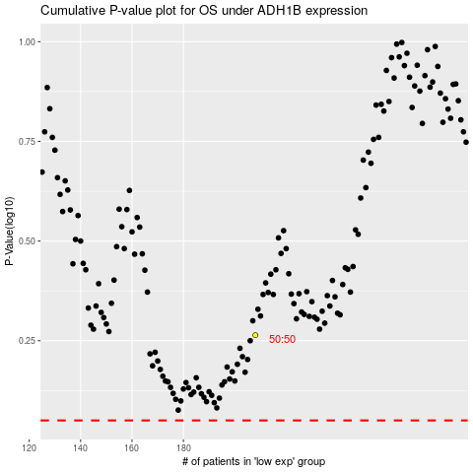

 |  |  |  |  |  | cases_OS | p_OS | rank | exp
 |  |  |  |  |  |  | cases_RFS | p_RFS | rank | exp

