ADH1C _multivariate
Reported by Tex Li-Hsing Chi. tex@gate.sinica.edu.tw 2019-08-22

Table 2. The clinicopathological features of HNSCC cohort and ADH1C expression. (Chi square test)
Cutoff at -0.216 (50.0%)
 |  | ADH1C expression |  | ADH1C expression |  | (Optimised)
 | Features | Low | (%) | High | (%) | Case no | P-value | Remark | Matthews
Gender | Female | 151 | 36.4 | 155 | 37.3 | 415 | 0.8007 | 0 | 0
2 | Male | 56 | 13.5 | 53 | 12.8
Age at diagnosis | <=65y | 137 | 33 | 137 | 33 | 415 | 1 | 0 | 0
4 | >65y | 70 | 16.9 | 71 | 17.1
Clinical T Status | T1+T2 | 63 | 15.2 | 86 | 20.7 | 415 | 0.0268 | 1 | 0
6 | T3+T4 | 144 | 34.7 | 122 | 29.4
Clinical N Status | N0 | 106 | 25.5 | 110 | 26.5 | 415 | 0.8075 | 0 | 0
8 | N1-3 | 101 | 24.3 | 98 | 23.6
Clinical M Status | M0 | 206 | 49.6 | 206 | 49.6 | 415 | 1 | 0 | 0
10 | M1 | 1 | 0.2 | 2 | 0.5
Clinical Stage | Stage I+II | 47 | 11.3 | 55 | 13.3 | 415 | 0.4413 | 0 | 0
12 | Stage III+IV | 160 | 38.6 | 153 | 36.9
Surgical Margin status | Negative | 154 | 37.1 | 164 | 39.5 | 415 | 0.2984 | 0 | 0
14 | Positive | 53 | 12.8 | 44 | 10.6
Tobacco Exposure | Low | 90 | 21.7 | 71 | 17.1 | 415 | 0.0559 | 0 | 0
16 | High | 117 | 28.2 | 137 | 33

Table 3. Univariate/Multivariate Cox's proportional hazards regression analyses on OS time of ADH1C gene expression in HNSCC

 |  | Univariate |  |  |  | Multivariate
 | Features | HR | CI95%(L) | CI95%(H) | P-value | HR | CI95%(L) | CI95%(H) | P-value
1 | Female | 1 |  |  |  | 1
Gender | Male | 1.157 | 0.843 | 1.587 | 0.367 | 1.197 | 0.856 | 1.673 | 0.293
11 | <=65y | 1 |  |  |  | 1
Age at diagnosis | >65y | 1.329 | 0.99 | 1.784 | 0.058 | 1.388 | 1.021 | 1.887 | 0.037
12 | T1+T2 | 1 |  |  |  | 1
Clinical T Status | T3+T4 | 1.409 | 1.028 | 1.931 | 0.033 | 2.171 | 1.146 | 4.11 | 0.017
13 | N0 | 1 |  |  |  | 1
Clinical N Status | N1-3 | 1.185 | 0.89 | 1.577 | 0.246 | 1.236 | 0.866 | 1.763 | 0.244
14 | M0 | 1 |  |  |  | 1
Clinical M Status | M1 | 4.097 | 1.009 | 16.644 | 0.049 | 9.586 | 2.089 | 43.988 | 0.004
15 | Stage I+II | 1 |  |  |  | 1
Clinical Stage | Stage III+IV | 1.245 | 0.882 | 1.759 | 0.213 | 0.513 | 0.239 | 1.103 | 0.088
16 | Negative | 1 |  |  |  | 1
Surgical Margin status | Positive | 1.591 | 1.155 | 2.191 | 0.004 | 1.652 | 1.194 | 2.286 | 0.002
17 | Low | 1 |  |  |  | 1
Tobacco Exposure | High | 1.364 | 1.008 | 1.844 | 0.044 | 1.472 | 1.066 | 2.032 | 0.019
18 | Low | 1 |  |  |  | 1
RNAseq(z-score) | High | 0.874 | 0.656 | 1.165 | 0.359 | 0.904 | 0.674 | 1.213 | 0.501

Table 4. Univariate/Multivariate Cox's proportional hazards regression analyses on RFS time of ADH1C gene expression in HNSCC

 |  | Univariate |  |  |  | Multivariate
 | Features | HR | CI95%(L) | CI95%(H) | P-value | HR | CI95%(L) | CI95%(H) | P-value
1 | Female | 1 |  |  |  | 1
Gender | Male | 1.157 | 0.843 | 1.587 | 0.367 | 1.197 | 0.856 | 1.673 | 0.293
11 | <=65y | 1 |  |  |  | 1
Age at diagnosis | >65y | 1.329 | 0.99 | 1.784 | 0.058 | 1.388 | 1.021 | 1.887 | 0.037
12 | T1+T2 | 1 |  |  |  | 1
Clinical T Status | T3+T4 | 1.409 | 1.028 | 1.931 | 0.033 | 2.171 | 1.146 | 4.11 | 0.017
13 | N0 | 1 |  |  |  | 1
Clinical N Status | N1-3 | 1.185 | 0.89 | 1.577 | 0.246 | 1.236 | 0.866 | 1.763 | 0.244
14 | M0 | 1 |  |  |  | 1
Clinical M Status | M1 | 4.097 | 1.009 | 16.644 | 0.049 | 9.586 | 2.089 | 43.988 | 0.004
15 | Stage I+II | 1 |  |  |  | 1
Clinical Stage | Stage III+IV | 1.245 | 0.882 | 1.759 | 0.213 | 0.513 | 0.239 | 1.103 | 0.088
16 | Negative | 1 |  |  |  | 1
Surgical Margin status | Positive | 1.591 | 1.155 | 2.191 | 0.004 | 1.652 | 1.194 | 2.286 | 0.002
17 | Low | 1 |  |  |  | 1
Tobacco Exposure | High | 1.364 | 1.008 | 1.844 | 0.044 | 1.472 | 1.066 | 2.032 | 0.019
18 | Low | 1 |  |  |  | 1
RNAseq(z-score) | High | 0.874 | 0.656 | 1.165 | 0.359 | 0.904 | 0.674 | 1.213 | 0.501

Kaplan-Meier survival estimate: Cutoff at -0.216 (50.0%)



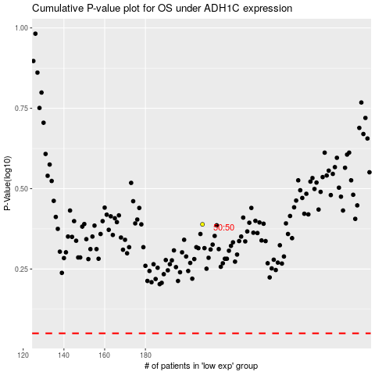

 |  |  |  |  |  | cases_OS | p_OS | rank | exp
 |  |  |  |  |  |  | cases_RFS | p_RFS | rank | exp

