ADH7 _multivariate
Reported by Tex Li-Hsing Chi. tex@gate.sinica.edu.tw 2019-08-22

Table 2. The clinicopathological features of HNSCC cohort and ADH7 expression. (Chi square test)
Cutoff at -0.563 (34.8%)
 |  | ADH7 expression |  | ADH7 expression |  | (Optimised)
 | Features | Low | (%) | High | (%) | Case no | P-value | Remark | Matthews
Gender | Female | 108 | 26 | 198 | 47.7 | 415 | 0.8913 | 0 | 0
2 | Male | 37 | 8.9 | 72 | 17.3
Age at diagnosis | <=65y | 96 | 23.1 | 178 | 42.9 | 415 | 1 | 0 | 0
4 | >65y | 49 | 11.8 | 92 | 22.2
Clinical T Status | T1+T2 | 48 | 11.6 | 101 | 24.3 | 415 | 0.4448 | 0 | 0
6 | T3+T4 | 97 | 23.4 | 169 | 40.7
Clinical N Status | N0 | 70 | 16.9 | 146 | 35.2 | 415 | 0.3057 | 0 | 0
8 | N1-3 | 75 | 18.1 | 124 | 29.9
Clinical M Status | M0 | 144 | 34.7 | 268 | 64.6 | 415 | 1 | 0 | 0
10 | M1 | 1 | 0.2 | 2 | 0.5
Clinical Stage | Stage I+II | 34 | 8.2 | 68 | 16.4 | 415 | 0.7854 | 0 | 0
12 | Stage III+IV | 111 | 26.7 | 202 | 48.7
Surgical Margin status | Negative | 108 | 26 | 210 | 50.6 | 415 | 0.4669 | 0 | 0
14 | Positive | 37 | 8.9 | 60 | 14.5
Tobacco Exposure | Low | 67 | 16.1 | 94 | 22.7 | 415 | 0.0266 | 1 | 0
16 | High | 78 | 18.8 | 176 | 42.4

Table 3. Univariate/Multivariate Cox's proportional hazards regression analyses on OS time of ADH7 gene expression in HNSCC

 |  | Univariate |  |  |  | Multivariate
 | Features | HR | CI95%(L) | CI95%(H) | P-value | HR | CI95%(L) | CI95%(H) | P-value
1 | Female | 1 |  |  |  | 1
Gender | Male | 1.157 | 0.843 | 1.587 | 0.367 | 1.213 | 0.867 | 1.698 | 0.259
11 | <=65y | 1 |  |  |  | 1
Age at diagnosis | >65y | 1.329 | 0.99 | 1.784 | 0.058 | 1.393 | 1.025 | 1.895 | 0.034
12 | T1+T2 | 1 |  |  |  | 1
Clinical T Status | T3+T4 | 1.409 | 1.028 | 1.931 | 0.033 | 2.136 | 1.129 | 4.043 | 0.02
13 | N0 | 1 |  |  |  | 1
Clinical N Status | N1-3 | 1.185 | 0.89 | 1.577 | 0.246 | 1.222 | 0.856 | 1.745 | 0.27
14 | M0 | 1 |  |  |  | 1
Clinical M Status | M1 | 4.097 | 1.009 | 16.644 | 0.049 | 9.049 | 1.972 | 41.529 | 0.005
15 | Stage I+II | 1 |  |  |  | 1
Clinical Stage | Stage III+IV | 1.245 | 0.882 | 1.759 | 0.213 | 0.534 | 0.248 | 1.151 | 0.11
16 | Negative | 1 |  |  |  | 1
Surgical Margin status | Positive | 1.591 | 1.155 | 2.191 | 0.004 | 1.641 | 1.187 | 2.269 | 0.003
17 | Low | 1 |  |  |  | 1
Tobacco Exposure | High | 1.364 | 1.008 | 1.844 | 0.044 | 1.566 | 1.127 | 2.177 | 0.008
18 | Low | 1 |  |  |  | 1
RNAseq(z-score) | High | 0.737 | 0.549 | 0.989 | 0.042 | 0.705 | 0.521 | 0.953 | 0.023

Table 4. Univariate/Multivariate Cox's proportional hazards regression analyses on RFS time of ADH7 gene expression in HNSCC

 |  | Univariate |  |  |  | Multivariate
 | Features | HR | CI95%(L) | CI95%(H) | P-value | HR | CI95%(L) | CI95%(H) | P-value
1 | Female | 1 |  |  |  | 1
Gender | Male | 1.157 | 0.843 | 1.587 | 0.367 | 1.213 | 0.867 | 1.698 | 0.259
11 | <=65y | 1 |  |  |  | 1
Age at diagnosis | >65y | 1.329 | 0.99 | 1.784 | 0.058 | 1.393 | 1.025 | 1.895 | 0.034
12 | T1+T2 | 1 |  |  |  | 1
Clinical T Status | T3+T4 | 1.409 | 1.028 | 1.931 | 0.033 | 2.136 | 1.129 | 4.043 | 0.02
13 | N0 | 1 |  |  |  | 1
Clinical N Status | N1-3 | 1.185 | 0.89 | 1.577 | 0.246 | 1.222 | 0.856 | 1.745 | 0.27
14 | M0 | 1 |  |  |  | 1
Clinical M Status | M1 | 4.097 | 1.009 | 16.644 | 0.049 | 9.049 | 1.972 | 41.529 | 0.005
15 | Stage I+II | 1 |  |  |  | 1
Clinical Stage | Stage III+IV | 1.245 | 0.882 | 1.759 | 0.213 | 0.534 | 0.248 | 1.151 | 0.11
16 | Negative | 1 |  |  |  | 1
Surgical Margin status | Positive | 1.591 | 1.155 | 2.191 | 0.004 | 1.641 | 1.187 | 2.269 | 0.003
17 | Low | 1 |  |  |  | 1
Tobacco Exposure | High | 1.364 | 1.008 | 1.844 | 0.044 | 1.566 | 1.127 | 2.177 | 0.008
18 | Low | 1 |  |  |  | 1
RNAseq(z-score) | High | 0.737 | 0.549 | 0.989 | 0.042 | 0.705 | 0.521 | 0.953 | 0.023

Kaplan-Meier survival estimate: Cutoff at -0.563 (34.8%)



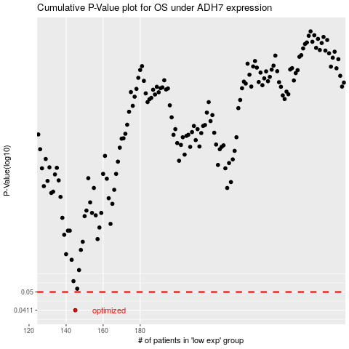

 |  |  |  |  |  | cases_OS | p_OS | rank | exp
 |  |  |  |  |  | 145 | 0.0411 | 150 | -0.56287621459
 |  |  |  |  |  |  | cases_RFS | p_RFS | rank | exp
 |  |  |  |  |  |  | 144 | 0.0411 | 196 | -0.56320232632

